PDK2 _multivariate
Reported by Tex Li-Hsing Chi. tex@gate.sinica.edu.tw 2019-08-17

Table 2. The clinicopathological features of HNSCC cohort and PDK2 expression. (Chi square test)
Cutoff at -0.055 (62.1%)
 |  | PDK2 expression |  | PDK2 expression |  | (Optimised)
 | Features | Low | (%) | High | (%) | Case no | P-value | Remark | Matthews
Gender | Female | 189 | 45.5 | 117 | 28.2 | 415 | 1 | 0 | 0
2 | Male | 68 | 16.4 | 41 | 9.9
Age at diagnosis | <=65y | 156 | 37.6 | 118 | 28.4 | 415 | 0.0049 | 1 | 0
4 | >65y | 101 | 24.3 | 40 | 9.6
Clinical T Status | T1+T2 | 91 | 21.9 | 58 | 14 | 415 | 0.8707 | 0 | 0
6 | T3+T4 | 166 | 40 | 100 | 24.1
Clinical N Status | N0 | 141 | 34 | 75 | 18.1 | 415 | 0.1728 | 0 | 0
8 | N1-3 | 116 | 28 | 83 | 20
Clinical M Status | M0 | 255 | 61.4 | 157 | 37.8 | 415 | 1 | 0 | 0
10 | M1 | 2 | 0.5 | 1 | 0.2
Clinical Stage | Stage I+II | 64 | 15.4 | 38 | 9.2 | 415 | 0.9375 | 0 | 0
12 | Stage III+IV | 193 | 46.5 | 120 | 28.9
Surgical Margin status | Negative | 192 | 46.3 | 126 | 30.4 | 415 | 0.2825 | 0 | 0
14 | Positive | 65 | 15.7 | 32 | 7.7
Tobacco Exposure | Low | 92 | 22.2 | 69 | 16.6 | 415 | 0.1202 | 0 | 0
16 | High | 165 | 39.8 | 89 | 21.4

Table 3. Univariate/Multivariate Cox's proportional hazards regression analyses on OS time of PDK2 gene expression in HNSCC

 |  | Univariate |  |  |  | Multivariate
 | Features | HR | CI95%(L) | CI95%(H) | P-value | HR | CI95%(L) | CI95%(H) | P-value
1 | Female | 1 |  |  |  | 1
Gender | Male | 1.157 | 0.843 | 1.587 | 0.367 | 1.178 | 0.842 | 1.648 | 0.34
11 | <=65y | 1 |  |  |  | 1
Age at diagnosis | >65y | 1.329 | 0.99 | 1.784 | 0.058 | 1.366 | 1.004 | 1.859 | 0.047
12 | T1+T2 | 1 |  |  |  | 1
Clinical T Status | T3+T4 | 1.409 | 1.028 | 1.931 | 0.033 | 2.174 | 1.15 | 4.11 | 0.017
13 | N0 | 1 |  |  |  | 1
Clinical N Status | N1-3 | 1.185 | 0.89 | 1.577 | 0.246 | 1.279 | 0.894 | 1.83 | 0.178
14 | M0 | 1 |  |  |  | 1
Clinical M Status | M1 | 4.097 | 1.009 | 16.644 | 0.049 | 9.08 | 1.98 | 41.645 | 0.005
15 | Stage I+II | 1 |  |  |  | 1
Clinical Stage | Stage III+IV | 1.245 | 0.882 | 1.759 | 0.213 | 0.501 | 0.234 | 1.075 | 0.076
16 | Negative | 1 |  |  |  | 1
Surgical Margin status | Positive | 1.591 | 1.155 | 2.191 | 0.004 | 1.657 | 1.199 | 2.289 | 0.002
17 | Low | 1 |  |  |  | 1
Tobacco Exposure | High | 1.364 | 1.008 | 1.844 | 0.044 | 1.416 | 1.026 | 1.955 | 0.034
18 | Low | 1 |  |  |  | 1
RNAseq(z-score) | High | 0.739 | 0.547 | 0.998 | 0.048 | 0.797 | 0.587 | 1.082 | 0.146

Table 4. Univariate/Multivariate Cox's proportional hazards regression analyses on RFS time of PDK2 gene expression in HNSCC

 |  | Univariate |  |  |  | Multivariate
 | Features | HR | CI95%(L) | CI95%(H) | P-value | HR | CI95%(L) | CI95%(H) | P-value
1 | Female | 1 |  |  |  | 1
Gender | Male | 1.157 | 0.843 | 1.587 | 0.367 | 1.178 | 0.842 | 1.648 | 0.34
11 | <=65y | 1 |  |  |  | 1
Age at diagnosis | >65y | 1.329 | 0.99 | 1.784 | 0.058 | 1.366 | 1.004 | 1.859 | 0.047
12 | T1+T2 | 1 |  |  |  | 1
Clinical T Status | T3+T4 | 1.409 | 1.028 | 1.931 | 0.033 | 2.174 | 1.15 | 4.11 | 0.017
13 | N0 | 1 |  |  |  | 1
Clinical N Status | N1-3 | 1.185 | 0.89 | 1.577 | 0.246 | 1.279 | 0.894 | 1.83 | 0.178
14 | M0 | 1 |  |  |  | 1
Clinical M Status | M1 | 4.097 | 1.009 | 16.644 | 0.049 | 9.08 | 1.98 | 41.645 | 0.005
15 | Stage I+II | 1 |  |  |  | 1
Clinical Stage | Stage III+IV | 1.245 | 0.882 | 1.759 | 0.213 | 0.501 | 0.234 | 1.075 | 0.076
16 | Negative | 1 |  |  |  | 1
Surgical Margin status | Positive | 1.591 | 1.155 | 2.191 | 0.004 | 1.657 | 1.199 | 2.289 | 0.002
17 | Low | 1 |  |  |  | 1
Tobacco Exposure | High | 1.364 | 1.008 | 1.844 | 0.044 | 1.416 | 1.026 | 1.955 | 0.034
18 | Low | 1 |  |  |  | 1
RNAseq(z-score) | High | 0.739 | 0.547 | 0.998 | 0.048 | 0.797 | 0.587 | 1.082 | 0.146

Kaplan-Meier survival estimate: Cutoff at -0.055 (62.1%)



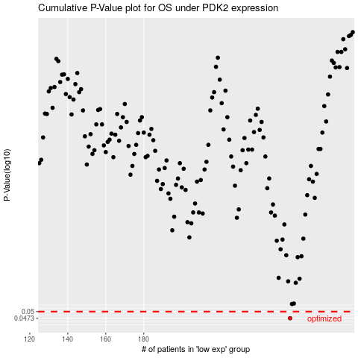

 |  |  |  |  |  | cases_OS | p_OS | rank | exp
 |  |  |  |  |  | 257 | 0.0473 | 351 | -0.055454496667
 |  |  |  |  |  |  | cases_RFS | p_RFS | rank | exp
 |  |  |  |  |  |  | 256 | 0.0473 | 389 | -0.05698883636

