PDK3 _multivariate
Reported by Tex Li-Hsing Chi. tex@gate.sinica.edu.tw 2019-08-17

Table 2. The clinicopathological features of HNSCC cohort and PDK3 expression. (Chi square test)
Cutoff at -0.097 (49.8%)
 |  | PDK3 expression |  | PDK3 expression |  | (Optimised)
 | Features | Low | (%) | High | (%) | Case no | P-value | Remark | Matthews
Gender | Female | 164 | 39.5 | 142 | 34.2 | 415 | 0.0153 | 1 | 0
2 | Male | 43 | 10.4 | 66 | 15.9
Age at diagnosis | <=65y | 154 | 37.1 | 120 | 28.9 | 415 | 5e-04 | 1 | 0
4 | >65y | 53 | 12.8 | 88 | 21.2
Clinical T Status | T1+T2 | 71 | 17.1 | 78 | 18.8 | 415 | 0.5638 | 0 | 0
6 | T3+T4 | 136 | 32.8 | 130 | 31.3
Clinical N Status | N0 | 101 | 24.3 | 115 | 27.7 | 415 | 0.2201 | 0 | 0
8 | N1-3 | 106 | 25.5 | 93 | 22.4
Clinical M Status | M0 | 206 | 49.6 | 206 | 49.6 | 415 | 1 | 0 | 0
10 | M1 | 1 | 0.2 | 2 | 0.5
Clinical Stage | Stage I+II | 43 | 10.4 | 59 | 14.2 | 415 | 0.0925 | 0 | 0
12 | Stage III+IV | 164 | 39.5 | 149 | 35.9
Surgical Margin status | Negative | 161 | 38.8 | 157 | 37.8 | 415 | 0.6429 | 0 | 0
14 | Positive | 46 | 11.1 | 51 | 12.3
Tobacco Exposure | Low | 78 | 18.8 | 83 | 20 | 415 | 0.6873 | 0 | 0
16 | High | 129 | 31.1 | 125 | 30.1

Table 3. Univariate/Multivariate Cox's proportional hazards regression analyses on OS time of PDK3 gene expression in HNSCC

 |  | Univariate |  |  |  | Multivariate
 | Features | HR | CI95%(L) | CI95%(H) | P-value | HR | CI95%(L) | CI95%(H) | P-value
1 | Female | 1 |  |  |  | 1
Gender | Male | 1.157 | 0.843 | 1.587 | 0.367 | 1.206 | 0.86 | 1.691 | 0.278
11 | <=65y | 1 |  |  |  | 1
Age at diagnosis | >65y | 1.329 | 0.99 | 1.784 | 0.058 | 1.395 | 1.024 | 1.9 | 0.035
12 | T1+T2 | 1 |  |  |  | 1
Clinical T Status | T3+T4 | 1.409 | 1.028 | 1.931 | 0.033 | 2.209 | 1.167 | 4.181 | 0.015
13 | N0 | 1 |  |  |  | 1
Clinical N Status | N1-3 | 1.185 | 0.89 | 1.577 | 0.246 | 1.241 | 0.87 | 1.771 | 0.234
14 | M0 | 1 |  |  |  | 1
Clinical M Status | M1 | 4.097 | 1.009 | 16.644 | 0.049 | 9.465 | 2.059 | 43.501 | 0.004
15 | Stage I+II | 1 |  |  |  | 1
Clinical Stage | Stage III+IV | 1.245 | 0.882 | 1.759 | 0.213 | 0.502 | 0.233 | 1.082 | 0.078
16 | Negative | 1 |  |  |  | 1
Surgical Margin status | Positive | 1.591 | 1.155 | 2.191 | 0.004 | 1.674 | 1.211 | 2.314 | 0.002
17 | Low | 1 |  |  |  | 1
Tobacco Exposure | High | 1.364 | 1.008 | 1.844 | 0.044 | 1.455 | 1.055 | 2.007 | 0.022
18 | Low | 1 |  |  |  | 1
RNAseq(z-score) | High | 1.066 | 0.799 | 1.422 | 0.665 | 0.98 | 0.727 | 1.32 | 0.893

Table 4. Univariate/Multivariate Cox's proportional hazards regression analyses on RFS time of PDK3 gene expression in HNSCC

 |  | Univariate |  |  |  | Multivariate
 | Features | HR | CI95%(L) | CI95%(H) | P-value | HR | CI95%(L) | CI95%(H) | P-value
1 | Female | 1 |  |  |  | 1
Gender | Male | 1.157 | 0.843 | 1.587 | 0.367 | 1.206 | 0.86 | 1.691 | 0.278
11 | <=65y | 1 |  |  |  | 1
Age at diagnosis | >65y | 1.329 | 0.99 | 1.784 | 0.058 | 1.395 | 1.024 | 1.9 | 0.035
12 | T1+T2 | 1 |  |  |  | 1
Clinical T Status | T3+T4 | 1.409 | 1.028 | 1.931 | 0.033 | 2.209 | 1.167 | 4.181 | 0.015
13 | N0 | 1 |  |  |  | 1
Clinical N Status | N1-3 | 1.185 | 0.89 | 1.577 | 0.246 | 1.241 | 0.87 | 1.771 | 0.234
14 | M0 | 1 |  |  |  | 1
Clinical M Status | M1 | 4.097 | 1.009 | 16.644 | 0.049 | 9.465 | 2.059 | 43.501 | 0.004
15 | Stage I+II | 1 |  |  |  | 1
Clinical Stage | Stage III+IV | 1.245 | 0.882 | 1.759 | 0.213 | 0.502 | 0.233 | 1.082 | 0.078
16 | Negative | 1 |  |  |  | 1
Surgical Margin status | Positive | 1.591 | 1.155 | 2.191 | 0.004 | 1.674 | 1.211 | 2.314 | 0.002
17 | Low | 1 |  |  |  | 1
Tobacco Exposure | High | 1.364 | 1.008 | 1.844 | 0.044 | 1.455 | 1.055 | 2.007 | 0.022
18 | Low | 1 |  |  |  | 1
RNAseq(z-score) | High | 1.066 | 0.799 | 1.422 | 0.665 | 0.98 | 0.727 | 1.32 | 0.893

Kaplan-Meier survival estimate: Cutoff at -0.097 (49.8%)



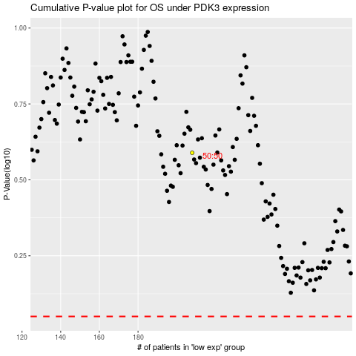

 |  |  |  |  |  | cases_OS | p_OS | rank | exp
 |  |  |  |  |  |  | cases_RFS | p_RFS | rank | exp

