PDK4 _multivariate
Reported by Tex Li-Hsing Chi. tex@gate.sinica.edu.tw 2019-08-17

Table 2. The clinicopathological features of HNSCC cohort and PDK4 expression. (Chi square test)
Cutoff at -0.156 (50.0%)
 |  | PDK4 expression |  | PDK4 expression |  | (Optimised)
 | Features | Low | (%) | High | (%) | Case no | P-value | Remark | Matthews
Gender | Female | 155 | 37.3 | 151 | 36.4 | 415 | 0.6768 | 0 | 0
2 | Male | 52 | 12.5 | 57 | 13.7
Age at diagnosis | <=65y | 127 | 30.6 | 147 | 35.4 | 415 | 0.0573 | 0 | 0
4 | >65y | 80 | 19.3 | 61 | 14.7
Clinical T Status | T1+T2 | 68 | 16.4 | 81 | 19.5 | 415 | 0.2336 | 0 | 0
6 | T3+T4 | 139 | 33.5 | 127 | 30.6
Clinical N Status | N0 | 115 | 27.7 | 101 | 24.3 | 415 | 0.184 | 1 | 0
8 | N1-3 | 92 | 22.2 | 107 | 25.8
Clinical M Status | M0 | 204 | 49.2 | 208 | 50.1 | 415 | 0.1232 | 0 | 0
10 | M1 | 3 | 0.7 | 0 | 0
Clinical Stage | Stage I+II | 47 | 11.3 | 55 | 13.3 | 415 | 0.4413 | 0 | 0
12 | Stage III+IV | 160 | 38.6 | 153 | 36.9
Surgical Margin status | Negative | 159 | 38.3 | 159 | 38.3 | 415 | 1 | 0 | 0
14 | Positive | 48 | 11.6 | 49 | 11.8
Tobacco Exposure | Low | 93 | 22.4 | 68 | 16.4 | 415 | 0.0118 | 1 | 0
16 | High | 114 | 27.5 | 140 | 33.7

Table 3. Univariate/Multivariate Cox's proportional hazards regression analyses on OS time of PDK4 gene expression in HNSCC

 |  | Univariate |  |  |  | Multivariate
 | Features | HR | CI95%(L) | CI95%(H) | P-value | HR | CI95%(L) | CI95%(H) | P-value
1 | Female | 1 |  |  |  | 1
Gender | Male | 1.157 | 0.843 | 1.587 | 0.367 | 1.199 | 0.858 | 1.676 | 0.287
11 | <=65y | 1 |  |  |  | 1
Age at diagnosis | >65y | 1.329 | 0.99 | 1.784 | 0.058 | 1.399 | 1.027 | 1.905 | 0.033
12 | T1+T2 | 1 |  |  |  | 1
Clinical T Status | T3+T4 | 1.409 | 1.028 | 1.931 | 0.033 | 2.205 | 1.166 | 4.17 | 0.015
13 | N0 | 1 |  |  |  | 1
Clinical N Status | N1-3 | 1.185 | 0.89 | 1.577 | 0.246 | 1.236 | 0.865 | 1.765 | 0.245
14 | M0 | 1 |  |  |  | 1
Clinical M Status | M1 | 4.097 | 1.009 | 16.644 | 0.049 | 9.627 | 2.082 | 44.511 | 0.004
15 | Stage I+II | 1 |  |  |  | 1
Clinical Stage | Stage III+IV | 1.245 | 0.882 | 1.759 | 0.213 | 0.506 | 0.236 | 1.086 | 0.08
16 | Negative | 1 |  |  |  | 1
Surgical Margin status | Positive | 1.591 | 1.155 | 2.191 | 0.004 | 1.671 | 1.209 | 2.309 | 0.002
17 | Low | 1 |  |  |  | 1
Tobacco Exposure | High | 1.364 | 1.008 | 1.844 | 0.044 | 1.445 | 1.046 | 1.995 | 0.026
18 | Low | 1 |  |  |  | 1
RNAseq(z-score) | High | 1.047 | 0.786 | 1.394 | 0.755 | 1.043 | 0.777 | 1.401 | 0.778

Table 4. Univariate/Multivariate Cox's proportional hazards regression analyses on RFS time of PDK4 gene expression in HNSCC

 |  | Univariate |  |  |  | Multivariate
 | Features | HR | CI95%(L) | CI95%(H) | P-value | HR | CI95%(L) | CI95%(H) | P-value
1 | Female | 1 |  |  |  | 1
Gender | Male | 1.157 | 0.843 | 1.587 | 0.367 | 1.199 | 0.858 | 1.676 | 0.287
11 | <=65y | 1 |  |  |  | 1
Age at diagnosis | >65y | 1.329 | 0.99 | 1.784 | 0.058 | 1.399 | 1.027 | 1.905 | 0.033
12 | T1+T2 | 1 |  |  |  | 1
Clinical T Status | T3+T4 | 1.409 | 1.028 | 1.931 | 0.033 | 2.205 | 1.166 | 4.17 | 0.015
13 | N0 | 1 |  |  |  | 1
Clinical N Status | N1-3 | 1.185 | 0.89 | 1.577 | 0.246 | 1.236 | 0.865 | 1.765 | 0.245
14 | M0 | 1 |  |  |  | 1
Clinical M Status | M1 | 4.097 | 1.009 | 16.644 | 0.049 | 9.627 | 2.082 | 44.511 | 0.004
15 | Stage I+II | 1 |  |  |  | 1
Clinical Stage | Stage III+IV | 1.245 | 0.882 | 1.759 | 0.213 | 0.506 | 0.236 | 1.086 | 0.08
16 | Negative | 1 |  |  |  | 1
Surgical Margin status | Positive | 1.591 | 1.155 | 2.191 | 0.004 | 1.671 | 1.209 | 2.309 | 0.002
17 | Low | 1 |  |  |  | 1
Tobacco Exposure | High | 1.364 | 1.008 | 1.844 | 0.044 | 1.445 | 1.046 | 1.995 | 0.026
18 | Low | 1 |  |  |  | 1
RNAseq(z-score) | High | 1.047 | 0.786 | 1.394 | 0.755 | 1.043 | 0.777 | 1.401 | 0.778

Kaplan-Meier survival estimate: Cutoff at -0.156 (50.0%)

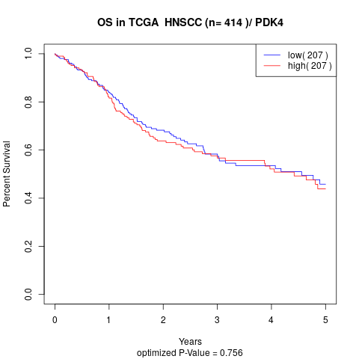

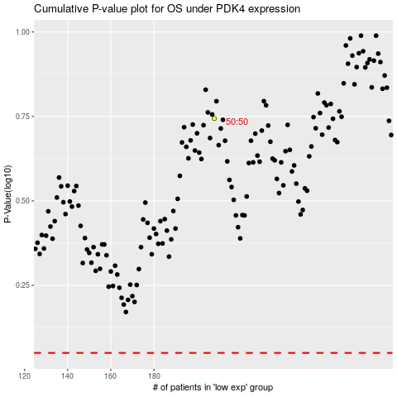

 |  |  |  |  |  | cases_OS | p_OS | rank | exp
 |  |  |  |  |  |  | cases_RFS | p_RFS | rank | exp

