PDLIM1 _multivariate
Reported by Tex Li-Hsing Chi. tex@gate.sinica.edu.tw 2019-08-17

Table 2. The clinicopathological features of HNSCC cohort and PDLIM1 expression. (Chi square test)
Cutoff at -0.197 (50.0%)
 |  | PDLIM1 expression |  | PDLIM1 expression |  | (Optimised)
 | Features | Low | (%) | High | (%) | Case no | P-value | Remark | Matthews
Gender | Female | 160 | 38.6 | 146 | 35.2 | 415 | 0.1254 | 0 | 0
2 | Male | 47 | 11.3 | 62 | 14.9
Age at diagnosis | <=65y | 141 | 34 | 133 | 32 | 415 | 0.4272 | 0 | 0
4 | >65y | 66 | 15.9 | 75 | 18.1
Clinical T Status | T1+T2 | 66 | 15.9 | 83 | 20 | 415 | 0.1095 | 0 | 0
6 | T3+T4 | 141 | 34 | 125 | 30.1
Clinical N Status | N0 | 100 | 24.1 | 116 | 28 | 415 | 0.1548 | 0 | 0
8 | N1-3 | 107 | 25.8 | 92 | 22.2
Clinical M Status | M0 | 207 | 49.9 | 205 | 49.4 | 415 | 0.2482 | 0 | 0
10 | M1 | 0 | 0 | 3 | 0.7
Clinical Stage | Stage I+II | 38 | 9.2 | 64 | 15.4 | 415 | 0.0048 | 1 | 0
12 | Stage III+IV | 169 | 40.7 | 144 | 34.7
Surgical Margin status | Negative | 154 | 37.1 | 164 | 39.5 | 415 | 0.2984 | 0 | 0
14 | Positive | 53 | 12.8 | 44 | 10.6
Tobacco Exposure | Low | 71 | 17.1 | 90 | 21.7 | 415 | 0.0698 | 0 | 0
16 | High | 136 | 32.8 | 118 | 28.4

Table 3. Univariate/Multivariate Cox's proportional hazards regression analyses on OS time of PDLIM1 gene expression in HNSCC

 |  | Univariate |  |  |  | Multivariate
 | Features | HR | CI95%(L) | CI95%(H) | P-value | HR | CI95%(L) | CI95%(H) | P-value
1 | Female | 1 |  |  |  | 1
Gender | Male | 1.157 | 0.843 | 1.587 | 0.367 | 1.196 | 0.856 | 1.67 | 0.295
11 | <=65y | 1 |  |  |  | 1
Age at diagnosis | >65y | 1.329 | 0.99 | 1.784 | 0.058 | 1.392 | 1.025 | 1.892 | 0.034
12 | T1+T2 | 1 |  |  |  | 1
Clinical T Status | T3+T4 | 1.409 | 1.028 | 1.931 | 0.033 | 2.156 | 1.139 | 4.08 | 0.018
13 | N0 | 1 |  |  |  | 1
Clinical N Status | N1-3 | 1.185 | 0.89 | 1.577 | 0.246 | 1.225 | 0.858 | 1.748 | 0.263
14 | M0 | 1 |  |  |  | 1
Clinical M Status | M1 | 4.097 | 1.009 | 16.644 | 0.049 | 8.391 | 1.814 | 38.82 | 0.006
15 | Stage I+II | 1 |  |  |  | 1
Clinical Stage | Stage III+IV | 1.245 | 0.882 | 1.759 | 0.213 | 0.535 | 0.248 | 1.155 | 0.111
16 | Negative | 1 |  |  |  | 1
Surgical Margin status | Positive | 1.591 | 1.155 | 2.191 | 0.004 | 1.685 | 1.219 | 2.328 | 0.002
17 | Low | 1 |  |  |  | 1
Tobacco Exposure | High | 1.364 | 1.008 | 1.844 | 0.044 | 1.473 | 1.068 | 2.031 | 0.018
18 | Low | 1 |  |  |  | 1
RNAseq(z-score) | High | 1.179 | 0.883 | 1.574 | 0.264 | 1.212 | 0.902 | 1.628 | 0.201

Table 4. Univariate/Multivariate Cox's proportional hazards regression analyses on RFS time of PDLIM1 gene expression in HNSCC

 |  | Univariate |  |  |  | Multivariate
 | Features | HR | CI95%(L) | CI95%(H) | P-value | HR | CI95%(L) | CI95%(H) | P-value
1 | Female | 1 |  |  |  | 1
Gender | Male | 1.157 | 0.843 | 1.587 | 0.367 | 1.196 | 0.856 | 1.67 | 0.295
11 | <=65y | 1 |  |  |  | 1
Age at diagnosis | >65y | 1.329 | 0.99 | 1.784 | 0.058 | 1.392 | 1.025 | 1.892 | 0.034
12 | T1+T2 | 1 |  |  |  | 1
Clinical T Status | T3+T4 | 1.409 | 1.028 | 1.931 | 0.033 | 2.156 | 1.139 | 4.08 | 0.018
13 | N0 | 1 |  |  |  | 1
Clinical N Status | N1-3 | 1.185 | 0.89 | 1.577 | 0.246 | 1.225 | 0.858 | 1.748 | 0.263
14 | M0 | 1 |  |  |  | 1
Clinical M Status | M1 | 4.097 | 1.009 | 16.644 | 0.049 | 8.391 | 1.814 | 38.82 | 0.006
15 | Stage I+II | 1 |  |  |  | 1
Clinical Stage | Stage III+IV | 1.245 | 0.882 | 1.759 | 0.213 | 0.535 | 0.248 | 1.155 | 0.111
16 | Negative | 1 |  |  |  | 1
Surgical Margin status | Positive | 1.591 | 1.155 | 2.191 | 0.004 | 1.685 | 1.219 | 2.328 | 0.002
17 | Low | 1 |  |  |  | 1
Tobacco Exposure | High | 1.364 | 1.008 | 1.844 | 0.044 | 1.473 | 1.068 | 2.031 | 0.018
18 | Low | 1 |  |  |  | 1
RNAseq(z-score) | High | 1.179 | 0.883 | 1.574 | 0.264 | 1.212 | 0.902 | 1.628 | 0.201

Kaplan-Meier survival estimate: Cutoff at -0.197 (50.0%)



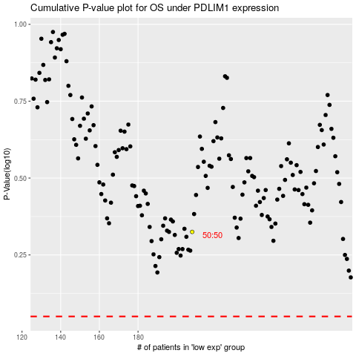

 |  |  |  |  |  | cases_OS | p_OS | rank | exp
 |  |  |  |  |  |  | cases_RFS | p_RFS | rank | exp

