PDLIM4 _multivariate
Reported by Tex Li-Hsing Chi. tex@gate.sinica.edu.tw 2019-08-17

Table 2. The clinicopathological features of HNSCC cohort and PDLIM4 expression. (Chi square test)
Cutoff at -0.14 (50.0%)
 |  | PDLIM4 expression |  | PDLIM4 expression |  | (Optimised)
 | Features | Low | (%) | High | (%) | Case no | P-value | Remark | Matthews
Gender | Female | 150 | 36.1 | 156 | 37.6 | 415 | 0.6344 | 0 | 0
2 | Male | 57 | 13.7 | 52 | 12.5
Age at diagnosis | <=65y | 137 | 33 | 137 | 33 | 415 | 1 | 0 | 0
4 | >65y | 70 | 16.9 | 71 | 17.1
Clinical T Status | T1+T2 | 79 | 19 | 70 | 16.9 | 415 | 0.3924 | 0 | 0
6 | T3+T4 | 128 | 30.8 | 138 | 33.3
Clinical N Status | N0 | 116 | 28 | 100 | 24.1 | 415 | 0.1273 | 1 | 0
8 | N1-3 | 91 | 21.9 | 108 | 26
Clinical M Status | M0 | 206 | 49.6 | 206 | 49.6 | 415 | 1 | 0 | 0
10 | M1 | 1 | 0.2 | 2 | 0.5
Clinical Stage | Stage I+II | 58 | 14 | 44 | 10.6 | 415 | 0.131 | 0 | 0
12 | Stage III+IV | 149 | 35.9 | 164 | 39.5
Surgical Margin status | Negative | 158 | 38.1 | 160 | 38.6 | 415 | 0.9081 | 0 | 0
14 | Positive | 49 | 11.8 | 48 | 11.6
Tobacco Exposure | Low | 84 | 20.2 | 77 | 18.6 | 415 | 0.4816 | 0 | 0
16 | High | 123 | 29.6 | 131 | 31.6

Table 3. Univariate/Multivariate Cox's proportional hazards regression analyses on OS time of PDLIM4 gene expression in HNSCC

 |  | Univariate |  |  |  | Multivariate
 | Features | HR | CI95%(L) | CI95%(H) | P-value | HR | CI95%(L) | CI95%(H) | P-value
1 | Female | 1 |  |  |  | 1
Gender | Male | 1.157 | 0.843 | 1.587 | 0.367 | 1.196 | 0.856 | 1.67 | 0.295
11 | <=65y | 1 |  |  |  | 1
Age at diagnosis | >65y | 1.329 | 0.99 | 1.784 | 0.058 | 1.391 | 1.024 | 1.891 | 0.035
12 | T1+T2 | 1 |  |  |  | 1
Clinical T Status | T3+T4 | 1.409 | 1.028 | 1.931 | 0.033 | 2.207 | 1.168 | 4.173 | 0.015
13 | N0 | 1 |  |  |  | 1
Clinical N Status | N1-3 | 1.185 | 0.89 | 1.577 | 0.246 | 1.245 | 0.872 | 1.776 | 0.228
14 | M0 | 1 |  |  |  | 1
Clinical M Status | M1 | 4.097 | 1.009 | 16.644 | 0.049 | 9.663 | 2.103 | 44.391 | 0.004
15 | Stage I+II | 1 |  |  |  | 1
Clinical Stage | Stage III+IV | 1.245 | 0.882 | 1.759 | 0.213 | 0.508 | 0.237 | 1.091 | 0.082
16 | Negative | 1 |  |  |  | 1
Surgical Margin status | Positive | 1.591 | 1.155 | 2.191 | 0.004 | 1.675 | 1.212 | 2.314 | 0.002
17 | Low | 1 |  |  |  | 1
Tobacco Exposure | High | 1.364 | 1.008 | 1.844 | 0.044 | 1.459 | 1.059 | 2.011 | 0.021
18 | Low | 1 |  |  |  | 1
RNAseq(z-score) | High | 0.962 | 0.722 | 1.282 | 0.792 | 0.906 | 0.678 | 1.212 | 0.508

Table 4. Univariate/Multivariate Cox's proportional hazards regression analyses on RFS time of PDLIM4 gene expression in HNSCC

 |  | Univariate |  |  |  | Multivariate
 | Features | HR | CI95%(L) | CI95%(H) | P-value | HR | CI95%(L) | CI95%(H) | P-value
1 | Female | 1 |  |  |  | 1
Gender | Male | 1.157 | 0.843 | 1.587 | 0.367 | 1.196 | 0.856 | 1.67 | 0.295
11 | <=65y | 1 |  |  |  | 1
Age at diagnosis | >65y | 1.329 | 0.99 | 1.784 | 0.058 | 1.391 | 1.024 | 1.891 | 0.035
12 | T1+T2 | 1 |  |  |  | 1
Clinical T Status | T3+T4 | 1.409 | 1.028 | 1.931 | 0.033 | 2.207 | 1.168 | 4.173 | 0.015
13 | N0 | 1 |  |  |  | 1
Clinical N Status | N1-3 | 1.185 | 0.89 | 1.577 | 0.246 | 1.245 | 0.872 | 1.776 | 0.228
14 | M0 | 1 |  |  |  | 1
Clinical M Status | M1 | 4.097 | 1.009 | 16.644 | 0.049 | 9.663 | 2.103 | 44.391 | 0.004
15 | Stage I+II | 1 |  |  |  | 1
Clinical Stage | Stage III+IV | 1.245 | 0.882 | 1.759 | 0.213 | 0.508 | 0.237 | 1.091 | 0.082
16 | Negative | 1 |  |  |  | 1
Surgical Margin status | Positive | 1.591 | 1.155 | 2.191 | 0.004 | 1.675 | 1.212 | 2.314 | 0.002
17 | Low | 1 |  |  |  | 1
Tobacco Exposure | High | 1.364 | 1.008 | 1.844 | 0.044 | 1.459 | 1.059 | 2.011 | 0.021
18 | Low | 1 |  |  |  | 1
RNAseq(z-score) | High | 0.962 | 0.722 | 1.282 | 0.792 | 0.906 | 0.678 | 1.212 | 0.508

Kaplan-Meier survival estimate: Cutoff at -0.14 (50.0%)



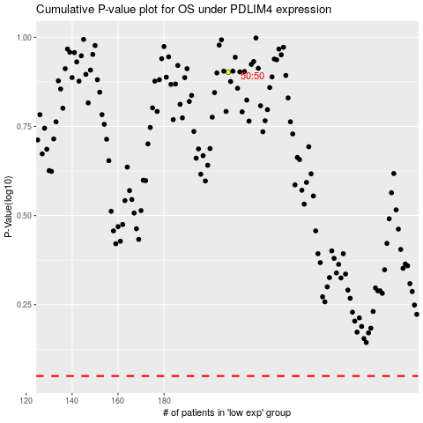

 |  |  |  |  |  | cases_OS | p_OS | rank | exp
 |  |  |  |  |  |  | cases_RFS | p_RFS | rank | exp

