PDLIM5 _multivariate
Reported by Tex Li-Hsing Chi. tex@gate.sinica.edu.tw 2019-08-17

Table 2. The clinicopathological features of HNSCC cohort and PDLIM5 expression. (Chi square test)
Cutoff at -0.169 (50.0%)
 |  | PDLIM5 expression |  | PDLIM5 expression |  | (Optimised)
 | Features | Low | (%) | High | (%) | Case no | P-value | Remark | Matthews
Gender | Female | 161 | 38.8 | 145 | 34.9 | 415 | 0.0792 | 0 | 0
2 | Male | 46 | 11.1 | 63 | 15.2
Age at diagnosis | <=65y | 135 | 32.5 | 139 | 33.5 | 415 | 0.8084 | 0 | 0
4 | >65y | 72 | 17.3 | 69 | 16.6
Clinical T Status | T1+T2 | 81 | 19.5 | 68 | 16.4 | 415 | 0.206 | 0 | 0
6 | T3+T4 | 126 | 30.4 | 140 | 33.7
Clinical N Status | N0 | 105 | 25.3 | 111 | 26.7 | 415 | 0.6598 | 0 | 0
8 | N1-3 | 102 | 24.6 | 97 | 23.4
Clinical M Status | M0 | 204 | 49.2 | 208 | 50.1 | 415 | 0.1232 | 0 | 0
10 | M1 | 3 | 0.7 | 0 | 0
Clinical Stage | Stage I+II | 52 | 12.5 | 50 | 12 | 415 | 0.8871 | 0 | 0
12 | Stage III+IV | 155 | 37.3 | 158 | 38.1
Surgical Margin status | Negative | 155 | 37.3 | 163 | 39.3 | 415 | 0.4187 | 0 | 0
14 | Positive | 52 | 12.5 | 45 | 10.8
Tobacco Exposure | Low | 75 | 18.1 | 86 | 20.7 | 415 | 0.3141 | 0 | 0
16 | High | 132 | 31.8 | 122 | 29.4

Table 3. Univariate/Multivariate Cox's proportional hazards regression analyses on OS time of PDLIM5 gene expression in HNSCC

 |  | Univariate |  |  |  | Multivariate
 | Features | HR | CI95%(L) | CI95%(H) | P-value | HR | CI95%(L) | CI95%(H) | P-value
1 | Female | 1 |  |  |  | 1
Gender | Male | 1.157 | 0.843 | 1.587 | 0.367 | 1.181 | 0.846 | 1.65 | 0.329
11 | <=65y | 1 |  |  |  | 1
Age at diagnosis | >65y | 1.329 | 0.99 | 1.784 | 0.058 | 1.401 | 1.03 | 1.904 | 0.032
12 | T1+T2 | 1 |  |  |  | 1
Clinical T Status | T3+T4 | 1.409 | 1.028 | 1.931 | 0.033 | 2.189 | 1.158 | 4.139 | 0.016
13 | N0 | 1 |  |  |  | 1
Clinical N Status | N1-3 | 1.185 | 0.89 | 1.577 | 0.246 | 1.268 | 0.887 | 1.813 | 0.192
14 | M0 | 1 |  |  |  | 1
Clinical M Status | M1 | 4.097 | 1.009 | 16.644 | 0.049 | 10.259 | 2.224 | 47.329 | 0.003
15 | Stage I+II | 1 |  |  |  | 1
Clinical Stage | Stage III+IV | 1.245 | 0.882 | 1.759 | 0.213 | 0.499 | 0.233 | 1.072 | 0.075
16 | Negative | 1 |  |  |  | 1
Surgical Margin status | Positive | 1.591 | 1.155 | 2.191 | 0.004 | 1.705 | 1.232 | 2.359 | 0.001
17 | Low | 1 |  |  |  | 1
Tobacco Exposure | High | 1.364 | 1.008 | 1.844 | 0.044 | 1.47 | 1.067 | 2.026 | 0.019
18 | Low | 1 |  |  |  | 1
RNAseq(z-score) | High | 1.126 | 0.843 | 1.504 | 0.422 | 1.211 | 0.9 | 1.629 | 0.205

Table 4. Univariate/Multivariate Cox's proportional hazards regression analyses on RFS time of PDLIM5 gene expression in HNSCC

 |  | Univariate |  |  |  | Multivariate
 | Features | HR | CI95%(L) | CI95%(H) | P-value | HR | CI95%(L) | CI95%(H) | P-value
1 | Female | 1 |  |  |  | 1
Gender | Male | 1.157 | 0.843 | 1.587 | 0.367 | 1.181 | 0.846 | 1.65 | 0.329
11 | <=65y | 1 |  |  |  | 1
Age at diagnosis | >65y | 1.329 | 0.99 | 1.784 | 0.058 | 1.401 | 1.03 | 1.904 | 0.032
12 | T1+T2 | 1 |  |  |  | 1
Clinical T Status | T3+T4 | 1.409 | 1.028 | 1.931 | 0.033 | 2.189 | 1.158 | 4.139 | 0.016
13 | N0 | 1 |  |  |  | 1
Clinical N Status | N1-3 | 1.185 | 0.89 | 1.577 | 0.246 | 1.268 | 0.887 | 1.813 | 0.192
14 | M0 | 1 |  |  |  | 1
Clinical M Status | M1 | 4.097 | 1.009 | 16.644 | 0.049 | 10.259 | 2.224 | 47.329 | 0.003
15 | Stage I+II | 1 |  |  |  | 1
Clinical Stage | Stage III+IV | 1.245 | 0.882 | 1.759 | 0.213 | 0.499 | 0.233 | 1.072 | 0.075
16 | Negative | 1 |  |  |  | 1
Surgical Margin status | Positive | 1.591 | 1.155 | 2.191 | 0.004 | 1.705 | 1.232 | 2.359 | 0.001
17 | Low | 1 |  |  |  | 1
Tobacco Exposure | High | 1.364 | 1.008 | 1.844 | 0.044 | 1.47 | 1.067 | 2.026 | 0.019
18 | Low | 1 |  |  |  | 1
RNAseq(z-score) | High | 1.126 | 0.843 | 1.504 | 0.422 | 1.211 | 0.9 | 1.629 | 0.205

Kaplan-Meier survival estimate: Cutoff at -0.169 (50.0%)



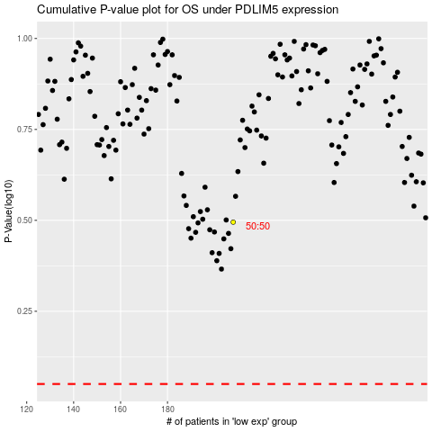

 |  |  |  |  |  | cases_OS | p_OS | rank | exp
 |  |  |  |  |  |  | cases_RFS | p_RFS | rank | exp

