PDLIM7 _multivariate
Reported by Tex Li-Hsing Chi. tex@gate.sinica.edu.tw 2019-08-17

Table 2. The clinicopathological features of HNSCC cohort and PDLIM7 expression. (Chi square test)
Cutoff at -0.11 (49.8%)
 |  | PDLIM7 expression |  | PDLIM7 expression |  | (Optimised)
 | Features | Low | (%) | High | (%) | Case no | P-value | Remark | Matthews
Gender | Female | 153 | 36.9 | 153 | 36.9 | 415 | 1 | 0 | 0
2 | Male | 54 | 13 | 55 | 13.3
Age at diagnosis | <=65y | 138 | 33.3 | 136 | 32.8 | 415 | 0.8634 | 0 | 0
4 | >65y | 69 | 16.6 | 72 | 17.3
Clinical T Status | T1+T2 | 72 | 17.3 | 77 | 18.6 | 415 | 0.7095 | 0 | 0
6 | T3+T4 | 135 | 32.5 | 131 | 31.6
Clinical N Status | N0 | 106 | 25.5 | 110 | 26.5 | 415 | 0.8075 | 0 | 0
8 | N1-3 | 101 | 24.3 | 98 | 23.6
Clinical M Status | M0 | 207 | 49.9 | 205 | 49.4 | 415 | 0.2482 | 0 | 0
10 | M1 | 0 | 0 | 3 | 0.7
Clinical Stage | Stage I+II | 48 | 11.6 | 54 | 13 | 415 | 0.5878 | 0 | 0
12 | Stage III+IV | 159 | 38.3 | 154 | 37.1
Surgical Margin status | Negative | 158 | 38.1 | 160 | 38.6 | 415 | 0.9081 | 0 | 0
14 | Positive | 49 | 11.8 | 48 | 11.6
Tobacco Exposure | Low | 78 | 18.8 | 83 | 20 | 415 | 0.6873 | 0 | 0
16 | High | 129 | 31.1 | 125 | 30.1

Table 3. Univariate/Multivariate Cox's proportional hazards regression analyses on OS time of PDLIM7 gene expression in HNSCC

 |  | Univariate |  |  |  | Multivariate
 | Features | HR | CI95%(L) | CI95%(H) | P-value | HR | CI95%(L) | CI95%(H) | P-value
1 | Female | 1 |  |  |  | 1
Gender | Male | 1.157 | 0.843 | 1.587 | 0.367 | 1.198 | 0.857 | 1.674 | 0.29
11 | <=65y | 1 |  |  |  | 1
Age at diagnosis | >65y | 1.329 | 0.99 | 1.784 | 0.058 | 1.391 | 1.023 | 1.891 | 0.035
12 | T1+T2 | 1 |  |  |  | 1
Clinical T Status | T3+T4 | 1.409 | 1.028 | 1.931 | 0.033 | 2.196 | 1.162 | 4.152 | 0.015
13 | N0 | 1 |  |  |  | 1
Clinical N Status | N1-3 | 1.185 | 0.89 | 1.577 | 0.246 | 1.242 | 0.871 | 1.772 | 0.231
14 | M0 | 1 |  |  |  | 1
Clinical M Status | M1 | 4.097 | 1.009 | 16.644 | 0.049 | 8.98 | 1.942 | 41.524 | 0.005
15 | Stage I+II | 1 |  |  |  | 1
Clinical Stage | Stage III+IV | 1.245 | 0.882 | 1.759 | 0.213 | 0.511 | 0.238 | 1.099 | 0.086
16 | Negative | 1 |  |  |  | 1
Surgical Margin status | Positive | 1.591 | 1.155 | 2.191 | 0.004 | 1.672 | 1.211 | 2.31 | 0.002
17 | Low | 1 |  |  |  | 1
Tobacco Exposure | High | 1.364 | 1.008 | 1.844 | 0.044 | 1.453 | 1.054 | 2.002 | 0.022
18 | Low | 1 |  |  |  | 1
RNAseq(z-score) | High | 1.073 | 0.804 | 1.431 | 0.634 | 1.084 | 0.81 | 1.453 | 0.587

Table 4. Univariate/Multivariate Cox's proportional hazards regression analyses on RFS time of PDLIM7 gene expression in HNSCC

 |  | Univariate |  |  |  | Multivariate
 | Features | HR | CI95%(L) | CI95%(H) | P-value | HR | CI95%(L) | CI95%(H) | P-value
1 | Female | 1 |  |  |  | 1
Gender | Male | 1.157 | 0.843 | 1.587 | 0.367 | 1.198 | 0.857 | 1.674 | 0.29
11 | <=65y | 1 |  |  |  | 1
Age at diagnosis | >65y | 1.329 | 0.99 | 1.784 | 0.058 | 1.391 | 1.023 | 1.891 | 0.035
12 | T1+T2 | 1 |  |  |  | 1
Clinical T Status | T3+T4 | 1.409 | 1.028 | 1.931 | 0.033 | 2.196 | 1.162 | 4.152 | 0.015
13 | N0 | 1 |  |  |  | 1
Clinical N Status | N1-3 | 1.185 | 0.89 | 1.577 | 0.246 | 1.242 | 0.871 | 1.772 | 0.231
14 | M0 | 1 |  |  |  | 1
Clinical M Status | M1 | 4.097 | 1.009 | 16.644 | 0.049 | 8.98 | 1.942 | 41.524 | 0.005
15 | Stage I+II | 1 |  |  |  | 1
Clinical Stage | Stage III+IV | 1.245 | 0.882 | 1.759 | 0.213 | 0.511 | 0.238 | 1.099 | 0.086
16 | Negative | 1 |  |  |  | 1
Surgical Margin status | Positive | 1.591 | 1.155 | 2.191 | 0.004 | 1.672 | 1.211 | 2.31 | 0.002
17 | Low | 1 |  |  |  | 1
Tobacco Exposure | High | 1.364 | 1.008 | 1.844 | 0.044 | 1.453 | 1.054 | 2.002 | 0.022
18 | Low | 1 |  |  |  | 1
RNAseq(z-score) | High | 1.073 | 0.804 | 1.431 | 0.634 | 1.084 | 0.81 | 1.453 | 0.587

Kaplan-Meier survival estimate: Cutoff at -0.11 (49.8%)



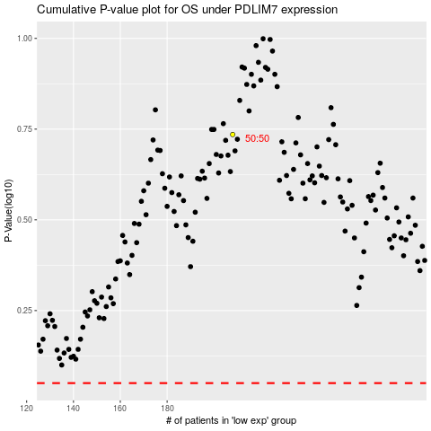

 |  |  |  |  |  | cases_OS | p_OS | rank | exp
 |  |  |  |  |  |  | cases_RFS | p_RFS | rank | exp

