PDP1 _multivariate
Reported by Tex Li-Hsing Chi. tex@gate.sinica.edu.tw 2019-08-17

Table 2. The clinicopathological features of HNSCC cohort and PDP1 expression. (Chi square test)
Cutoff at -0.097 (50.0%)
 |  | PDP1 expression |  | PDP1 expression |  | (Optimised)
 | Features | Low | (%) | High | (%) | Case no | P-value | Remark | Matthews
Gender | Female | 159 | 38.3 | 147 | 35.4 | 415 | 0.1905 | 0 | 0
2 | Male | 48 | 11.6 | 61 | 14.7
Age at diagnosis | <=65y | 140 | 33.7 | 134 | 32.3 | 415 | 0.5574 | 0 | 0
4 | >65y | 67 | 16.1 | 74 | 17.8
Clinical T Status | T1+T2 | 75 | 18.1 | 74 | 17.8 | 415 | 0.9707 | 0 | 0
6 | T3+T4 | 132 | 31.8 | 134 | 32.3
Clinical N Status | N0 | 108 | 26 | 108 | 26 | 415 | 1 | 0 | 0
8 | N1-3 | 99 | 23.9 | 100 | 24.1
Clinical M Status | M0 | 204 | 49.2 | 208 | 50.1 | 415 | 0.1232 | 0 | 0
10 | M1 | 3 | 0.7 | 0 | 0
Clinical Stage | Stage I+II | 48 | 11.6 | 54 | 13 | 415 | 0.5878 | 0 | 0
12 | Stage III+IV | 159 | 38.3 | 154 | 37.1
Surgical Margin status | Negative | 152 | 36.6 | 166 | 40 | 415 | 0.1329 | 0 | 0
14 | Positive | 55 | 13.3 | 42 | 10.1
Tobacco Exposure | Low | 84 | 20.2 | 77 | 18.6 | 415 | 0.4816 | 0 | 0
16 | High | 123 | 29.6 | 131 | 31.6

Table 3. Univariate/Multivariate Cox's proportional hazards regression analyses on OS time of PDP1 gene expression in HNSCC

 |  | Univariate |  |  |  | Multivariate
 | Features | HR | CI95%(L) | CI95%(H) | P-value | HR | CI95%(L) | CI95%(H) | P-value
1 | Female | 1 |  |  |  | 1
Gender | Male | 1.157 | 0.843 | 1.587 | 0.367 | 1.197 | 0.856 | 1.673 | 0.293
11 | <=65y | 1 |  |  |  | 1
Age at diagnosis | >65y | 1.329 | 0.99 | 1.784 | 0.058 | 1.364 | 1.002 | 1.856 | 0.049
12 | T1+T2 | 1 |  |  |  | 1
Clinical T Status | T3+T4 | 1.409 | 1.028 | 1.931 | 0.033 | 2.196 | 1.162 | 4.15 | 0.015
13 | N0 | 1 |  |  |  | 1
Clinical N Status | N1-3 | 1.185 | 0.89 | 1.577 | 0.246 | 1.236 | 0.867 | 1.763 | 0.241
14 | M0 | 1 |  |  |  | 1
Clinical M Status | M1 | 4.097 | 1.009 | 16.644 | 0.049 | 10.4 | 2.252 | 48.022 | 0.003
15 | Stage I+II | 1 |  |  |  | 1
Clinical Stage | Stage III+IV | 1.245 | 0.882 | 1.759 | 0.213 | 0.523 | 0.243 | 1.124 | 0.097
16 | Negative | 1 |  |  |  | 1
Surgical Margin status | Positive | 1.591 | 1.155 | 2.191 | 0.004 | 1.721 | 1.242 | 2.384 | 0.001
17 | Low | 1 |  |  |  | 1
Tobacco Exposure | High | 1.364 | 1.008 | 1.844 | 0.044 | 1.436 | 1.041 | 1.98 | 0.028
18 | Low | 1 |  |  |  | 1
RNAseq(z-score) | High | 1.174 | 0.878 | 1.569 | 0.279 | 1.232 | 0.914 | 1.661 | 0.172

Table 4. Univariate/Multivariate Cox's proportional hazards regression analyses on RFS time of PDP1 gene expression in HNSCC

 |  | Univariate |  |  |  | Multivariate
 | Features | HR | CI95%(L) | CI95%(H) | P-value | HR | CI95%(L) | CI95%(H) | P-value
1 | Female | 1 |  |  |  | 1
Gender | Male | 1.157 | 0.843 | 1.587 | 0.367 | 1.197 | 0.856 | 1.673 | 0.293
11 | <=65y | 1 |  |  |  | 1
Age at diagnosis | >65y | 1.329 | 0.99 | 1.784 | 0.058 | 1.364 | 1.002 | 1.856 | 0.049
12 | T1+T2 | 1 |  |  |  | 1
Clinical T Status | T3+T4 | 1.409 | 1.028 | 1.931 | 0.033 | 2.196 | 1.162 | 4.15 | 0.015
13 | N0 | 1 |  |  |  | 1
Clinical N Status | N1-3 | 1.185 | 0.89 | 1.577 | 0.246 | 1.236 | 0.867 | 1.763 | 0.241
14 | M0 | 1 |  |  |  | 1
Clinical M Status | M1 | 4.097 | 1.009 | 16.644 | 0.049 | 10.4 | 2.252 | 48.022 | 0.003
15 | Stage I+II | 1 |  |  |  | 1
Clinical Stage | Stage III+IV | 1.245 | 0.882 | 1.759 | 0.213 | 0.523 | 0.243 | 1.124 | 0.097
16 | Negative | 1 |  |  |  | 1
Surgical Margin status | Positive | 1.591 | 1.155 | 2.191 | 0.004 | 1.721 | 1.242 | 2.384 | 0.001
17 | Low | 1 |  |  |  | 1
Tobacco Exposure | High | 1.364 | 1.008 | 1.844 | 0.044 | 1.436 | 1.041 | 1.98 | 0.028
18 | Low | 1 |  |  |  | 1
RNAseq(z-score) | High | 1.174 | 0.878 | 1.569 | 0.279 | 1.232 | 0.914 | 1.661 | 0.172

Kaplan-Meier survival estimate: Cutoff at -0.097 (50.0%)



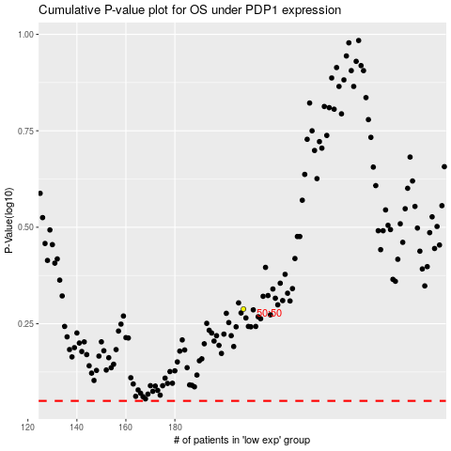

 |  |  |  |  |  | cases_OS | p_OS | rank | exp
 |  |  |  |  |  |  | cases_RFS | p_RFS | rank | exp

