PDP2 _multivariate
Reported by Tex Li-Hsing Chi. tex@gate.sinica.edu.tw 2019-08-17

Table 2. The clinicopathological features of HNSCC cohort and PDP2 expression. (Chi square test)
Cutoff at -0.179 (49.8%)
 |  | PDP2 expression |  | PDP2 expression |  | (Optimised)
 | Features | Low | (%) | High | (%) | Case no | P-value | Remark | Matthews
Gender | Female | 147 | 35.4 | 159 | 38.3 | 415 | 0.2523 | 0 | 0
2 | Male | 60 | 14.5 | 49 | 11.8
Age at diagnosis | <=65y | 134 | 32.3 | 140 | 33.7 | 415 | 0.6529 | 0 | 0
4 | >65y | 73 | 17.6 | 68 | 16.4
Clinical T Status | T1+T2 | 88 | 21.2 | 61 | 14.7 | 415 | 0.007 | 1 | 0
6 | T3+T4 | 119 | 28.7 | 147 | 35.4
Clinical N Status | N0 | 109 | 26.3 | 107 | 25.8 | 415 | 0.8812 | 0 | 0
8 | N1-3 | 98 | 23.6 | 101 | 24.3
Clinical M Status | M0 | 204 | 49.2 | 208 | 50.1 | 415 | 0.1232 | 0 | 0
10 | M1 | 3 | 0.7 | 0 | 0
Clinical Stage | Stage I+II | 59 | 14.2 | 43 | 10.4 | 415 | 0.0822 | 0 | 0
12 | Stage III+IV | 148 | 35.7 | 165 | 39.8
Surgical Margin status | Negative | 155 | 37.3 | 163 | 39.3 | 415 | 0.4187 | 0 | 0
14 | Positive | 52 | 12.5 | 45 | 10.8
Tobacco Exposure | Low | 96 | 23.1 | 65 | 15.7 | 415 | 0.0018 | 1 | 0
16 | High | 111 | 26.7 | 143 | 34.5

Table 3. Univariate/Multivariate Cox's proportional hazards regression analyses on OS time of PDP2 gene expression in HNSCC

 |  | Univariate |  |  |  | Multivariate
 | Features | HR | CI95%(L) | CI95%(H) | P-value | HR | CI95%(L) | CI95%(H) | P-value
1 | Female | 1 |  |  |  | 1
Gender | Male | 1.157 | 0.843 | 1.587 | 0.367 | 1.188 | 0.849 | 1.663 | 0.315
11 | <=65y | 1 |  |  |  | 1
Age at diagnosis | >65y | 1.329 | 0.99 | 1.784 | 0.058 | 1.39 | 1.022 | 1.89 | 0.036
12 | T1+T2 | 1 |  |  |  | 1
Clinical T Status | T3+T4 | 1.409 | 1.028 | 1.931 | 0.033 | 2.237 | 1.182 | 4.237 | 0.013
13 | N0 | 1 |  |  |  | 1
Clinical N Status | N1-3 | 1.185 | 0.89 | 1.577 | 0.246 | 1.236 | 0.867 | 1.764 | 0.242
14 | M0 | 1 |  |  |  | 1
Clinical M Status | M1 | 4.097 | 1.009 | 16.644 | 0.049 | 9.032 | 1.961 | 41.601 | 0.005
15 | Stage I+II | 1 |  |  |  | 1
Clinical Stage | Stage III+IV | 1.245 | 0.882 | 1.759 | 0.213 | 0.504 | 0.235 | 1.082 | 0.079
16 | Negative | 1 |  |  |  | 1
Surgical Margin status | Positive | 1.591 | 1.155 | 2.191 | 0.004 | 1.649 | 1.19 | 2.284 | 0.003
17 | Low | 1 |  |  |  | 1
Tobacco Exposure | High | 1.364 | 1.008 | 1.844 | 0.044 | 1.471 | 1.065 | 2.032 | 0.019
18 | Low | 1 |  |  |  | 1
RNAseq(z-score) | High | 0.916 | 0.687 | 1.22 | 0.548 | 0.906 | 0.671 | 1.223 | 0.521

Table 4. Univariate/Multivariate Cox's proportional hazards regression analyses on RFS time of PDP2 gene expression in HNSCC

 |  | Univariate |  |  |  | Multivariate
 | Features | HR | CI95%(L) | CI95%(H) | P-value | HR | CI95%(L) | CI95%(H) | P-value
1 | Female | 1 |  |  |  | 1
Gender | Male | 1.157 | 0.843 | 1.587 | 0.367 | 1.188 | 0.849 | 1.663 | 0.315
11 | <=65y | 1 |  |  |  | 1
Age at diagnosis | >65y | 1.329 | 0.99 | 1.784 | 0.058 | 1.39 | 1.022 | 1.89 | 0.036
12 | T1+T2 | 1 |  |  |  | 1
Clinical T Status | T3+T4 | 1.409 | 1.028 | 1.931 | 0.033 | 2.237 | 1.182 | 4.237 | 0.013
13 | N0 | 1 |  |  |  | 1
Clinical N Status | N1-3 | 1.185 | 0.89 | 1.577 | 0.246 | 1.236 | 0.867 | 1.764 | 0.242
14 | M0 | 1 |  |  |  | 1
Clinical M Status | M1 | 4.097 | 1.009 | 16.644 | 0.049 | 9.032 | 1.961 | 41.601 | 0.005
15 | Stage I+II | 1 |  |  |  | 1
Clinical Stage | Stage III+IV | 1.245 | 0.882 | 1.759 | 0.213 | 0.504 | 0.235 | 1.082 | 0.079
16 | Negative | 1 |  |  |  | 1
Surgical Margin status | Positive | 1.591 | 1.155 | 2.191 | 0.004 | 1.649 | 1.19 | 2.284 | 0.003
17 | Low | 1 |  |  |  | 1
Tobacco Exposure | High | 1.364 | 1.008 | 1.844 | 0.044 | 1.471 | 1.065 | 2.032 | 0.019
18 | Low | 1 |  |  |  | 1
RNAseq(z-score) | High | 0.916 | 0.687 | 1.22 | 0.548 | 0.906 | 0.671 | 1.223 | 0.521

Kaplan-Meier survival estimate: Cutoff at -0.179 (49.8%)



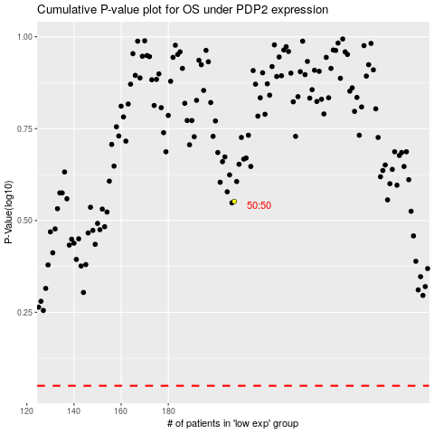

 |  |  |  |  |  | cases_OS | p_OS | rank | exp
 |  |  |  |  |  |  | cases_RFS | p_RFS | rank | exp

