PDPN _multivariate
Reported by Tex Li-Hsing Chi. tex@gate.sinica.edu.tw 2019-08-17

Table 2. The clinicopathological features of HNSCC cohort and PDPN expression. (Chi square test)
Cutoff at -0.485 (32.1%)
 |  | PDPN expression |  | PDPN expression |  | (Optimised)
 | Features | Low | (%) | High | (%) | Case no | P-value | Remark | Matthews
Gender | Female | 99 | 23.9 | 207 | 49.9 | 415 | 0.9177 | 0 | 0
2 | Male | 34 | 8.2 | 75 | 18.1
Age at diagnosis | <=65y | 92 | 22.2 | 182 | 43.9 | 415 | 0.4127 | 0 | 0
4 | >65y | 41 | 9.9 | 100 | 24.1
Clinical T Status | T1+T2 | 52 | 12.5 | 97 | 23.4 | 415 | 0.4111 | 0 | 0
6 | T3+T4 | 81 | 19.5 | 185 | 44.6
Clinical N Status | N0 | 70 | 16.9 | 146 | 35.2 | 415 | 0.9537 | 0 | 0
8 | N1-3 | 63 | 15.2 | 136 | 32.8
Clinical M Status | M0 | 132 | 31.8 | 280 | 67.5 | 415 | 1 | 0 | 0
10 | M1 | 1 | 0.2 | 2 | 0.5
Clinical Stage | Stage I+II | 30 | 7.2 | 72 | 17.3 | 415 | 0.5928 | 0 | 0
12 | Stage III+IV | 103 | 24.8 | 210 | 50.6
Surgical Margin status | Negative | 97 | 23.4 | 221 | 53.3 | 415 | 0.2632 | 0 | 0
14 | Positive | 36 | 8.7 | 61 | 14.7
Tobacco Exposure | Low | 54 | 13 | 107 | 25.8 | 415 | 0.666 | 0 | 0
16 | High | 79 | 19 | 175 | 42.2

Table 3. Univariate/Multivariate Cox's proportional hazards regression analyses on OS time of PDPN gene expression in HNSCC

 |  | Univariate |  |  |  | Multivariate
 | Features | HR | CI95%(L) | CI95%(H) | P-value | HR | CI95%(L) | CI95%(H) | P-value
1 | Female | 1 |  |  |  | 1
Gender | Male | 1.157 | 0.843 | 1.587 | 0.367 | 1.204 | 0.861 | 1.683 | 0.278
11 | <=65y | 1 |  |  |  | 1
Age at diagnosis | >65y | 1.329 | 0.99 | 1.784 | 0.058 | 1.376 | 1.012 | 1.871 | 0.042
12 | T1+T2 | 1 |  |  |  | 1
Clinical T Status | T3+T4 | 1.409 | 1.028 | 1.931 | 0.033 | 2.089 | 1.102 | 3.96 | 0.024
13 | N0 | 1 |  |  |  | 1
Clinical N Status | N1-3 | 1.185 | 0.89 | 1.577 | 0.246 | 1.228 | 0.861 | 1.752 | 0.256
14 | M0 | 1 |  |  |  | 1
Clinical M Status | M1 | 4.097 | 1.009 | 16.644 | 0.049 | 8.699 | 1.893 | 39.975 | 0.005
15 | Stage I+II | 1 |  |  |  | 1
Clinical Stage | Stage III+IV | 1.245 | 0.882 | 1.759 | 0.213 | 0.544 | 0.253 | 1.173 | 0.12
16 | Negative | 1 |  |  |  | 1
Surgical Margin status | Positive | 1.591 | 1.155 | 2.191 | 0.004 | 1.687 | 1.221 | 2.33 | 0.002
17 | Low | 1 |  |  |  | 1
Tobacco Exposure | High | 1.364 | 1.008 | 1.844 | 0.044 | 1.453 | 1.054 | 2.003 | 0.023
18 | Low | 1 |  |  |  | 1
RNAseq(z-score) | High | 1.394 | 1.006 | 1.931 | 0.046 | 1.348 | 0.97 | 1.872 | 0.075

Table 4. Univariate/Multivariate Cox's proportional hazards regression analyses on RFS time of PDPN gene expression in HNSCC

 |  | Univariate |  |  |  | Multivariate
 | Features | HR | CI95%(L) | CI95%(H) | P-value | HR | CI95%(L) | CI95%(H) | P-value
1 | Female | 1 |  |  |  | 1
Gender | Male | 1.157 | 0.843 | 1.587 | 0.367 | 1.204 | 0.861 | 1.683 | 0.278
11 | <=65y | 1 |  |  |  | 1
Age at diagnosis | >65y | 1.329 | 0.99 | 1.784 | 0.058 | 1.376 | 1.012 | 1.871 | 0.042
12 | T1+T2 | 1 |  |  |  | 1
Clinical T Status | T3+T4 | 1.409 | 1.028 | 1.931 | 0.033 | 2.089 | 1.102 | 3.96 | 0.024
13 | N0 | 1 |  |  |  | 1
Clinical N Status | N1-3 | 1.185 | 0.89 | 1.577 | 0.246 | 1.228 | 0.861 | 1.752 | 0.256
14 | M0 | 1 |  |  |  | 1
Clinical M Status | M1 | 4.097 | 1.009 | 16.644 | 0.049 | 8.699 | 1.893 | 39.975 | 0.005
15 | Stage I+II | 1 |  |  |  | 1
Clinical Stage | Stage III+IV | 1.245 | 0.882 | 1.759 | 0.213 | 0.544 | 0.253 | 1.173 | 0.12
16 | Negative | 1 |  |  |  | 1
Surgical Margin status | Positive | 1.591 | 1.155 | 2.191 | 0.004 | 1.687 | 1.221 | 2.33 | 0.002
17 | Low | 1 |  |  |  | 1
Tobacco Exposure | High | 1.364 | 1.008 | 1.844 | 0.044 | 1.453 | 1.054 | 2.003 | 0.023
18 | Low | 1 |  |  |  | 1
RNAseq(z-score) | High | 1.394 | 1.006 | 1.931 | 0.046 | 1.348 | 0.97 | 1.872 | 0.075

Kaplan-Meier survival estimate: Cutoff at -0.485 (32.1%)



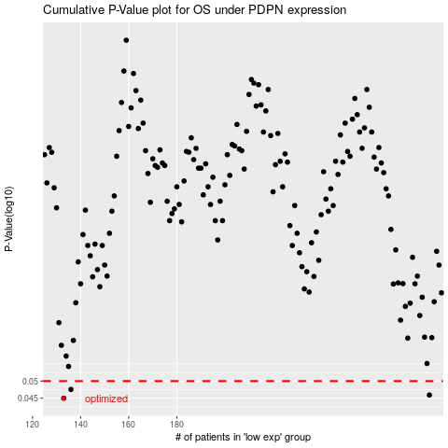

 |  |  |  |  |  | cases_OS | p_OS | rank | exp
 |  |  |  |  |  | 133 | 0.045 | 65 | -0.48475167472
 |  |  |  |  |  | 285 | 0.0459 | 108 | 0.42196669284
 |  |  |  |  |  | 136 | 0.0475 | 229 | -0.47019504519
 |  |  |  |  |  |  | cases_RFS | p_RFS | rank | exp
 |  |  |  |  |  |  | 132 | 0.045 | 403 | -0.48644511709
 |  |  |  |  |  |  | 284 | 0.0459 | 170 | 0.40961442949
 |  |  |  |  |  |  | 135 | 0.0475 | 320 | -0.47453342503

