PDPR _multivariate
Reported by Tex Li-Hsing Chi. tex@gate.sinica.edu.tw 2019-08-17

Table 2. The clinicopathological features of HNSCC cohort and PDPR expression. (Chi square test)
Cutoff at -0.116 (49.8%)
 |  | PDPR expression |  | PDPR expression |  | (Optimised)
 | Features | Low | (%) | High | (%) | Case no | P-value | Remark | Matthews
Gender | Female | 146 | 35.2 | 160 | 38.6 | 415 | 0.1714 | 0 | 0
2 | Male | 61 | 14.7 | 48 | 11.6
Age at diagnosis | <=65y | 130 | 31.3 | 144 | 34.7 | 415 | 0.2009 | 0 | 0
4 | >65y | 77 | 18.6 | 64 | 15.4
Clinical T Status | T1+T2 | 68 | 16.4 | 81 | 19.5 | 415 | 0.2336 | 0 | 0
6 | T3+T4 | 139 | 33.5 | 127 | 30.6
Clinical N Status | N0 | 100 | 24.1 | 116 | 28 | 415 | 0.1548 | 0 | 0
8 | N1-3 | 107 | 25.8 | 92 | 22.2
Clinical M Status | M0 | 204 | 49.2 | 208 | 50.1 | 415 | 0.1232 | 0 | 0
10 | M1 | 3 | 0.7 | 0 | 0
Clinical Stage | Stage I+II | 43 | 10.4 | 59 | 14.2 | 415 | 0.0925 | 0 | 0
12 | Stage III+IV | 164 | 39.5 | 149 | 35.9
Surgical Margin status | Negative | 147 | 35.4 | 171 | 41.2 | 415 | 0.0077 | 1 | 0
14 | Positive | 60 | 14.5 | 37 | 8.9
Tobacco Exposure | Low | 90 | 21.7 | 71 | 17.1 | 415 | 0.0559 | 0 | 0
16 | High | 117 | 28.2 | 137 | 33

Table 3. Univariate/Multivariate Cox's proportional hazards regression analyses on OS time of PDPR gene expression in HNSCC

 |  | Univariate |  |  |  | Multivariate
 | Features | HR | CI95%(L) | CI95%(H) | P-value | HR | CI95%(L) | CI95%(H) | P-value
1 | Female | 1 |  |  |  | 1
Gender | Male | 1.157 | 0.843 | 1.587 | 0.367 | 1.194 | 0.852 | 1.674 | 0.303
11 | <=65y | 1 |  |  |  | 1
Age at diagnosis | >65y | 1.329 | 0.99 | 1.784 | 0.058 | 1.386 | 1.018 | 1.887 | 0.038
12 | T1+T2 | 1 |  |  |  | 1
Clinical T Status | T3+T4 | 1.409 | 1.028 | 1.931 | 0.033 | 2.2 | 1.164 | 4.161 | 0.015
13 | N0 | 1 |  |  |  | 1
Clinical N Status | N1-3 | 1.185 | 0.89 | 1.577 | 0.246 | 1.237 | 0.866 | 1.766 | 0.242
14 | M0 | 1 |  |  |  | 1
Clinical M Status | M1 | 4.097 | 1.009 | 16.644 | 0.049 | 9.207 | 1.992 | 42.56 | 0.004
15 | Stage I+II | 1 |  |  |  | 1
Clinical Stage | Stage III+IV | 1.245 | 0.882 | 1.759 | 0.213 | 0.504 | 0.235 | 1.082 | 0.079
16 | Negative | 1 |  |  |  | 1
Surgical Margin status | Positive | 1.591 | 1.155 | 2.191 | 0.004 | 1.663 | 1.2 | 2.303 | 0.002
17 | Low | 1 |  |  |  | 1
Tobacco Exposure | High | 1.364 | 1.008 | 1.844 | 0.044 | 1.451 | 1.053 | 2 | 0.023
18 | Low | 1 |  |  |  | 1
RNAseq(z-score) | High | 0.836 | 0.627 | 1.115 | 0.223 | 0.961 | 0.713 | 1.296 | 0.794

Table 4. Univariate/Multivariate Cox's proportional hazards regression analyses on RFS time of PDPR gene expression in HNSCC

 |  | Univariate |  |  |  | Multivariate
 | Features | HR | CI95%(L) | CI95%(H) | P-value | HR | CI95%(L) | CI95%(H) | P-value
1 | Female | 1 |  |  |  | 1
Gender | Male | 1.157 | 0.843 | 1.587 | 0.367 | 1.194 | 0.852 | 1.674 | 0.303
11 | <=65y | 1 |  |  |  | 1
Age at diagnosis | >65y | 1.329 | 0.99 | 1.784 | 0.058 | 1.386 | 1.018 | 1.887 | 0.038
12 | T1+T2 | 1 |  |  |  | 1
Clinical T Status | T3+T4 | 1.409 | 1.028 | 1.931 | 0.033 | 2.2 | 1.164 | 4.161 | 0.015
13 | N0 | 1 |  |  |  | 1
Clinical N Status | N1-3 | 1.185 | 0.89 | 1.577 | 0.246 | 1.237 | 0.866 | 1.766 | 0.242
14 | M0 | 1 |  |  |  | 1
Clinical M Status | M1 | 4.097 | 1.009 | 16.644 | 0.049 | 9.207 | 1.992 | 42.56 | 0.004
15 | Stage I+II | 1 |  |  |  | 1
Clinical Stage | Stage III+IV | 1.245 | 0.882 | 1.759 | 0.213 | 0.504 | 0.235 | 1.082 | 0.079
16 | Negative | 1 |  |  |  | 1
Surgical Margin status | Positive | 1.591 | 1.155 | 2.191 | 0.004 | 1.663 | 1.2 | 2.303 | 0.002
17 | Low | 1 |  |  |  | 1
Tobacco Exposure | High | 1.364 | 1.008 | 1.844 | 0.044 | 1.451 | 1.053 | 2 | 0.023
18 | Low | 1 |  |  |  | 1
RNAseq(z-score) | High | 0.836 | 0.627 | 1.115 | 0.223 | 0.961 | 0.713 | 1.296 | 0.794

Kaplan-Meier survival estimate: Cutoff at -0.116 (49.8%)



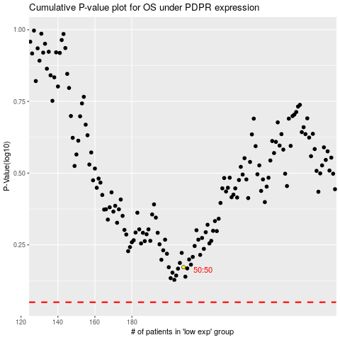

 |  |  |  |  |  | cases_OS | p_OS | rank | exp
 |  |  |  |  |  |  | cases_RFS | p_RFS | rank | exp

