PDSS2 _multivariate
Reported by Tex Li-Hsing Chi. tex@gate.sinica.edu.tw 2019-08-17

Table 2. The clinicopathological features of HNSCC cohort and PDSS2 expression. (Chi square test)
Cutoff at -0.211 (49.8%)
 |  | PDSS2 expression |  | PDSS2 expression |  | (Optimised)
 | Features | Low | (%) | High | (%) | Case no | P-value | Remark | Matthews
Gender | Female | 146 | 35.2 | 160 | 38.6 | 415 | 0.1714 | 0 | 0
2 | Male | 61 | 14.7 | 48 | 11.6
Age at diagnosis | <=65y | 134 | 32.3 | 140 | 33.7 | 415 | 0.6529 | 0 | 0
4 | >65y | 73 | 17.6 | 68 | 16.4
Clinical T Status | T1+T2 | 70 | 16.9 | 79 | 19 | 415 | 0.4343 | 0 | 0
6 | T3+T4 | 137 | 33 | 129 | 31.1
Clinical N Status | N0 | 111 | 26.7 | 105 | 25.3 | 415 | 0.5875 | 0 | 0
8 | N1-3 | 96 | 23.1 | 103 | 24.8
Clinical M Status | M0 | 205 | 49.4 | 207 | 49.9 | 415 | 0.6232 | 0 | 0
10 | M1 | 2 | 0.5 | 1 | 0.2
Clinical Stage | Stage I+II | 52 | 12.5 | 50 | 12 | 415 | 0.8871 | 0 | 0
12 | Stage III+IV | 155 | 37.3 | 158 | 38.1
Surgical Margin status | Negative | 162 | 39 | 156 | 37.6 | 415 | 0.4867 | 0 | 0
14 | Positive | 45 | 10.8 | 52 | 12.5
Tobacco Exposure | Low | 75 | 18.1 | 86 | 20.7 | 415 | 0.3141 | 0 | 0
16 | High | 132 | 31.8 | 122 | 29.4

Table 3. Univariate/Multivariate Cox's proportional hazards regression analyses on OS time of PDSS2 gene expression in HNSCC

 |  | Univariate |  |  |  | Multivariate
 | Features | HR | CI95%(L) | CI95%(H) | P-value | HR | CI95%(L) | CI95%(H) | P-value
1 | Female | 1 |  |  |  | 1
Gender | Male | 1.157 | 0.843 | 1.587 | 0.367 | 1.218 | 0.87 | 1.705 | 0.251
11 | <=65y | 1 |  |  |  | 1
Age at diagnosis | >65y | 1.329 | 0.99 | 1.784 | 0.058 | 1.391 | 1.023 | 1.891 | 0.035
12 | T1+T2 | 1 |  |  |  | 1
Clinical T Status | T3+T4 | 1.409 | 1.028 | 1.931 | 0.033 | 2.225 | 1.176 | 4.21 | 0.014
13 | N0 | 1 |  |  |  | 1
Clinical N Status | N1-3 | 1.185 | 0.89 | 1.577 | 0.246 | 1.237 | 0.867 | 1.765 | 0.241
14 | M0 | 1 |  |  |  | 1
Clinical M Status | M1 | 4.097 | 1.009 | 16.644 | 0.049 | 9.616 | 2.095 | 44.14 | 0.004
15 | Stage I+II | 1 |  |  |  | 1
Clinical Stage | Stage III+IV | 1.245 | 0.882 | 1.759 | 0.213 | 0.499 | 0.232 | 1.072 | 0.075
16 | Negative | 1 |  |  |  | 1
Surgical Margin status | Positive | 1.591 | 1.155 | 2.191 | 0.004 | 1.664 | 1.204 | 2.3 | 0.002
17 | Low | 1 |  |  |  | 1
Tobacco Exposure | High | 1.364 | 1.008 | 1.844 | 0.044 | 1.462 | 1.06 | 2.015 | 0.02
18 | Low | 1 |  |  |  | 1
RNAseq(z-score) | High | 1.084 | 0.813 | 1.445 | 0.584 | 1.112 | 0.831 | 1.489 | 0.474

Table 4. Univariate/Multivariate Cox's proportional hazards regression analyses on RFS time of PDSS2 gene expression in HNSCC

 |  | Univariate |  |  |  | Multivariate
 | Features | HR | CI95%(L) | CI95%(H) | P-value | HR | CI95%(L) | CI95%(H) | P-value
1 | Female | 1 |  |  |  | 1
Gender | Male | 1.157 | 0.843 | 1.587 | 0.367 | 1.218 | 0.87 | 1.705 | 0.251
11 | <=65y | 1 |  |  |  | 1
Age at diagnosis | >65y | 1.329 | 0.99 | 1.784 | 0.058 | 1.391 | 1.023 | 1.891 | 0.035
12 | T1+T2 | 1 |  |  |  | 1
Clinical T Status | T3+T4 | 1.409 | 1.028 | 1.931 | 0.033 | 2.225 | 1.176 | 4.21 | 0.014
13 | N0 | 1 |  |  |  | 1
Clinical N Status | N1-3 | 1.185 | 0.89 | 1.577 | 0.246 | 1.237 | 0.867 | 1.765 | 0.241
14 | M0 | 1 |  |  |  | 1
Clinical M Status | M1 | 4.097 | 1.009 | 16.644 | 0.049 | 9.616 | 2.095 | 44.14 | 0.004
15 | Stage I+II | 1 |  |  |  | 1
Clinical Stage | Stage III+IV | 1.245 | 0.882 | 1.759 | 0.213 | 0.499 | 0.232 | 1.072 | 0.075
16 | Negative | 1 |  |  |  | 1
Surgical Margin status | Positive | 1.591 | 1.155 | 2.191 | 0.004 | 1.664 | 1.204 | 2.3 | 0.002
17 | Low | 1 |  |  |  | 1
Tobacco Exposure | High | 1.364 | 1.008 | 1.844 | 0.044 | 1.462 | 1.06 | 2.015 | 0.02
18 | Low | 1 |  |  |  | 1
RNAseq(z-score) | High | 1.084 | 0.813 | 1.445 | 0.584 | 1.112 | 0.831 | 1.489 | 0.474

Kaplan-Meier survival estimate: Cutoff at -0.211 (49.8%)



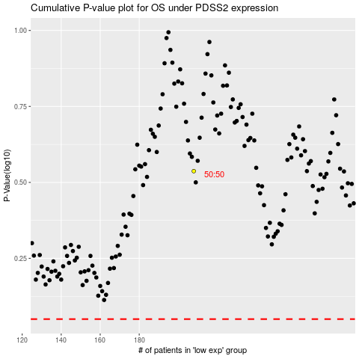

 |  |  |  |  |  | cases_OS | p_OS | rank | exp
 |  |  |  |  |  |  | cases_RFS | p_RFS | rank | exp

