PDXDC1 _multivariate
Reported by Tex Li-Hsing Chi. tex@gate.sinica.edu.tw 2019-08-17

Table 2. The clinicopathological features of HNSCC cohort and PDXDC1 expression. (Chi square test)
Cutoff at -0.152 (49.8%)
 |  | PDXDC1 expression |  | PDXDC1 expression |  | (Optimised)
 | Features | Low | (%) | High | (%) | Case no | P-value | Remark | Matthews
Gender | Female | 146 | 35.2 | 160 | 38.6 | 415 | 0.1714 | 0 | 0
2 | Male | 61 | 14.7 | 48 | 11.6
Age at diagnosis | <=65y | 134 | 32.3 | 140 | 33.7 | 415 | 0.6529 | 0 | 0
4 | >65y | 73 | 17.6 | 68 | 16.4
Clinical T Status | T1+T2 | 74 | 17.8 | 75 | 18.1 | 415 | 1 | 0 | 0
6 | T3+T4 | 133 | 32 | 133 | 32
Clinical N Status | N0 | 115 | 27.7 | 101 | 24.3 | 415 | 0.184 | 1 | 0
8 | N1-3 | 92 | 22.2 | 107 | 25.8
Clinical M Status | M0 | 204 | 49.2 | 208 | 50.1 | 415 | 0.1232 | 0 | 0
10 | M1 | 3 | 0.7 | 0 | 0
Clinical Stage | Stage I+II | 52 | 12.5 | 50 | 12 | 415 | 0.8871 | 0 | 0
12 | Stage III+IV | 155 | 37.3 | 158 | 38.1
Surgical Margin status | Negative | 155 | 37.3 | 163 | 39.3 | 415 | 0.4187 | 0 | 0
14 | Positive | 52 | 12.5 | 45 | 10.8
Tobacco Exposure | Low | 89 | 21.4 | 72 | 17.3 | 415 | 0.0872 | 0 | 0
16 | High | 118 | 28.4 | 136 | 32.8

Table 3. Univariate/Multivariate Cox's proportional hazards regression analyses on OS time of PDXDC1 gene expression in HNSCC

 |  | Univariate |  |  |  | Multivariate
 | Features | HR | CI95%(L) | CI95%(H) | P-value | HR | CI95%(L) | CI95%(H) | P-value
1 | Female | 1 |  |  |  | 1
Gender | Male | 1.157 | 0.843 | 1.587 | 0.367 | 1.226 | 0.877 | 1.715 | 0.233
11 | <=65y | 1 |  |  |  | 1
Age at diagnosis | >65y | 1.329 | 0.99 | 1.784 | 0.058 | 1.379 | 1.014 | 1.875 | 0.041
12 | T1+T2 | 1 |  |  |  | 1
Clinical T Status | T3+T4 | 1.409 | 1.028 | 1.931 | 0.033 | 2.211 | 1.169 | 4.18 | 0.015
13 | N0 | 1 |  |  |  | 1
Clinical N Status | N1-3 | 1.185 | 0.89 | 1.577 | 0.246 | 1.225 | 0.858 | 1.749 | 0.265
14 | M0 | 1 |  |  |  | 1
Clinical M Status | M1 | 4.097 | 1.009 | 16.644 | 0.049 | 10.415 | 2.249 | 48.231 | 0.003
15 | Stage I+II | 1 |  |  |  | 1
Clinical Stage | Stage III+IV | 1.245 | 0.882 | 1.759 | 0.213 | 0.508 | 0.237 | 1.091 | 0.083
16 | Negative | 1 |  |  |  | 1
Surgical Margin status | Positive | 1.591 | 1.155 | 2.191 | 0.004 | 1.697 | 1.226 | 2.348 | 0.001
17 | Low | 1 |  |  |  | 1
Tobacco Exposure | High | 1.364 | 1.008 | 1.844 | 0.044 | 1.431 | 1.038 | 1.973 | 0.029
18 | Low | 1 |  |  |  | 1
RNAseq(z-score) | High | 1.131 | 0.849 | 1.506 | 0.402 | 1.19 | 0.886 | 1.596 | 0.248

Table 4. Univariate/Multivariate Cox's proportional hazards regression analyses on RFS time of PDXDC1 gene expression in HNSCC

 |  | Univariate |  |  |  | Multivariate
 | Features | HR | CI95%(L) | CI95%(H) | P-value | HR | CI95%(L) | CI95%(H) | P-value
1 | Female | 1 |  |  |  | 1
Gender | Male | 1.157 | 0.843 | 1.587 | 0.367 | 1.226 | 0.877 | 1.715 | 0.233
11 | <=65y | 1 |  |  |  | 1
Age at diagnosis | >65y | 1.329 | 0.99 | 1.784 | 0.058 | 1.379 | 1.014 | 1.875 | 0.041
12 | T1+T2 | 1 |  |  |  | 1
Clinical T Status | T3+T4 | 1.409 | 1.028 | 1.931 | 0.033 | 2.211 | 1.169 | 4.18 | 0.015
13 | N0 | 1 |  |  |  | 1
Clinical N Status | N1-3 | 1.185 | 0.89 | 1.577 | 0.246 | 1.225 | 0.858 | 1.749 | 0.265
14 | M0 | 1 |  |  |  | 1
Clinical M Status | M1 | 4.097 | 1.009 | 16.644 | 0.049 | 10.415 | 2.249 | 48.231 | 0.003
15 | Stage I+II | 1 |  |  |  | 1
Clinical Stage | Stage III+IV | 1.245 | 0.882 | 1.759 | 0.213 | 0.508 | 0.237 | 1.091 | 0.083
16 | Negative | 1 |  |  |  | 1
Surgical Margin status | Positive | 1.591 | 1.155 | 2.191 | 0.004 | 1.697 | 1.226 | 2.348 | 0.001
17 | Low | 1 |  |  |  | 1
Tobacco Exposure | High | 1.364 | 1.008 | 1.844 | 0.044 | 1.431 | 1.038 | 1.973 | 0.029
18 | Low | 1 |  |  |  | 1
RNAseq(z-score) | High | 1.131 | 0.849 | 1.506 | 0.402 | 1.19 | 0.886 | 1.596 | 0.248

Kaplan-Meier survival estimate: Cutoff at -0.152 (49.8%)



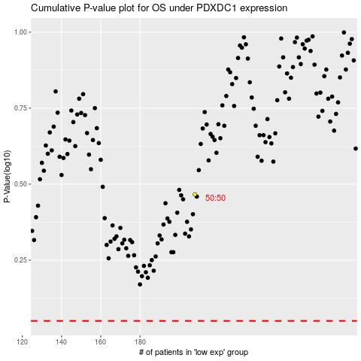

 |  |  |  |  |  | cases_OS | p_OS | rank | exp
 |  |  |  |  |  |  | cases_RFS | p_RFS | rank | exp

