PDXP _multivariate
Reported by Tex Li-Hsing Chi. tex@gate.sinica.edu.tw 2019-08-17

Table 2. The clinicopathological features of HNSCC cohort and PDXP expression. (Chi square test)
Cutoff at -0.127 (49.8%)
 |  | PDXP expression |  | PDXP expression |  | (Optimised)
 | Features | Low | (%) | High | (%) | Case no | P-value | Remark | Matthews
Gender | Female | 139 | 33.5 | 167 | 40.2 | 415 | 0.0034 | 1 | 0
2 | Male | 68 | 16.4 | 41 | 9.9
Age at diagnosis | <=65y | 128 | 30.8 | 146 | 35.2 | 415 | 0.0904 | 0 | 0
4 | >65y | 79 | 19 | 62 | 14.9
Clinical T Status | T1+T2 | 73 | 17.6 | 76 | 18.3 | 415 | 0.8666 | 0 | 0
6 | T3+T4 | 134 | 32.3 | 132 | 31.8
Clinical N Status | N0 | 121 | 29.2 | 95 | 22.9 | 415 | 0.0122 | 1 | 0
8 | N1-3 | 86 | 20.7 | 113 | 27.2
Clinical M Status | M0 | 207 | 49.9 | 205 | 49.4 | 415 | 0.2482 | 0 | 0
10 | M1 | 0 | 0 | 3 | 0.7
Clinical Stage | Stage I+II | 57 | 13.7 | 45 | 10.8 | 415 | 0.1998 | 0 | 0
12 | Stage III+IV | 150 | 36.1 | 163 | 39.3
Surgical Margin status | Negative | 164 | 39.5 | 154 | 37.1 | 415 | 0.2462 | 0 | 0
14 | Positive | 43 | 10.4 | 54 | 13
Tobacco Exposure | Low | 101 | 24.3 | 60 | 14.5 | 415 | 0 | 1 | 0
16 | High | 106 | 25.5 | 148 | 35.7

Table 3. Univariate/Multivariate Cox's proportional hazards regression analyses on OS time of PDXP gene expression in HNSCC

 |  | Univariate |  |  |  | Multivariate
 | Features | HR | CI95%(L) | CI95%(H) | P-value | HR | CI95%(L) | CI95%(H) | P-value
1 | Female | 1 |  |  |  | 1
Gender | Male | 1.157 | 0.843 | 1.587 | 0.367 | 1.227 | 0.872 | 1.725 | 0.24
11 | <=65y | 1 |  |  |  | 1
Age at diagnosis | >65y | 1.329 | 0.99 | 1.784 | 0.058 | 1.394 | 1.025 | 1.894 | 0.034
12 | T1+T2 | 1 |  |  |  | 1
Clinical T Status | T3+T4 | 1.409 | 1.028 | 1.931 | 0.033 | 2.226 | 1.177 | 4.211 | 0.014
13 | N0 | 1 |  |  |  | 1
Clinical N Status | N1-3 | 1.185 | 0.89 | 1.577 | 0.246 | 1.233 | 0.864 | 1.76 | 0.249
14 | M0 | 1 |  |  |  | 1
Clinical M Status | M1 | 4.097 | 1.009 | 16.644 | 0.049 | 9.118 | 1.983 | 41.924 | 0.005
15 | Stage I+II | 1 |  |  |  | 1
Clinical Stage | Stage III+IV | 1.245 | 0.882 | 1.759 | 0.213 | 0.502 | 0.234 | 1.078 | 0.077
16 | Negative | 1 |  |  |  | 1
Surgical Margin status | Positive | 1.591 | 1.155 | 2.191 | 0.004 | 1.647 | 1.188 | 2.283 | 0.003
17 | Low | 1 |  |  |  | 1
Tobacco Exposure | High | 1.364 | 1.008 | 1.844 | 0.044 | 1.426 | 1.029 | 1.976 | 0.033
18 | Low | 1 |  |  |  | 1
RNAseq(z-score) | High | 1.156 | 0.868 | 1.54 | 0.321 | 1.1 | 0.808 | 1.496 | 0.546

Table 4. Univariate/Multivariate Cox's proportional hazards regression analyses on RFS time of PDXP gene expression in HNSCC

 |  | Univariate |  |  |  | Multivariate
 | Features | HR | CI95%(L) | CI95%(H) | P-value | HR | CI95%(L) | CI95%(H) | P-value
1 | Female | 1 |  |  |  | 1
Gender | Male | 1.157 | 0.843 | 1.587 | 0.367 | 1.227 | 0.872 | 1.725 | 0.24
11 | <=65y | 1 |  |  |  | 1
Age at diagnosis | >65y | 1.329 | 0.99 | 1.784 | 0.058 | 1.394 | 1.025 | 1.894 | 0.034
12 | T1+T2 | 1 |  |  |  | 1
Clinical T Status | T3+T4 | 1.409 | 1.028 | 1.931 | 0.033 | 2.226 | 1.177 | 4.211 | 0.014
13 | N0 | 1 |  |  |  | 1
Clinical N Status | N1-3 | 1.185 | 0.89 | 1.577 | 0.246 | 1.233 | 0.864 | 1.76 | 0.249
14 | M0 | 1 |  |  |  | 1
Clinical M Status | M1 | 4.097 | 1.009 | 16.644 | 0.049 | 9.118 | 1.983 | 41.924 | 0.005
15 | Stage I+II | 1 |  |  |  | 1
Clinical Stage | Stage III+IV | 1.245 | 0.882 | 1.759 | 0.213 | 0.502 | 0.234 | 1.078 | 0.077
16 | Negative | 1 |  |  |  | 1
Surgical Margin status | Positive | 1.591 | 1.155 | 2.191 | 0.004 | 1.647 | 1.188 | 2.283 | 0.003
17 | Low | 1 |  |  |  | 1
Tobacco Exposure | High | 1.364 | 1.008 | 1.844 | 0.044 | 1.426 | 1.029 | 1.976 | 0.033
18 | Low | 1 |  |  |  | 1
RNAseq(z-score) | High | 1.156 | 0.868 | 1.54 | 0.321 | 1.1 | 0.808 | 1.496 | 0.546

Kaplan-Meier survival estimate: Cutoff at -0.127 (49.8%)



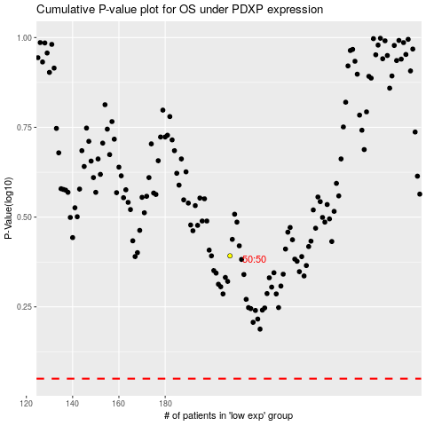

 |  |  |  |  |  | cases_OS | p_OS | rank | exp
 |  |  |  |  |  |  | cases_RFS | p_RFS | rank | exp

