PDZD2 _multivariate
Reported by Tex Li-Hsing Chi. tex@gate.sinica.edu.tw 2019-08-17

Table 2. The clinicopathological features of HNSCC cohort and PDZD2 expression. (Chi square test)
Cutoff at -0.349 (49.8%)
 |  | PDZD2 expression |  | PDZD2 expression |  | (Optimised)
 | Features | Low | (%) | High | (%) | Case no | P-value | Remark | Matthews
Gender | Female | 149 | 35.9 | 157 | 37.8 | 415 | 0.4848 | 0 | 0
2 | Male | 58 | 14 | 51 | 12.3
Age at diagnosis | <=65y | 132 | 31.8 | 142 | 34.2 | 415 | 0.3874 | 0 | 0
4 | >65y | 75 | 18.1 | 66 | 15.9
Clinical T Status | T1+T2 | 78 | 18.8 | 71 | 17.1 | 415 | 0.5152 | 0 | 0
6 | T3+T4 | 129 | 31.1 | 137 | 33
Clinical N Status | N0 | 106 | 25.5 | 110 | 26.5 | 415 | 0.8075 | 0 | 0
8 | N1-3 | 101 | 24.3 | 98 | 23.6
Clinical M Status | M0 | 206 | 49.6 | 206 | 49.6 | 415 | 1 | 0 | 0
10 | M1 | 1 | 0.2 | 2 | 0.5
Clinical Stage | Stage I+II | 54 | 13 | 48 | 11.6 | 415 | 0.5498 | 0 | 0
12 | Stage III+IV | 153 | 36.9 | 160 | 38.6
Surgical Margin status | Negative | 151 | 36.4 | 167 | 40.2 | 415 | 0.0828 | 0 | 0
14 | Positive | 56 | 13.5 | 41 | 9.9
Tobacco Exposure | Low | 66 | 15.9 | 95 | 22.9 | 415 | 0.0048 | 1 | 0
16 | High | 141 | 34 | 113 | 27.2

Table 3. Univariate/Multivariate Cox's proportional hazards regression analyses on OS time of PDZD2 gene expression in HNSCC

 |  | Univariate |  |  |  | Multivariate
 | Features | HR | CI95%(L) | CI95%(H) | P-value | HR | CI95%(L) | CI95%(H) | P-value
1 | Female | 1 |  |  |  | 1
Gender | Male | 1.157 | 0.843 | 1.587 | 0.367 | 1.217 | 0.87 | 1.703 | 0.252
11 | <=65y | 1 |  |  |  | 1
Age at diagnosis | >65y | 1.329 | 0.99 | 1.784 | 0.058 | 1.394 | 1.026 | 1.895 | 0.034
12 | T1+T2 | 1 |  |  |  | 1
Clinical T Status | T3+T4 | 1.409 | 1.028 | 1.931 | 0.033 | 2.198 | 1.162 | 4.158 | 0.015
13 | N0 | 1 |  |  |  | 1
Clinical N Status | N1-3 | 1.185 | 0.89 | 1.577 | 0.246 | 1.242 | 0.871 | 1.773 | 0.231
14 | M0 | 1 |  |  |  | 1
Clinical M Status | M1 | 4.097 | 1.009 | 16.644 | 0.049 | 9.157 | 1.994 | 42.047 | 0.004
15 | Stage I+II | 1 |  |  |  | 1
Clinical Stage | Stage III+IV | 1.245 | 0.882 | 1.759 | 0.213 | 0.498 | 0.232 | 1.069 | 0.074
16 | Negative | 1 |  |  |  | 1
Surgical Margin status | Positive | 1.591 | 1.155 | 2.191 | 0.004 | 1.692 | 1.222 | 2.341 | 0.002
17 | Low | 1 |  |  |  | 1
Tobacco Exposure | High | 1.364 | 1.008 | 1.844 | 0.044 | 1.487 | 1.074 | 2.06 | 0.017
18 | Low | 1 |  |  |  | 1
RNAseq(z-score) | High | 1.038 | 0.778 | 1.386 | 0.798 | 1.121 | 0.833 | 1.51 | 0.451

Table 4. Univariate/Multivariate Cox's proportional hazards regression analyses on RFS time of PDZD2 gene expression in HNSCC

 |  | Univariate |  |  |  | Multivariate
 | Features | HR | CI95%(L) | CI95%(H) | P-value | HR | CI95%(L) | CI95%(H) | P-value
1 | Female | 1 |  |  |  | 1
Gender | Male | 1.157 | 0.843 | 1.587 | 0.367 | 1.217 | 0.87 | 1.703 | 0.252
11 | <=65y | 1 |  |  |  | 1
Age at diagnosis | >65y | 1.329 | 0.99 | 1.784 | 0.058 | 1.394 | 1.026 | 1.895 | 0.034
12 | T1+T2 | 1 |  |  |  | 1
Clinical T Status | T3+T4 | 1.409 | 1.028 | 1.931 | 0.033 | 2.198 | 1.162 | 4.158 | 0.015
13 | N0 | 1 |  |  |  | 1
Clinical N Status | N1-3 | 1.185 | 0.89 | 1.577 | 0.246 | 1.242 | 0.871 | 1.773 | 0.231
14 | M0 | 1 |  |  |  | 1
Clinical M Status | M1 | 4.097 | 1.009 | 16.644 | 0.049 | 9.157 | 1.994 | 42.047 | 0.004
15 | Stage I+II | 1 |  |  |  | 1
Clinical Stage | Stage III+IV | 1.245 | 0.882 | 1.759 | 0.213 | 0.498 | 0.232 | 1.069 | 0.074
16 | Negative | 1 |  |  |  | 1
Surgical Margin status | Positive | 1.591 | 1.155 | 2.191 | 0.004 | 1.692 | 1.222 | 2.341 | 0.002
17 | Low | 1 |  |  |  | 1
Tobacco Exposure | High | 1.364 | 1.008 | 1.844 | 0.044 | 1.487 | 1.074 | 2.06 | 0.017
18 | Low | 1 |  |  |  | 1
RNAseq(z-score) | High | 1.038 | 0.778 | 1.386 | 0.798 | 1.121 | 0.833 | 1.51 | 0.451

Kaplan-Meier survival estimate: Cutoff at -0.349 (49.8%)



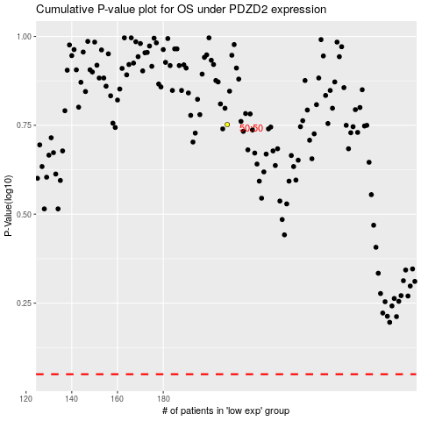

 |  |  |  |  |  | cases_OS | p_OS | rank | exp
 |  |  |  |  |  |  | cases_RFS | p_RFS | rank | exp

