PDZD8 _multivariate
Reported by Tex Li-Hsing Chi. tex@gate.sinica.edu.tw 2019-08-17

Table 2. The clinicopathological features of HNSCC cohort and PDZD8 expression. (Chi square test)
Cutoff at -0.069 (50.0%)
 |  | PDZD8 expression |  | PDZD8 expression |  | (Optimised)
 | Features | Low | (%) | High | (%) | Case no | P-value | Remark | Matthews
Gender | Female | 157 | 37.8 | 149 | 35.9 | 415 | 0.3881 | 0 | 0
2 | Male | 50 | 12 | 59 | 14.2
Age at diagnosis | <=65y | 138 | 33.3 | 136 | 32.8 | 415 | 0.8634 | 0 | 0
4 | >65y | 69 | 16.6 | 72 | 17.3
Clinical T Status | T1+T2 | 77 | 18.6 | 72 | 17.3 | 415 | 0.6556 | 0 | 0
6 | T3+T4 | 130 | 31.3 | 136 | 32.8
Clinical N Status | N0 | 111 | 26.7 | 105 | 25.3 | 415 | 0.5875 | 0 | 0
8 | N1-3 | 96 | 23.1 | 103 | 24.8
Clinical M Status | M0 | 205 | 49.4 | 207 | 49.9 | 415 | 0.6232 | 0 | 0
10 | M1 | 2 | 0.5 | 1 | 0.2
Clinical Stage | Stage I+II | 47 | 11.3 | 55 | 13.3 | 415 | 0.4413 | 0 | 0
12 | Stage III+IV | 160 | 38.6 | 153 | 36.9
Surgical Margin status | Negative | 150 | 36.1 | 168 | 40.5 | 415 | 0.0492 | 1 | 0
14 | Positive | 57 | 13.7 | 40 | 9.6
Tobacco Exposure | Low | 77 | 18.6 | 84 | 20.2 | 415 | 0.5459 | 0 | 0
16 | High | 130 | 31.3 | 124 | 29.9

Table 3. Univariate/Multivariate Cox's proportional hazards regression analyses on OS time of PDZD8 gene expression in HNSCC

 |  | Univariate |  |  |  | Multivariate
 | Features | HR | CI95%(L) | CI95%(H) | P-value | HR | CI95%(L) | CI95%(H) | P-value
1 | Female | 1 |  |  |  | 1
Gender | Male | 1.157 | 0.843 | 1.587 | 0.367 | 1.202 | 0.862 | 1.677 | 0.278
11 | <=65y | 1 |  |  |  | 1
Age at diagnosis | >65y | 1.329 | 0.99 | 1.784 | 0.058 | 1.395 | 1.026 | 1.897 | 0.034
12 | T1+T2 | 1 |  |  |  | 1
Clinical T Status | T3+T4 | 1.409 | 1.028 | 1.931 | 0.033 | 2.15 | 1.134 | 4.074 | 0.019
13 | N0 | 1 |  |  |  | 1
Clinical N Status | N1-3 | 1.185 | 0.89 | 1.577 | 0.246 | 1.222 | 0.855 | 1.745 | 0.272
14 | M0 | 1 |  |  |  | 1
Clinical M Status | M1 | 4.097 | 1.009 | 16.644 | 0.049 | 9.424 | 2.056 | 43.204 | 0.004
15 | Stage I+II | 1 |  |  |  | 1
Clinical Stage | Stage III+IV | 1.245 | 0.882 | 1.759 | 0.213 | 0.522 | 0.243 | 1.125 | 0.097
16 | Negative | 1 |  |  |  | 1
Surgical Margin status | Positive | 1.591 | 1.155 | 2.191 | 0.004 | 1.719 | 1.237 | 2.389 | 0.001
17 | Low | 1 |  |  |  | 1
Tobacco Exposure | High | 1.364 | 1.008 | 1.844 | 0.044 | 1.458 | 1.059 | 2.008 | 0.021
18 | Low | 1 |  |  |  | 1
RNAseq(z-score) | High | 1.091 | 0.819 | 1.452 | 0.552 | 1.151 | 0.858 | 1.543 | 0.347

Table 4. Univariate/Multivariate Cox's proportional hazards regression analyses on RFS time of PDZD8 gene expression in HNSCC

 |  | Univariate |  |  |  | Multivariate
 | Features | HR | CI95%(L) | CI95%(H) | P-value | HR | CI95%(L) | CI95%(H) | P-value
1 | Female | 1 |  |  |  | 1
Gender | Male | 1.157 | 0.843 | 1.587 | 0.367 | 1.202 | 0.862 | 1.677 | 0.278
11 | <=65y | 1 |  |  |  | 1
Age at diagnosis | >65y | 1.329 | 0.99 | 1.784 | 0.058 | 1.395 | 1.026 | 1.897 | 0.034
12 | T1+T2 | 1 |  |  |  | 1
Clinical T Status | T3+T4 | 1.409 | 1.028 | 1.931 | 0.033 | 2.15 | 1.134 | 4.074 | 0.019
13 | N0 | 1 |  |  |  | 1
Clinical N Status | N1-3 | 1.185 | 0.89 | 1.577 | 0.246 | 1.222 | 0.855 | 1.745 | 0.272
14 | M0 | 1 |  |  |  | 1
Clinical M Status | M1 | 4.097 | 1.009 | 16.644 | 0.049 | 9.424 | 2.056 | 43.204 | 0.004
15 | Stage I+II | 1 |  |  |  | 1
Clinical Stage | Stage III+IV | 1.245 | 0.882 | 1.759 | 0.213 | 0.522 | 0.243 | 1.125 | 0.097
16 | Negative | 1 |  |  |  | 1
Surgical Margin status | Positive | 1.591 | 1.155 | 2.191 | 0.004 | 1.719 | 1.237 | 2.389 | 0.001
17 | Low | 1 |  |  |  | 1
Tobacco Exposure | High | 1.364 | 1.008 | 1.844 | 0.044 | 1.458 | 1.059 | 2.008 | 0.021
18 | Low | 1 |  |  |  | 1
RNAseq(z-score) | High | 1.091 | 0.819 | 1.452 | 0.552 | 1.151 | 0.858 | 1.543 | 0.347

Kaplan-Meier survival estimate: Cutoff at -0.069 (50.0%)



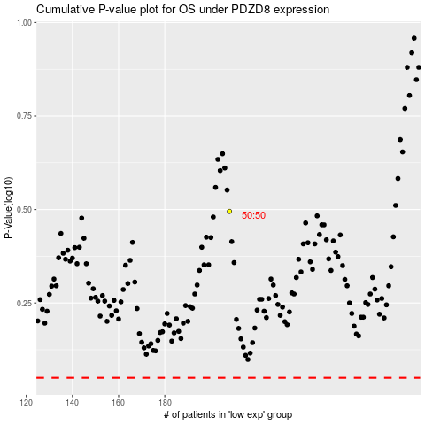

 |  |  |  |  |  | cases_OS | p_OS | rank | exp
 |  |  |  |  |  |  | cases_RFS | p_RFS | rank | exp

