PDZK1IP1 _multivariate
Reported by Tex Li-Hsing Chi. tex@gate.sinica.edu.tw 2019-08-17

Table 2. The clinicopathological features of HNSCC cohort and PDZK1IP1 expression. (Chi square test)
Cutoff at -0.067 (61.1%)
 |  | PDZK1IP1 expression |  | PDZK1IP1 expression |  | (Optimised)
 | Features | Low | (%) | High | (%) | Case no | P-value | Remark | Matthews
Gender | Female | 201 | 48.4 | 105 | 25.3 | 415 | 0.0014 | 1 | 0
2 | Male | 52 | 12.5 | 57 | 13.7
Age at diagnosis | <=65y | 172 | 41.4 | 102 | 24.6 | 415 | 0.3435 | 0 | 0
4 | >65y | 81 | 19.5 | 60 | 14.5
Clinical T Status | T1+T2 | 88 | 21.2 | 61 | 14.7 | 415 | 0.6241 | 0 | 0
6 | T3+T4 | 165 | 39.8 | 101 | 24.3
Clinical N Status | N0 | 125 | 30.1 | 91 | 21.9 | 415 | 0.2131 | 0 | 0
8 | N1-3 | 128 | 30.8 | 71 | 17.1
Clinical M Status | M0 | 252 | 60.7 | 160 | 38.6 | 415 | 0.5633 | 0 | 0
10 | M1 | 1 | 0.2 | 2 | 0.5
Clinical Stage | Stage I+II | 58 | 14 | 44 | 10.6 | 415 | 0.3894 | 0 | 0
12 | Stage III+IV | 195 | 47 | 118 | 28.4
Surgical Margin status | Negative | 189 | 45.5 | 129 | 31.1 | 415 | 0.285 | 0 | 0
14 | Positive | 64 | 15.4 | 33 | 8
Tobacco Exposure | Low | 90 | 21.7 | 71 | 17.1 | 415 | 0.0992 | 0 | 0
16 | High | 163 | 39.3 | 91 | 21.9

Table 3. Univariate/Multivariate Cox's proportional hazards regression analyses on OS time of PDZK1IP1 gene expression in HNSCC

 |  | Univariate |  |  |  | Multivariate
 | Features | HR | CI95%(L) | CI95%(H) | P-value | HR | CI95%(L) | CI95%(H) | P-value
1 | Female | 1 |  |  |  | 1
Gender | Male | 1.157 | 0.843 | 1.587 | 0.367 | 1.294 | 0.92 | 1.82 | 0.138
11 | <=65y | 1 |  |  |  | 1
Age at diagnosis | >65y | 1.329 | 0.99 | 1.784 | 0.058 | 1.422 | 1.045 | 1.934 | 0.025
12 | T1+T2 | 1 |  |  |  | 1
Clinical T Status | T3+T4 | 1.409 | 1.028 | 1.931 | 0.033 | 2.188 | 1.157 | 4.138 | 0.016
13 | N0 | 1 |  |  |  | 1
Clinical N Status | N1-3 | 1.185 | 0.89 | 1.577 | 0.246 | 1.212 | 0.849 | 1.731 | 0.29
14 | M0 | 1 |  |  |  | 1
Clinical M Status | M1 | 4.097 | 1.009 | 16.644 | 0.049 | 11.208 | 2.426 | 51.784 | 0.002
15 | Stage I+II | 1 |  |  |  | 1
Clinical Stage | Stage III+IV | 1.245 | 0.882 | 1.759 | 0.213 | 0.509 | 0.237 | 1.093 | 0.083
16 | Negative | 1 |  |  |  | 1
Surgical Margin status | Positive | 1.591 | 1.155 | 2.191 | 0.004 | 1.68 | 1.216 | 2.322 | 0.002
17 | Low | 1 |  |  |  | 1
Tobacco Exposure | High | 1.364 | 1.008 | 1.844 | 0.044 | 1.445 | 1.049 | 1.991 | 0.024
18 | Low | 1 |  |  |  | 1
RNAseq(z-score) | High | 0.739 | 0.545 | 1.001 | 0.051 | 0.697 | 0.51 | 0.954 | 0.024

Table 4. Univariate/Multivariate Cox's proportional hazards regression analyses on RFS time of PDZK1IP1 gene expression in HNSCC

 |  | Univariate |  |  |  | Multivariate
 | Features | HR | CI95%(L) | CI95%(H) | P-value | HR | CI95%(L) | CI95%(H) | P-value
1 | Female | 1 |  |  |  | 1
Gender | Male | 1.157 | 0.843 | 1.587 | 0.367 | 1.294 | 0.92 | 1.82 | 0.138
11 | <=65y | 1 |  |  |  | 1
Age at diagnosis | >65y | 1.329 | 0.99 | 1.784 | 0.058 | 1.422 | 1.045 | 1.934 | 0.025
12 | T1+T2 | 1 |  |  |  | 1
Clinical T Status | T3+T4 | 1.409 | 1.028 | 1.931 | 0.033 | 2.188 | 1.157 | 4.138 | 0.016
13 | N0 | 1 |  |  |  | 1
Clinical N Status | N1-3 | 1.185 | 0.89 | 1.577 | 0.246 | 1.212 | 0.849 | 1.731 | 0.29
14 | M0 | 1 |  |  |  | 1
Clinical M Status | M1 | 4.097 | 1.009 | 16.644 | 0.049 | 11.208 | 2.426 | 51.784 | 0.002
15 | Stage I+II | 1 |  |  |  | 1
Clinical Stage | Stage III+IV | 1.245 | 0.882 | 1.759 | 0.213 | 0.509 | 0.237 | 1.093 | 0.083
16 | Negative | 1 |  |  |  | 1
Surgical Margin status | Positive | 1.591 | 1.155 | 2.191 | 0.004 | 1.68 | 1.216 | 2.322 | 0.002
17 | Low | 1 |  |  |  | 1
Tobacco Exposure | High | 1.364 | 1.008 | 1.844 | 0.044 | 1.445 | 1.049 | 1.991 | 0.024
18 | Low | 1 |  |  |  | 1
RNAseq(z-score) | High | 0.739 | 0.545 | 1.001 | 0.051 | 0.697 | 0.51 | 0.954 | 0.024

Kaplan-Meier survival estimate: Cutoff at -0.067 (61.1%)



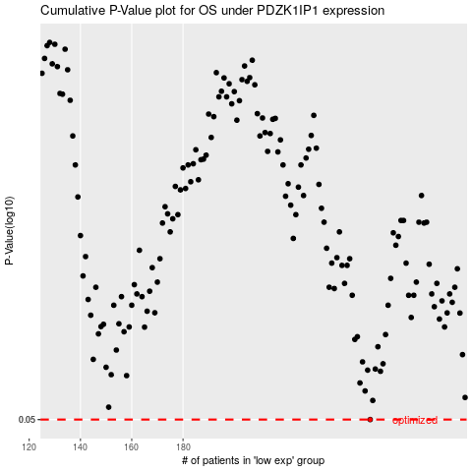

 |  |  |  |  |  | cases_OS | p_OS | rank | exp
 |  |  |  |  |  | 253 | 0.05 | 354 | -0.06702434206
 |  |  |  |  |  |  | cases_RFS | p_RFS | rank | exp
 |  |  |  |  |  |  | 252 | 0.05 | 43 | -0.068522882303

