PDZK1P1 _multivariate
Reported by Tex Li-Hsing Chi. tex@gate.sinica.edu.tw 2019-08-17

Table 2. The clinicopathological features of HNSCC cohort and PDZK1P1 expression. (Chi square test)
Cutoff at 0.019 (66.7%)
 |  | PDZK1P1 expression |  | PDZK1P1 expression |  | (Optimised)
 | Features | Low | (%) | High | (%) | Case no | P-value | Remark | Matthews
Gender | Female | 204 | 49.2 | 102 | 24.6 | 415 | 1 | 0 | 0
2 | Male | 73 | 17.6 | 36 | 8.7
Age at diagnosis | <=65y | 176 | 42.4 | 98 | 23.6 | 415 | 0.16 | 0 | 0
4 | >65y | 101 | 24.3 | 40 | 9.6
Clinical T Status | T1+T2 | 95 | 22.9 | 54 | 13 | 415 | 0.3906 | 0 | 0
6 | T3+T4 | 182 | 43.9 | 84 | 20.2
Clinical N Status | N0 | 140 | 33.7 | 76 | 18.3 | 415 | 0.4436 | 0 | 0
8 | N1-3 | 137 | 33 | 62 | 14.9
Clinical M Status | M0 | 275 | 66.3 | 137 | 33 | 415 | 1 | 0 | 0
10 | M1 | 2 | 0.5 | 1 | 0.2
Clinical Stage | Stage I+II | 65 | 15.7 | 37 | 8.9 | 415 | 0.5321 | 0 | 0
12 | Stage III+IV | 212 | 51.1 | 101 | 24.3
Surgical Margin status | Negative | 210 | 50.6 | 108 | 26 | 415 | 0.6237 | 0 | 0
14 | Positive | 67 | 16.1 | 30 | 7.2
Tobacco Exposure | Low | 108 | 26 | 53 | 12.8 | 415 | 1 | 0 | 0
16 | High | 169 | 40.7 | 85 | 20.5

Table 3. Univariate/Multivariate Cox's proportional hazards regression analyses on OS time of PDZK1P1 gene expression in HNSCC

 |  | Univariate |  |  |  | Multivariate
 | Features | HR | CI95%(L) | CI95%(H) | P-value | HR | CI95%(L) | CI95%(H) | P-value
1 | Female | 1 |  |  |  | 1
Gender | Male | 1.157 | 0.843 | 1.587 | 0.367 | 1.18 | 0.844 | 1.65 | 0.332
11 | <=65y | 1 |  |  |  | 1
Age at diagnosis | >65y | 1.329 | 0.99 | 1.784 | 0.058 | 1.38 | 1.015 | 1.877 | 0.04
12 | T1+T2 | 1 |  |  |  | 1
Clinical T Status | T3+T4 | 1.409 | 1.028 | 1.931 | 0.033 | 2.133 | 1.126 | 4.041 | 0.02
13 | N0 | 1 |  |  |  | 1
Clinical N Status | N1-3 | 1.185 | 0.89 | 1.577 | 0.246 | 1.238 | 0.867 | 1.766 | 0.24
14 | M0 | 1 |  |  |  | 1
Clinical M Status | M1 | 4.097 | 1.009 | 16.644 | 0.049 | 8.82 | 1.921 | 40.506 | 0.005
15 | Stage I+II | 1 |  |  |  | 1
Clinical Stage | Stage III+IV | 1.245 | 0.882 | 1.759 | 0.213 | 0.519 | 0.241 | 1.116 | 0.093
16 | Negative | 1 |  |  |  | 1
Surgical Margin status | Positive | 1.591 | 1.155 | 2.191 | 0.004 | 1.652 | 1.196 | 2.283 | 0.002
17 | Low | 1 |  |  |  | 1
Tobacco Exposure | High | 1.364 | 1.008 | 1.844 | 0.044 | 1.451 | 1.053 | 1.999 | 0.023
18 | Low | 1 |  |  |  | 1
RNAseq(z-score) | High | 0.72 | 0.522 | 0.995 | 0.046 | 0.779 | 0.563 | 1.078 | 0.132

Table 4. Univariate/Multivariate Cox's proportional hazards regression analyses on RFS time of PDZK1P1 gene expression in HNSCC

 |  | Univariate |  |  |  | Multivariate
 | Features | HR | CI95%(L) | CI95%(H) | P-value | HR | CI95%(L) | CI95%(H) | P-value
1 | Female | 1 |  |  |  | 1
Gender | Male | 1.157 | 0.843 | 1.587 | 0.367 | 1.18 | 0.844 | 1.65 | 0.332
11 | <=65y | 1 |  |  |  | 1
Age at diagnosis | >65y | 1.329 | 0.99 | 1.784 | 0.058 | 1.38 | 1.015 | 1.877 | 0.04
12 | T1+T2 | 1 |  |  |  | 1
Clinical T Status | T3+T4 | 1.409 | 1.028 | 1.931 | 0.033 | 2.133 | 1.126 | 4.041 | 0.02
13 | N0 | 1 |  |  |  | 1
Clinical N Status | N1-3 | 1.185 | 0.89 | 1.577 | 0.246 | 1.238 | 0.867 | 1.766 | 0.24
14 | M0 | 1 |  |  |  | 1
Clinical M Status | M1 | 4.097 | 1.009 | 16.644 | 0.049 | 8.82 | 1.921 | 40.506 | 0.005
15 | Stage I+II | 1 |  |  |  | 1
Clinical Stage | Stage III+IV | 1.245 | 0.882 | 1.759 | 0.213 | 0.519 | 0.241 | 1.116 | 0.093
16 | Negative | 1 |  |  |  | 1
Surgical Margin status | Positive | 1.591 | 1.155 | 2.191 | 0.004 | 1.652 | 1.196 | 2.283 | 0.002
17 | Low | 1 |  |  |  | 1
Tobacco Exposure | High | 1.364 | 1.008 | 1.844 | 0.044 | 1.451 | 1.053 | 1.999 | 0.023
18 | Low | 1 |  |  |  | 1
RNAseq(z-score) | High | 0.72 | 0.522 | 0.995 | 0.046 | 0.779 | 0.563 | 1.078 | 0.132

Kaplan-Meier survival estimate: Cutoff at 0.019 (66.7%)



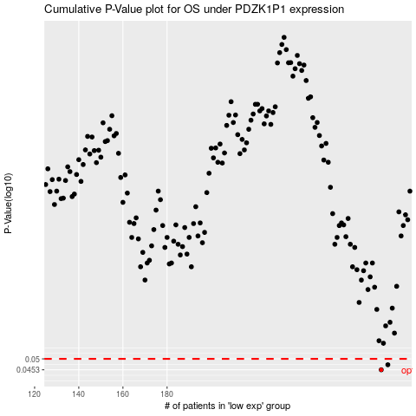

 |  |  |  |  |  | cases_OS | p_OS | rank | exp
 |  |  |  |  |  | 277 | 0.0453 | 397 | 0.01905226549
 |  |  |  |  |  | 280 | 0.0474 | 232 | 0.028968177255
 |  |  |  |  |  |  | cases_RFS | p_RFS | rank | exp
 |  |  |  |  |  |  | 276 | 0.0453 | 284 | 0.0087224067452
 |  |  |  |  |  |  | 279 | 0.0474 | 281 | 0.02789567826

