PDZRN4 _multivariate
Reported by Tex Li-Hsing Chi. tex@gate.sinica.edu.tw 2019-08-17

Table 2. The clinicopathological features of HNSCC cohort and PDZRN4 expression. (Chi square test)
Cutoff at -0.313 (49.8%)
 |  | PDZRN4 expression |  | PDZRN4 expression |  | (Optimised)
 | Features | Low | (%) | High | (%) | Case no | P-value | Remark | Matthews
Gender | Female | 158 | 38.1 | 148 | 35.7 | 415 | 0.2774 | 0 | 0
2 | Male | 49 | 11.8 | 60 | 14.5
Age at diagnosis | <=65y | 142 | 34.2 | 132 | 31.8 | 415 | 0.3167 | 0 | 0
4 | >65y | 65 | 15.7 | 76 | 18.3
Clinical T Status | T1+T2 | 80 | 19.3 | 69 | 16.6 | 415 | 0.2891 | 0 | 0
6 | T3+T4 | 127 | 30.6 | 139 | 33.5
Clinical N Status | N0 | 101 | 24.3 | 115 | 27.7 | 415 | 0.2201 | 0 | 0
8 | N1-3 | 106 | 25.5 | 93 | 22.4
Clinical M Status | M0 | 204 | 49.2 | 208 | 50.1 | 415 | 0.1232 | 0 | 0
10 | M1 | 3 | 0.7 | 0 | 0
Clinical Stage | Stage I+II | 49 | 11.8 | 53 | 12.8 | 415 | 0.7535 | 0 | 0
12 | Stage III+IV | 158 | 38.1 | 155 | 37.3
Surgical Margin status | Negative | 161 | 38.8 | 157 | 37.8 | 415 | 0.6429 | 0 | 0
14 | Positive | 46 | 11.1 | 51 | 12.3
Tobacco Exposure | Low | 87 | 21 | 74 | 17.8 | 415 | 0.1911 | 0 | 0
16 | High | 120 | 28.9 | 134 | 32.3

Table 3. Univariate/Multivariate Cox's proportional hazards regression analyses on OS time of PDZRN4 gene expression in HNSCC

 |  | Univariate |  |  |  | Multivariate
 | Features | HR | CI95%(L) | CI95%(H) | P-value | HR | CI95%(L) | CI95%(H) | P-value
1 | Female | 1 |  |  |  | 1
Gender | Male | 1.157 | 0.843 | 1.587 | 0.367 | 1.203 | 0.861 | 1.681 | 0.279
11 | <=65y | 1 |  |  |  | 1
Age at diagnosis | >65y | 1.329 | 0.99 | 1.784 | 0.058 | 1.39 | 1.022 | 1.889 | 0.036
12 | T1+T2 | 1 |  |  |  | 1
Clinical T Status | T3+T4 | 1.409 | 1.028 | 1.931 | 0.033 | 2.216 | 1.17 | 4.198 | 0.015
13 | N0 | 1 |  |  |  | 1
Clinical N Status | N1-3 | 1.185 | 0.89 | 1.577 | 0.246 | 1.241 | 0.87 | 1.77 | 0.234
14 | M0 | 1 |  |  |  | 1
Clinical M Status | M1 | 4.097 | 1.009 | 16.644 | 0.049 | 9.27 | 2.015 | 42.656 | 0.004
15 | Stage I+II | 1 |  |  |  | 1
Clinical Stage | Stage III+IV | 1.245 | 0.882 | 1.759 | 0.213 | 0.503 | 0.234 | 1.08 | 0.078
16 | Negative | 1 |  |  |  | 1
Surgical Margin status | Positive | 1.591 | 1.155 | 2.191 | 0.004 | 1.672 | 1.21 | 2.31 | 0.002
17 | Low | 1 |  |  |  | 1
Tobacco Exposure | High | 1.364 | 1.008 | 1.844 | 0.044 | 1.455 | 1.056 | 2.005 | 0.022
18 | Low | 1 |  |  |  | 1
RNAseq(z-score) | High | 1.001 | 0.752 | 1.333 | 0.993 | 0.962 | 0.72 | 1.286 | 0.793

Table 4. Univariate/Multivariate Cox's proportional hazards regression analyses on RFS time of PDZRN4 gene expression in HNSCC

 |  | Univariate |  |  |  | Multivariate
 | Features | HR | CI95%(L) | CI95%(H) | P-value | HR | CI95%(L) | CI95%(H) | P-value
1 | Female | 1 |  |  |  | 1
Gender | Male | 1.157 | 0.843 | 1.587 | 0.367 | 1.203 | 0.861 | 1.681 | 0.279
11 | <=65y | 1 |  |  |  | 1
Age at diagnosis | >65y | 1.329 | 0.99 | 1.784 | 0.058 | 1.39 | 1.022 | 1.889 | 0.036
12 | T1+T2 | 1 |  |  |  | 1
Clinical T Status | T3+T4 | 1.409 | 1.028 | 1.931 | 0.033 | 2.216 | 1.17 | 4.198 | 0.015
13 | N0 | 1 |  |  |  | 1
Clinical N Status | N1-3 | 1.185 | 0.89 | 1.577 | 0.246 | 1.241 | 0.87 | 1.77 | 0.234
14 | M0 | 1 |  |  |  | 1
Clinical M Status | M1 | 4.097 | 1.009 | 16.644 | 0.049 | 9.27 | 2.015 | 42.656 | 0.004
15 | Stage I+II | 1 |  |  |  | 1
Clinical Stage | Stage III+IV | 1.245 | 0.882 | 1.759 | 0.213 | 0.503 | 0.234 | 1.08 | 0.078
16 | Negative | 1 |  |  |  | 1
Surgical Margin status | Positive | 1.591 | 1.155 | 2.191 | 0.004 | 1.672 | 1.21 | 2.31 | 0.002
17 | Low | 1 |  |  |  | 1
Tobacco Exposure | High | 1.364 | 1.008 | 1.844 | 0.044 | 1.455 | 1.056 | 2.005 | 0.022
18 | Low | 1 |  |  |  | 1
RNAseq(z-score) | High | 1.001 | 0.752 | 1.333 | 0.993 | 0.962 | 0.72 | 1.286 | 0.793

Kaplan-Meier survival estimate: Cutoff at -0.313 (49.8%)



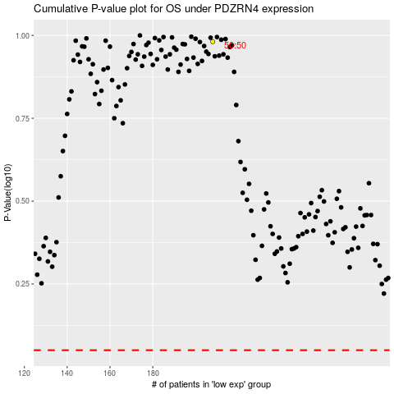

 |  |  |  |  |  | cases_OS | p_OS | rank | exp
 |  |  |  |  |  |  | cases_RFS | p_RFS | rank | exp

