PEA15 _multivariate
Reported by Tex Li-Hsing Chi. tex@gate.sinica.edu.tw 2019-08-17

Table 2. The clinicopathological features of HNSCC cohort and PEA15 expression. (Chi square test)
Cutoff at -0.196 (50.0%)
 |  | PEA15 expression |  | PEA15 expression |  | (Optimised)
 | Features | Low | (%) | High | (%) | Case no | P-value | Remark | Matthews
Gender | Female | 162 | 39 | 144 | 34.7 | 415 | 0.0479 | 1 | 0
2 | Male | 45 | 10.8 | 64 | 15.4
Age at diagnosis | <=65y | 142 | 34.2 | 132 | 31.8 | 415 | 0.3167 | 0 | 0
4 | >65y | 65 | 15.7 | 76 | 18.3
Clinical T Status | T1+T2 | 81 | 19.5 | 68 | 16.4 | 415 | 0.206 | 0 | 0
6 | T3+T4 | 126 | 30.4 | 140 | 33.7
Clinical N Status | N0 | 104 | 25.1 | 112 | 27 | 415 | 0.5243 | 0 | 0
8 | N1-3 | 103 | 24.8 | 96 | 23.1
Clinical M Status | M0 | 204 | 49.2 | 208 | 50.1 | 415 | 0.1232 | 0 | 0
10 | M1 | 3 | 0.7 | 0 | 0
Clinical Stage | Stage I+II | 51 | 12.3 | 51 | 12.3 | 415 | 1 | 0 | 0
12 | Stage III+IV | 156 | 37.6 | 157 | 37.8
Surgical Margin status | Negative | 158 | 38.1 | 160 | 38.6 | 415 | 0.9081 | 0 | 0
14 | Positive | 49 | 11.8 | 48 | 11.6
Tobacco Exposure | Low | 68 | 16.4 | 93 | 22.4 | 415 | 0.0156 | 1 | 0
16 | High | 139 | 33.5 | 115 | 27.7

Table 3. Univariate/Multivariate Cox's proportional hazards regression analyses on OS time of PEA15 gene expression in HNSCC

 |  | Univariate |  |  |  | Multivariate
 | Features | HR | CI95%(L) | CI95%(H) | P-value | HR | CI95%(L) | CI95%(H) | P-value
1 | Female | 1 |  |  |  | 1
Gender | Male | 1.157 | 0.843 | 1.587 | 0.367 | 1.15 | 0.821 | 1.61 | 0.416
11 | <=65y | 1 |  |  |  | 1
Age at diagnosis | >65y | 1.329 | 0.99 | 1.784 | 0.058 | 1.4 | 1.031 | 1.902 | 0.031
12 | T1+T2 | 1 |  |  |  | 1
Clinical T Status | T3+T4 | 1.409 | 1.028 | 1.931 | 0.033 | 2.129 | 1.125 | 4.028 | 0.02
13 | N0 | 1 |  |  |  | 1
Clinical N Status | N1-3 | 1.185 | 0.89 | 1.577 | 0.246 | 1.269 | 0.889 | 1.811 | 0.189
14 | M0 | 1 |  |  |  | 1
Clinical M Status | M1 | 4.097 | 1.009 | 16.644 | 0.049 | 10.293 | 2.238 | 47.341 | 0.003
15 | Stage I+II | 1 |  |  |  | 1
Clinical Stage | Stage III+IV | 1.245 | 0.882 | 1.759 | 0.213 | 0.516 | 0.24 | 1.109 | 0.09
16 | Negative | 1 |  |  |  | 1
Surgical Margin status | Positive | 1.591 | 1.155 | 2.191 | 0.004 | 1.629 | 1.178 | 2.252 | 0.003
17 | Low | 1 |  |  |  | 1
Tobacco Exposure | High | 1.364 | 1.008 | 1.844 | 0.044 | 1.489 | 1.081 | 2.052 | 0.015
18 | Low | 1 |  |  |  | 1
RNAseq(z-score) | High | 1.262 | 0.946 | 1.683 | 0.114 | 1.299 | 0.964 | 1.752 | 0.086

Table 4. Univariate/Multivariate Cox's proportional hazards regression analyses on RFS time of PEA15 gene expression in HNSCC

 |  | Univariate |  |  |  | Multivariate
 | Features | HR | CI95%(L) | CI95%(H) | P-value | HR | CI95%(L) | CI95%(H) | P-value
1 | Female | 1 |  |  |  | 1
Gender | Male | 1.157 | 0.843 | 1.587 | 0.367 | 1.15 | 0.821 | 1.61 | 0.416
11 | <=65y | 1 |  |  |  | 1
Age at diagnosis | >65y | 1.329 | 0.99 | 1.784 | 0.058 | 1.4 | 1.031 | 1.902 | 0.031
12 | T1+T2 | 1 |  |  |  | 1
Clinical T Status | T3+T4 | 1.409 | 1.028 | 1.931 | 0.033 | 2.129 | 1.125 | 4.028 | 0.02
13 | N0 | 1 |  |  |  | 1
Clinical N Status | N1-3 | 1.185 | 0.89 | 1.577 | 0.246 | 1.269 | 0.889 | 1.811 | 0.189
14 | M0 | 1 |  |  |  | 1
Clinical M Status | M1 | 4.097 | 1.009 | 16.644 | 0.049 | 10.293 | 2.238 | 47.341 | 0.003
15 | Stage I+II | 1 |  |  |  | 1
Clinical Stage | Stage III+IV | 1.245 | 0.882 | 1.759 | 0.213 | 0.516 | 0.24 | 1.109 | 0.09
16 | Negative | 1 |  |  |  | 1
Surgical Margin status | Positive | 1.591 | 1.155 | 2.191 | 0.004 | 1.629 | 1.178 | 2.252 | 0.003
17 | Low | 1 |  |  |  | 1
Tobacco Exposure | High | 1.364 | 1.008 | 1.844 | 0.044 | 1.489 | 1.081 | 2.052 | 0.015
18 | Low | 1 |  |  |  | 1
RNAseq(z-score) | High | 1.262 | 0.946 | 1.683 | 0.114 | 1.299 | 0.964 | 1.752 | 0.086

Kaplan-Meier survival estimate: Cutoff at -0.196 (50.0%)



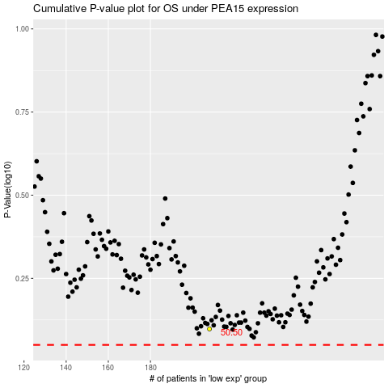

 |  |  |  |  |  | cases_OS | p_OS | rank | exp
 |  |  |  |  |  |  | cases_RFS | p_RFS | rank | exp

