PEAR1 _multivariate
Reported by Tex Li-Hsing Chi. tex@gate.sinica.edu.tw 2019-08-17

Table 2. The clinicopathological features of HNSCC cohort and PEAR1 expression. (Chi square test)
Cutoff at -0.144 (50.0%)
 |  | PEAR1 expression |  | PEAR1 expression |  | (Optimised)
 | Features | Low | (%) | High | (%) | Case no | P-value | Remark | Matthews
Gender | Female | 148 | 35.7 | 158 | 38.1 | 415 | 0.3567 | 0 | 0
2 | Male | 59 | 14.2 | 50 | 12
Age at diagnosis | <=65y | 129 | 31.1 | 145 | 34.9 | 415 | 0.1372 | 0 | 0
4 | >65y | 78 | 18.8 | 63 | 15.2
Clinical T Status | T1+T2 | 79 | 19 | 70 | 16.9 | 415 | 0.3924 | 0 | 0
6 | T3+T4 | 128 | 30.8 | 138 | 33.3
Clinical N Status | N0 | 112 | 27 | 104 | 25.1 | 415 | 0.4599 | 0 | 0
8 | N1-3 | 95 | 22.9 | 104 | 25.1
Clinical M Status | M0 | 206 | 49.6 | 206 | 49.6 | 415 | 1 | 0 | 0
10 | M1 | 1 | 0.2 | 2 | 0.5
Clinical Stage | Stage I+II | 51 | 12.3 | 51 | 12.3 | 415 | 1 | 0 | 0
12 | Stage III+IV | 156 | 37.6 | 157 | 37.8
Surgical Margin status | Negative | 151 | 36.4 | 167 | 40.2 | 415 | 0.0828 | 0 | 0
14 | Positive | 56 | 13.5 | 41 | 9.9
Tobacco Exposure | Low | 83 | 20 | 78 | 18.8 | 415 | 0.6152 | 0 | 0
16 | High | 124 | 29.9 | 130 | 31.3

Table 3. Univariate/Multivariate Cox's proportional hazards regression analyses on OS time of PEAR1 gene expression in HNSCC

 |  | Univariate |  |  |  | Multivariate
 | Features | HR | CI95%(L) | CI95%(H) | P-value | HR | CI95%(L) | CI95%(H) | P-value
1 | Female | 1 |  |  |  | 1
Gender | Male | 1.157 | 0.843 | 1.587 | 0.367 | 1.199 | 0.858 | 1.676 | 0.288
11 | <=65y | 1 |  |  |  | 1
Age at diagnosis | >65y | 1.329 | 0.99 | 1.784 | 0.058 | 1.392 | 1.024 | 1.892 | 0.035
12 | T1+T2 | 1 |  |  |  | 1
Clinical T Status | T3+T4 | 1.409 | 1.028 | 1.931 | 0.033 | 2.212 | 1.168 | 4.191 | 0.015
13 | N0 | 1 |  |  |  | 1
Clinical N Status | N1-3 | 1.185 | 0.89 | 1.577 | 0.246 | 1.243 | 0.871 | 1.774 | 0.231
14 | M0 | 1 |  |  |  | 1
Clinical M Status | M1 | 4.097 | 1.009 | 16.644 | 0.049 | 9.509 | 2.065 | 43.796 | 0.004
15 | Stage I+II | 1 |  |  |  | 1
Clinical Stage | Stage III+IV | 1.245 | 0.882 | 1.759 | 0.213 | 0.502 | 0.233 | 1.079 | 0.078
16 | Negative | 1 |  |  |  | 1
Surgical Margin status | Positive | 1.591 | 1.155 | 2.191 | 0.004 | 1.667 | 1.205 | 2.307 | 0.002
17 | Low | 1 |  |  |  | 1
Tobacco Exposure | High | 1.364 | 1.008 | 1.844 | 0.044 | 1.45 | 1.052 | 1.999 | 0.023
18 | Low | 1 |  |  |  | 1
RNAseq(z-score) | High | 0.953 | 0.715 | 1.27 | 0.741 | 0.974 | 0.728 | 1.303 | 0.859

Table 4. Univariate/Multivariate Cox's proportional hazards regression analyses on RFS time of PEAR1 gene expression in HNSCC

 |  | Univariate |  |  |  | Multivariate
 | Features | HR | CI95%(L) | CI95%(H) | P-value | HR | CI95%(L) | CI95%(H) | P-value
1 | Female | 1 |  |  |  | 1
Gender | Male | 1.157 | 0.843 | 1.587 | 0.367 | 1.199 | 0.858 | 1.676 | 0.288
11 | <=65y | 1 |  |  |  | 1
Age at diagnosis | >65y | 1.329 | 0.99 | 1.784 | 0.058 | 1.392 | 1.024 | 1.892 | 0.035
12 | T1+T2 | 1 |  |  |  | 1
Clinical T Status | T3+T4 | 1.409 | 1.028 | 1.931 | 0.033 | 2.212 | 1.168 | 4.191 | 0.015
13 | N0 | 1 |  |  |  | 1
Clinical N Status | N1-3 | 1.185 | 0.89 | 1.577 | 0.246 | 1.243 | 0.871 | 1.774 | 0.231
14 | M0 | 1 |  |  |  | 1
Clinical M Status | M1 | 4.097 | 1.009 | 16.644 | 0.049 | 9.509 | 2.065 | 43.796 | 0.004
15 | Stage I+II | 1 |  |  |  | 1
Clinical Stage | Stage III+IV | 1.245 | 0.882 | 1.759 | 0.213 | 0.502 | 0.233 | 1.079 | 0.078
16 | Negative | 1 |  |  |  | 1
Surgical Margin status | Positive | 1.591 | 1.155 | 2.191 | 0.004 | 1.667 | 1.205 | 2.307 | 0.002
17 | Low | 1 |  |  |  | 1
Tobacco Exposure | High | 1.364 | 1.008 | 1.844 | 0.044 | 1.45 | 1.052 | 1.999 | 0.023
18 | Low | 1 |  |  |  | 1
RNAseq(z-score) | High | 0.953 | 0.715 | 1.27 | 0.741 | 0.974 | 0.728 | 1.303 | 0.859

Kaplan-Meier survival estimate: Cutoff at -0.144 (50.0%)

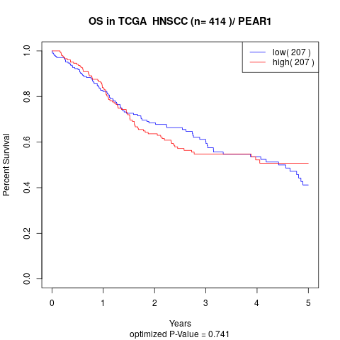

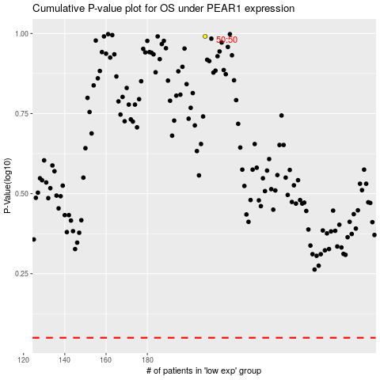

 |  |  |  |  |  | cases_OS | p_OS | rank | exp
 |  |  |  |  |  |  | cases_RFS | p_RFS | rank | exp

