PEBP4 _multivariate
Reported by Tex Li-Hsing Chi. tex@gate.sinica.edu.tw 2019-08-17

Table 2. The clinicopathological features of HNSCC cohort and PEBP4 expression. (Chi square test)
Cutoff at -0.171 (50.0%)
 |  | PEBP4 expression |  | PEBP4 expression |  | (Optimised)
 | Features | Low | (%) | High | (%) | Case no | P-value | Remark | Matthews
Gender | Female | 148 | 35.7 | 158 | 38.1 | 415 | 0.3567 | 0 | 0
2 | Male | 59 | 14.2 | 50 | 12
Age at diagnosis | <=65y | 130 | 31.3 | 144 | 34.7 | 415 | 0.2009 | 0 | 0
4 | >65y | 77 | 18.6 | 64 | 15.4
Clinical T Status | T1+T2 | 68 | 16.4 | 81 | 19.5 | 415 | 0.2336 | 0 | 0
6 | T3+T4 | 139 | 33.5 | 127 | 30.6
Clinical N Status | N0 | 114 | 27.5 | 102 | 24.6 | 415 | 0.2576 | 1 | 0
8 | N1-3 | 93 | 22.4 | 106 | 25.5
Clinical M Status | M0 | 205 | 49.4 | 207 | 49.9 | 415 | 0.6232 | 0 | 0
10 | M1 | 2 | 0.5 | 1 | 0.2
Clinical Stage | Stage I+II | 45 | 10.8 | 57 | 13.7 | 415 | 0.2202 | 0 | 0
12 | Stage III+IV | 162 | 39 | 151 | 36.4
Surgical Margin status | Negative | 155 | 37.3 | 163 | 39.3 | 415 | 0.4187 | 0 | 0
14 | Positive | 52 | 12.5 | 45 | 10.8
Tobacco Exposure | Low | 88 | 21.2 | 73 | 17.6 | 415 | 0.1314 | 0 | 0
16 | High | 119 | 28.7 | 135 | 32.5

Table 3. Univariate/Multivariate Cox's proportional hazards regression analyses on OS time of PEBP4 gene expression in HNSCC

 |  | Univariate |  |  |  | Multivariate
 | Features | HR | CI95%(L) | CI95%(H) | P-value | HR | CI95%(L) | CI95%(H) | P-value
1 | Female | 1 |  |  |  | 1
Gender | Male | 1.157 | 0.843 | 1.587 | 0.367 | 1.211 | 0.868 | 1.691 | 0.26
11 | <=65y | 1 |  |  |  | 1
Age at diagnosis | >65y | 1.329 | 0.99 | 1.784 | 0.058 | 1.427 | 1.047 | 1.944 | 0.024
12 | T1+T2 | 1 |  |  |  | 1
Clinical T Status | T3+T4 | 1.409 | 1.028 | 1.931 | 0.033 | 2.184 | 1.155 | 4.129 | 0.016
13 | N0 | 1 |  |  |  | 1
Clinical N Status | N1-3 | 1.185 | 0.89 | 1.577 | 0.246 | 1.222 | 0.856 | 1.746 | 0.27
14 | M0 | 1 |  |  |  | 1
Clinical M Status | M1 | 4.097 | 1.009 | 16.644 | 0.049 | 9.6 | 2.094 | 44.022 | 0.004
15 | Stage I+II | 1 |  |  |  | 1
Clinical Stage | Stage III+IV | 1.245 | 0.882 | 1.759 | 0.213 | 0.524 | 0.243 | 1.126 | 0.098
16 | Negative | 1 |  |  |  | 1
Surgical Margin status | Positive | 1.591 | 1.155 | 2.191 | 0.004 | 1.67 | 1.209 | 2.307 | 0.002
17 | Low | 1 |  |  |  | 1
Tobacco Exposure | High | 1.364 | 1.008 | 1.844 | 0.044 | 1.42 | 1.03 | 1.959 | 0.032
18 | Low | 1 |  |  |  | 1
RNAseq(z-score) | High | 1.173 | 0.878 | 1.565 | 0.28 | 1.212 | 0.901 | 1.631 | 0.203

Table 4. Univariate/Multivariate Cox's proportional hazards regression analyses on RFS time of PEBP4 gene expression in HNSCC

 |  | Univariate |  |  |  | Multivariate
 | Features | HR | CI95%(L) | CI95%(H) | P-value | HR | CI95%(L) | CI95%(H) | P-value
1 | Female | 1 |  |  |  | 1
Gender | Male | 1.157 | 0.843 | 1.587 | 0.367 | 1.211 | 0.868 | 1.691 | 0.26
11 | <=65y | 1 |  |  |  | 1
Age at diagnosis | >65y | 1.329 | 0.99 | 1.784 | 0.058 | 1.427 | 1.047 | 1.944 | 0.024
12 | T1+T2 | 1 |  |  |  | 1
Clinical T Status | T3+T4 | 1.409 | 1.028 | 1.931 | 0.033 | 2.184 | 1.155 | 4.129 | 0.016
13 | N0 | 1 |  |  |  | 1
Clinical N Status | N1-3 | 1.185 | 0.89 | 1.577 | 0.246 | 1.222 | 0.856 | 1.746 | 0.27
14 | M0 | 1 |  |  |  | 1
Clinical M Status | M1 | 4.097 | 1.009 | 16.644 | 0.049 | 9.6 | 2.094 | 44.022 | 0.004
15 | Stage I+II | 1 |  |  |  | 1
Clinical Stage | Stage III+IV | 1.245 | 0.882 | 1.759 | 0.213 | 0.524 | 0.243 | 1.126 | 0.098
16 | Negative | 1 |  |  |  | 1
Surgical Margin status | Positive | 1.591 | 1.155 | 2.191 | 0.004 | 1.67 | 1.209 | 2.307 | 0.002
17 | Low | 1 |  |  |  | 1
Tobacco Exposure | High | 1.364 | 1.008 | 1.844 | 0.044 | 1.42 | 1.03 | 1.959 | 0.032
18 | Low | 1 |  |  |  | 1
RNAseq(z-score) | High | 1.173 | 0.878 | 1.565 | 0.28 | 1.212 | 0.901 | 1.631 | 0.203

Kaplan-Meier survival estimate: Cutoff at -0.171 (50.0%)



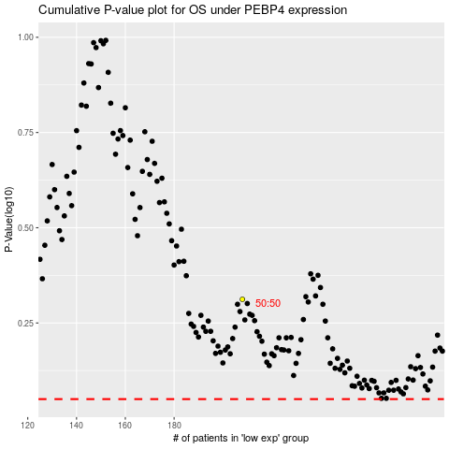

 |  |  |  |  |  | cases_OS | p_OS | rank | exp
 |  |  |  |  |  |  | cases_RFS | p_RFS | rank | exp

