PEF1 _multivariate
Reported by Tex Li-Hsing Chi. tex@gate.sinica.edu.tw 2019-08-17

Table 2. The clinicopathological features of HNSCC cohort and PEF1 expression. (Chi square test)
Cutoff at -0.104 (50.0%)
 |  | PEF1 expression |  | PEF1 expression |  | (Optimised)
 | Features | Low | (%) | High | (%) | Case no | P-value | Remark | Matthews
Gender | Female | 147 | 35.4 | 159 | 38.3 | 415 | 0.2523 | 0 | 0
2 | Male | 60 | 14.5 | 49 | 11.8
Age at diagnosis | <=65y | 138 | 33.3 | 136 | 32.8 | 415 | 0.8634 | 0 | 0
4 | >65y | 69 | 16.6 | 72 | 17.3
Clinical T Status | T1+T2 | 81 | 19.5 | 68 | 16.4 | 415 | 0.206 | 0 | 0
6 | T3+T4 | 126 | 30.4 | 140 | 33.7
Clinical N Status | N0 | 114 | 27.5 | 102 | 24.6 | 415 | 0.2576 | 1 | 0
8 | N1-3 | 93 | 22.4 | 106 | 25.5
Clinical M Status | M0 | 207 | 49.9 | 205 | 49.4 | 415 | 0.2482 | 0 | 0
10 | M1 | 0 | 0 | 3 | 0.7
Clinical Stage | Stage I+II | 58 | 14 | 44 | 10.6 | 415 | 0.131 | 0 | 0
12 | Stage III+IV | 149 | 35.9 | 164 | 39.5
Surgical Margin status | Negative | 151 | 36.4 | 167 | 40.2 | 415 | 0.0828 | 0 | 0
14 | Positive | 56 | 13.5 | 41 | 9.9
Tobacco Exposure | Low | 80 | 19.3 | 81 | 19.5 | 415 | 1 | 0 | 0
16 | High | 127 | 30.6 | 127 | 30.6

Table 3. Univariate/Multivariate Cox's proportional hazards regression analyses on OS time of PEF1 gene expression in HNSCC

 |  | Univariate |  |  |  | Multivariate
 | Features | HR | CI95%(L) | CI95%(H) | P-value | HR | CI95%(L) | CI95%(H) | P-value
1 | Female | 1 |  |  |  | 1
Gender | Male | 1.157 | 0.843 | 1.587 | 0.367 | 1.189 | 0.851 | 1.662 | 0.311
11 | <=65y | 1 |  |  |  | 1
Age at diagnosis | >65y | 1.329 | 0.99 | 1.784 | 0.058 | 1.419 | 1.043 | 1.931 | 0.026
12 | T1+T2 | 1 |  |  |  | 1
Clinical T Status | T3+T4 | 1.409 | 1.028 | 1.931 | 0.033 | 2.229 | 1.179 | 4.214 | 0.014
13 | N0 | 1 |  |  |  | 1
Clinical N Status | N1-3 | 1.185 | 0.89 | 1.577 | 0.246 | 1.277 | 0.893 | 1.827 | 0.18
14 | M0 | 1 |  |  |  | 1
Clinical M Status | M1 | 4.097 | 1.009 | 16.644 | 0.049 | 10.328 | 2.237 | 47.676 | 0.003
15 | Stage I+II | 1 |  |  |  | 1
Clinical Stage | Stage III+IV | 1.245 | 0.882 | 1.759 | 0.213 | 0.511 | 0.238 | 1.098 | 0.085
16 | Negative | 1 |  |  |  | 1
Surgical Margin status | Positive | 1.591 | 1.155 | 2.191 | 0.004 | 1.631 | 1.178 | 2.257 | 0.003
17 | Low | 1 |  |  |  | 1
Tobacco Exposure | High | 1.364 | 1.008 | 1.844 | 0.044 | 1.46 | 1.06 | 2.012 | 0.021
18 | Low | 1 |  |  |  | 1
RNAseq(z-score) | High | 0.883 | 0.663 | 1.176 | 0.394 | 0.821 | 0.609 | 1.108 | 0.198

Table 4. Univariate/Multivariate Cox's proportional hazards regression analyses on RFS time of PEF1 gene expression in HNSCC

 |  | Univariate |  |  |  | Multivariate
 | Features | HR | CI95%(L) | CI95%(H) | P-value | HR | CI95%(L) | CI95%(H) | P-value
1 | Female | 1 |  |  |  | 1
Gender | Male | 1.157 | 0.843 | 1.587 | 0.367 | 1.189 | 0.851 | 1.662 | 0.311
11 | <=65y | 1 |  |  |  | 1
Age at diagnosis | >65y | 1.329 | 0.99 | 1.784 | 0.058 | 1.419 | 1.043 | 1.931 | 0.026
12 | T1+T2 | 1 |  |  |  | 1
Clinical T Status | T3+T4 | 1.409 | 1.028 | 1.931 | 0.033 | 2.229 | 1.179 | 4.214 | 0.014
13 | N0 | 1 |  |  |  | 1
Clinical N Status | N1-3 | 1.185 | 0.89 | 1.577 | 0.246 | 1.277 | 0.893 | 1.827 | 0.18
14 | M0 | 1 |  |  |  | 1
Clinical M Status | M1 | 4.097 | 1.009 | 16.644 | 0.049 | 10.328 | 2.237 | 47.676 | 0.003
15 | Stage I+II | 1 |  |  |  | 1
Clinical Stage | Stage III+IV | 1.245 | 0.882 | 1.759 | 0.213 | 0.511 | 0.238 | 1.098 | 0.085
16 | Negative | 1 |  |  |  | 1
Surgical Margin status | Positive | 1.591 | 1.155 | 2.191 | 0.004 | 1.631 | 1.178 | 2.257 | 0.003
17 | Low | 1 |  |  |  | 1
Tobacco Exposure | High | 1.364 | 1.008 | 1.844 | 0.044 | 1.46 | 1.06 | 2.012 | 0.021
18 | Low | 1 |  |  |  | 1
RNAseq(z-score) | High | 0.883 | 0.663 | 1.176 | 0.394 | 0.821 | 0.609 | 1.108 | 0.198

Kaplan-Meier survival estimate: Cutoff at -0.104 (50.0%)



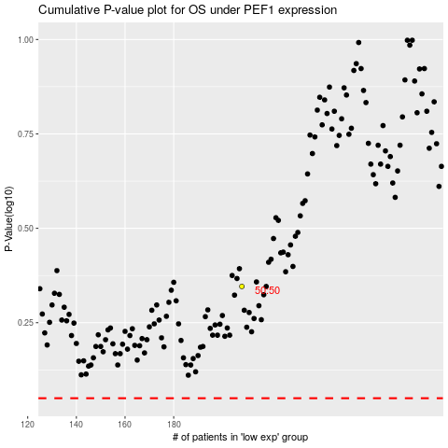

 |  |  |  |  |  | cases_OS | p_OS | rank | exp
 |  |  |  |  |  |  | cases_RFS | p_RFS | rank | exp

