PEG3 _multivariate
Reported by Tex Li-Hsing Chi. tex@gate.sinica.edu.tw 2019-08-17

Table 2. The clinicopathological features of HNSCC cohort and PEG3 expression. (Chi square test)
Cutoff at -0.196 (68.6%)
 |  | PEG3 expression |  | PEG3 expression |  | (Optimised)
 | Features | Low | (%) | High | (%) | Case no | P-value | Remark | Matthews
Gender | Female | 213 | 51.3 | 93 | 22.4 | 415 | 0.5711 | 0 | 0
2 | Male | 72 | 17.3 | 37 | 8.9
Age at diagnosis | <=65y | 178 | 42.9 | 96 | 23.1 | 415 | 0.0307 | 1 | 0
4 | >65y | 107 | 25.8 | 34 | 8.2
Clinical T Status | T1+T2 | 89 | 21.4 | 60 | 14.5 | 415 | 0.0047 | 1 | 0
6 | T3+T4 | 196 | 47.2 | 70 | 16.9
Clinical N Status | N0 | 152 | 36.6 | 64 | 15.4 | 415 | 0.5029 | 0 | 0
8 | N1-3 | 133 | 32 | 66 | 15.9
Clinical M Status | M0 | 282 | 68 | 130 | 31.3 | 415 | 0.5551 | 0 | 0
10 | M1 | 3 | 0.7 | 0 | 0
Clinical Stage | Stage I+II | 60 | 14.5 | 42 | 10.1 | 415 | 0.0189 | 1 | 0
12 | Stage III+IV | 225 | 54.2 | 88 | 21.2
Surgical Margin status | Negative | 219 | 52.8 | 99 | 23.9 | 415 | 0.9008 | 0 | 0
14 | Positive | 66 | 15.9 | 31 | 7.5
Tobacco Exposure | Low | 118 | 28.4 | 43 | 10.4 | 415 | 0.1283 | 0 | 0
16 | High | 167 | 40.2 | 87 | 21

Table 3. Univariate/Multivariate Cox's proportional hazards regression analyses on OS time of PEG3 gene expression in HNSCC

 |  | Univariate |  |  |  | Multivariate
 | Features | HR | CI95%(L) | CI95%(H) | P-value | HR | CI95%(L) | CI95%(H) | P-value
1 | Female | 1 |  |  |  | 1
Gender | Male | 1.157 | 0.843 | 1.587 | 0.367 | 1.247 | 0.89 | 1.746 | 0.2
11 | <=65y | 1 |  |  |  | 1
Age at diagnosis | >65y | 1.329 | 0.99 | 1.784 | 0.058 | 1.351 | 0.992 | 1.84 | 0.056
12 | T1+T2 | 1 |  |  |  | 1
Clinical T Status | T3+T4 | 1.409 | 1.028 | 1.931 | 0.033 | 2.203 | 1.164 | 4.171 | 0.015
13 | N0 | 1 |  |  |  | 1
Clinical N Status | N1-3 | 1.185 | 0.89 | 1.577 | 0.246 | 1.29 | 0.903 | 1.845 | 0.162
14 | M0 | 1 |  |  |  | 1
Clinical M Status | M1 | 4.097 | 1.009 | 16.644 | 0.049 | 8.566 | 1.863 | 39.383 | 0.006
15 | Stage I+II | 1 |  |  |  | 1
Clinical Stage | Stage III+IV | 1.245 | 0.882 | 1.759 | 0.213 | 0.461 | 0.214 | 0.993 | 0.048
16 | Negative | 1 |  |  |  | 1
Surgical Margin status | Positive | 1.591 | 1.155 | 2.191 | 0.004 | 1.722 | 1.244 | 2.385 | 0.001
17 | Low | 1 |  |  |  | 1
Tobacco Exposure | High | 1.364 | 1.008 | 1.844 | 0.044 | 1.485 | 1.075 | 2.05 | 0.016
18 | Low | 1 |  |  |  | 1
RNAseq(z-score) | High | 0.703 | 0.508 | 0.972 | 0.033 | 0.692 | 0.495 | 0.968 | 0.031

Table 4. Univariate/Multivariate Cox's proportional hazards regression analyses on RFS time of PEG3 gene expression in HNSCC

 |  | Univariate |  |  |  | Multivariate
 | Features | HR | CI95%(L) | CI95%(H) | P-value | HR | CI95%(L) | CI95%(H) | P-value
1 | Female | 1 |  |  |  | 1
Gender | Male | 1.157 | 0.843 | 1.587 | 0.367 | 1.247 | 0.89 | 1.746 | 0.2
11 | <=65y | 1 |  |  |  | 1
Age at diagnosis | >65y | 1.329 | 0.99 | 1.784 | 0.058 | 1.351 | 0.992 | 1.84 | 0.056
12 | T1+T2 | 1 |  |  |  | 1
Clinical T Status | T3+T4 | 1.409 | 1.028 | 1.931 | 0.033 | 2.203 | 1.164 | 4.171 | 0.015
13 | N0 | 1 |  |  |  | 1
Clinical N Status | N1-3 | 1.185 | 0.89 | 1.577 | 0.246 | 1.29 | 0.903 | 1.845 | 0.162
14 | M0 | 1 |  |  |  | 1
Clinical M Status | M1 | 4.097 | 1.009 | 16.644 | 0.049 | 8.566 | 1.863 | 39.383 | 0.006
15 | Stage I+II | 1 |  |  |  | 1
Clinical Stage | Stage III+IV | 1.245 | 0.882 | 1.759 | 0.213 | 0.461 | 0.214 | 0.993 | 0.048
16 | Negative | 1 |  |  |  | 1
Surgical Margin status | Positive | 1.591 | 1.155 | 2.191 | 0.004 | 1.722 | 1.244 | 2.385 | 0.001
17 | Low | 1 |  |  |  | 1
Tobacco Exposure | High | 1.364 | 1.008 | 1.844 | 0.044 | 1.485 | 1.075 | 2.05 | 0.016
18 | Low | 1 |  |  |  | 1
RNAseq(z-score) | High | 0.703 | 0.508 | 0.972 | 0.033 | 0.692 | 0.495 | 0.968 | 0.031

Kaplan-Meier survival estimate: Cutoff at -0.196 (68.6%)



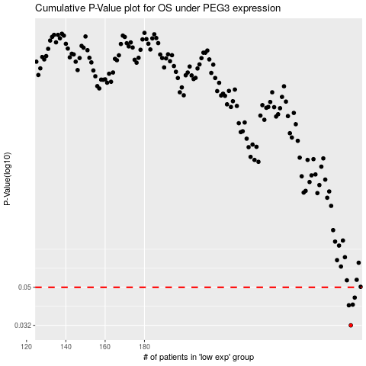

 |  |  |  |  |  | cases_OS | p_OS | rank | exp
 |  |  |  |  |  | 285 | 0.032 | 141 | -0.19591584852
 |  |  |  |  |  | 284 | 0.0405 | 202 | -0.19598917752
 |  |  |  |  |  | 286 | 0.0408 | 393 | -0.19448894667
 |  |  |  |  |  | 287 | 0.0443 | 59 | -0.19421521858
 |  |  |  |  |  |  | cases_RFS | p_RFS | rank | exp
 |  |  |  |  |  |  | 284 | 0.032 | 202 | -0.19598917752
 |  |  |  |  |  |  | 283 | 0.0405 | 69 | -0.19666018803
 |  |  |  |  |  |  | 285 | 0.0408 | 141 | -0.19591584852
 |  |  |  |  |  |  | 286 | 0.0443 | 393 | -0.19448894667

