PELO _multivariate
Reported by Tex Li-Hsing Chi. tex@gate.sinica.edu.tw 2019-08-17

Table 2. The clinicopathological features of HNSCC cohort and PELO expression. (Chi square test)
Cutoff at -0.06 (50.0%)
 |  | PELO expression |  | PELO expression |  | (Optimised)
 | Features | Low | (%) | High | (%) | Case no | P-value | Remark | Matthews
Gender | Female | 153 | 36.9 | 153 | 36.9 | 415 | 1 | 0 | 0
2 | Male | 54 | 13 | 55 | 13.3
Age at diagnosis | <=65y | 140 | 33.7 | 134 | 32.3 | 415 | 0.5574 | 0 | 0
4 | >65y | 67 | 16.1 | 74 | 17.8
Clinical T Status | T1+T2 | 81 | 19.5 | 68 | 16.4 | 415 | 0.206 | 0 | 0
6 | T3+T4 | 126 | 30.4 | 140 | 33.7
Clinical N Status | N0 | 113 | 27.2 | 103 | 24.8 | 415 | 0.3495 | 1 | 0
8 | N1-3 | 94 | 22.7 | 105 | 25.3
Clinical M Status | M0 | 206 | 49.6 | 206 | 49.6 | 415 | 1 | 0 | 0
10 | M1 | 1 | 0.2 | 2 | 0.5
Clinical Stage | Stage I+II | 57 | 13.7 | 45 | 10.8 | 415 | 0.1998 | 0 | 0
12 | Stage III+IV | 150 | 36.1 | 163 | 39.3
Surgical Margin status | Negative | 155 | 37.3 | 163 | 39.3 | 415 | 0.4187 | 0 | 0
14 | Positive | 52 | 12.5 | 45 | 10.8
Tobacco Exposure | Low | 81 | 19.5 | 80 | 19.3 | 415 | 0.9199 | 0 | 0
16 | High | 126 | 30.4 | 128 | 30.8

Table 3. Univariate/Multivariate Cox's proportional hazards regression analyses on OS time of PELO gene expression in HNSCC

 |  | Univariate |  |  |  | Multivariate
 | Features | HR | CI95%(L) | CI95%(H) | P-value | HR | CI95%(L) | CI95%(H) | P-value
1 | Female | 1 |  |  |  | 1
Gender | Male | 1.157 | 0.843 | 1.587 | 0.367 | 1.19 | 0.853 | 1.661 | 0.306
11 | <=65y | 1 |  |  |  | 1
Age at diagnosis | >65y | 1.329 | 0.99 | 1.784 | 0.058 | 1.381 | 1.015 | 1.878 | 0.04
12 | T1+T2 | 1 |  |  |  | 1
Clinical T Status | T3+T4 | 1.409 | 1.028 | 1.931 | 0.033 | 2.203 | 1.166 | 4.163 | 0.015
13 | N0 | 1 |  |  |  | 1
Clinical N Status | N1-3 | 1.185 | 0.89 | 1.577 | 0.246 | 1.232 | 0.864 | 1.757 | 0.249
14 | M0 | 1 |  |  |  | 1
Clinical M Status | M1 | 4.097 | 1.009 | 16.644 | 0.049 | 9.202 | 2.006 | 42.199 | 0.004
15 | Stage I+II | 1 |  |  |  | 1
Clinical Stage | Stage III+IV | 1.245 | 0.882 | 1.759 | 0.213 | 0.506 | 0.236 | 1.086 | 0.08
16 | Negative | 1 |  |  |  | 1
Surgical Margin status | Positive | 1.591 | 1.155 | 2.191 | 0.004 | 1.684 | 1.219 | 2.327 | 0.002
17 | Low | 1 |  |  |  | 1
Tobacco Exposure | High | 1.364 | 1.008 | 1.844 | 0.044 | 1.445 | 1.049 | 1.99 | 0.024
18 | Low | 1 |  |  |  | 1
RNAseq(z-score) | High | 1.197 | 0.897 | 1.596 | 0.221 | 1.181 | 0.884 | 1.578 | 0.259

Table 4. Univariate/Multivariate Cox's proportional hazards regression analyses on RFS time of PELO gene expression in HNSCC

 |  | Univariate |  |  |  | Multivariate
 | Features | HR | CI95%(L) | CI95%(H) | P-value | HR | CI95%(L) | CI95%(H) | P-value
1 | Female | 1 |  |  |  | 1
Gender | Male | 1.157 | 0.843 | 1.587 | 0.367 | 1.19 | 0.853 | 1.661 | 0.306
11 | <=65y | 1 |  |  |  | 1
Age at diagnosis | >65y | 1.329 | 0.99 | 1.784 | 0.058 | 1.381 | 1.015 | 1.878 | 0.04
12 | T1+T2 | 1 |  |  |  | 1
Clinical T Status | T3+T4 | 1.409 | 1.028 | 1.931 | 0.033 | 2.203 | 1.166 | 4.163 | 0.015
13 | N0 | 1 |  |  |  | 1
Clinical N Status | N1-3 | 1.185 | 0.89 | 1.577 | 0.246 | 1.232 | 0.864 | 1.757 | 0.249
14 | M0 | 1 |  |  |  | 1
Clinical M Status | M1 | 4.097 | 1.009 | 16.644 | 0.049 | 9.202 | 2.006 | 42.199 | 0.004
15 | Stage I+II | 1 |  |  |  | 1
Clinical Stage | Stage III+IV | 1.245 | 0.882 | 1.759 | 0.213 | 0.506 | 0.236 | 1.086 | 0.08
16 | Negative | 1 |  |  |  | 1
Surgical Margin status | Positive | 1.591 | 1.155 | 2.191 | 0.004 | 1.684 | 1.219 | 2.327 | 0.002
17 | Low | 1 |  |  |  | 1
Tobacco Exposure | High | 1.364 | 1.008 | 1.844 | 0.044 | 1.445 | 1.049 | 1.99 | 0.024
18 | Low | 1 |  |  |  | 1
RNAseq(z-score) | High | 1.197 | 0.897 | 1.596 | 0.221 | 1.181 | 0.884 | 1.578 | 0.259

Kaplan-Meier survival estimate: Cutoff at -0.06 (50.0%)



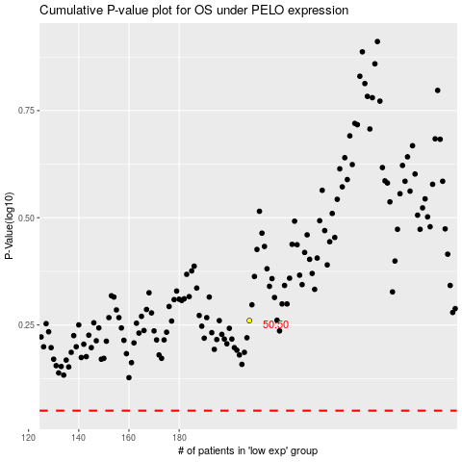

 |  |  |  |  |  | cases_OS | p_OS | rank | exp
 |  |  |  |  |  |  | cases_RFS | p_RFS | rank | exp

