PELP1 _multivariate
Reported by Tex Li-Hsing Chi. tex@gate.sinica.edu.tw 2019-08-17

Table 2. The clinicopathological features of HNSCC cohort and PELP1 expression. (Chi square test)
Cutoff at -0.146 (49.8%)
 |  | PELP1 expression |  | PELP1 expression |  | (Optimised)
 | Features | Low | (%) | High | (%) | Case no | P-value | Remark | Matthews
Gender | Female | 140 | 33.7 | 166 | 40 | 415 | 0.0068 | 1 | 0
2 | Male | 67 | 16.1 | 42 | 10.1
Age at diagnosis | <=65y | 133 | 32 | 141 | 34 | 415 | 0.5111 | 0 | 0
4 | >65y | 74 | 17.8 | 67 | 16.1
Clinical T Status | T1+T2 | 80 | 19.3 | 69 | 16.6 | 415 | 0.2891 | 0 | 0
6 | T3+T4 | 127 | 30.6 | 139 | 33.5
Clinical N Status | N0 | 107 | 25.8 | 109 | 26.3 | 415 | 0.9624 | 0 | 0
8 | N1-3 | 100 | 24.1 | 99 | 23.9
Clinical M Status | M0 | 207 | 49.9 | 205 | 49.4 | 415 | 0.2482 | 0 | 0
10 | M1 | 0 | 0 | 3 | 0.7
Clinical Stage | Stage I+II | 58 | 14 | 44 | 10.6 | 415 | 0.131 | 0 | 0
12 | Stage III+IV | 149 | 35.9 | 164 | 39.5
Surgical Margin status | Negative | 157 | 37.8 | 161 | 38.8 | 415 | 0.729 | 0 | 0
14 | Positive | 50 | 12 | 47 | 11.3
Tobacco Exposure | Low | 88 | 21.2 | 73 | 17.6 | 415 | 0.1314 | 0 | 0
16 | High | 119 | 28.7 | 135 | 32.5

Table 3. Univariate/Multivariate Cox's proportional hazards regression analyses on OS time of PELP1 gene expression in HNSCC

 |  | Univariate |  |  |  | Multivariate
 | Features | HR | CI95%(L) | CI95%(H) | P-value | HR | CI95%(L) | CI95%(H) | P-value
1 | Female | 1 |  |  |  | 1
Gender | Male | 1.157 | 0.843 | 1.587 | 0.367 | 1.199 | 0.856 | 1.68 | 0.291
11 | <=65y | 1 |  |  |  | 1
Age at diagnosis | >65y | 1.329 | 0.99 | 1.784 | 0.058 | 1.391 | 1.023 | 1.892 | 0.035
12 | T1+T2 | 1 |  |  |  | 1
Clinical T Status | T3+T4 | 1.409 | 1.028 | 1.931 | 0.033 | 2.204 | 1.165 | 4.169 | 0.015
13 | N0 | 1 |  |  |  | 1
Clinical N Status | N1-3 | 1.185 | 0.89 | 1.577 | 0.246 | 1.24 | 0.869 | 1.77 | 0.236
14 | M0 | 1 |  |  |  | 1
Clinical M Status | M1 | 4.097 | 1.009 | 16.644 | 0.049 | 9.473 | 2.051 | 43.747 | 0.004
15 | Stage I+II | 1 |  |  |  | 1
Clinical Stage | Stage III+IV | 1.245 | 0.882 | 1.759 | 0.213 | 0.505 | 0.235 | 1.084 | 0.079
16 | Negative | 1 |  |  |  | 1
Surgical Margin status | Positive | 1.591 | 1.155 | 2.191 | 0.004 | 1.671 | 1.209 | 2.309 | 0.002
17 | Low | 1 |  |  |  | 1
Tobacco Exposure | High | 1.364 | 1.008 | 1.844 | 0.044 | 1.452 | 1.054 | 2.001 | 0.023
18 | Low | 1 |  |  |  | 1
RNAseq(z-score) | High | 0.999 | 0.75 | 1.332 | 0.996 | 0.986 | 0.736 | 1.322 | 0.928

Table 4. Univariate/Multivariate Cox's proportional hazards regression analyses on RFS time of PELP1 gene expression in HNSCC

 |  | Univariate |  |  |  | Multivariate
 | Features | HR | CI95%(L) | CI95%(H) | P-value | HR | CI95%(L) | CI95%(H) | P-value
1 | Female | 1 |  |  |  | 1
Gender | Male | 1.157 | 0.843 | 1.587 | 0.367 | 1.199 | 0.856 | 1.68 | 0.291
11 | <=65y | 1 |  |  |  | 1
Age at diagnosis | >65y | 1.329 | 0.99 | 1.784 | 0.058 | 1.391 | 1.023 | 1.892 | 0.035
12 | T1+T2 | 1 |  |  |  | 1
Clinical T Status | T3+T4 | 1.409 | 1.028 | 1.931 | 0.033 | 2.204 | 1.165 | 4.169 | 0.015
13 | N0 | 1 |  |  |  | 1
Clinical N Status | N1-3 | 1.185 | 0.89 | 1.577 | 0.246 | 1.24 | 0.869 | 1.77 | 0.236
14 | M0 | 1 |  |  |  | 1
Clinical M Status | M1 | 4.097 | 1.009 | 16.644 | 0.049 | 9.473 | 2.051 | 43.747 | 0.004
15 | Stage I+II | 1 |  |  |  | 1
Clinical Stage | Stage III+IV | 1.245 | 0.882 | 1.759 | 0.213 | 0.505 | 0.235 | 1.084 | 0.079
16 | Negative | 1 |  |  |  | 1
Surgical Margin status | Positive | 1.591 | 1.155 | 2.191 | 0.004 | 1.671 | 1.209 | 2.309 | 0.002
17 | Low | 1 |  |  |  | 1
Tobacco Exposure | High | 1.364 | 1.008 | 1.844 | 0.044 | 1.452 | 1.054 | 2.001 | 0.023
18 | Low | 1 |  |  |  | 1
RNAseq(z-score) | High | 0.999 | 0.75 | 1.332 | 0.996 | 0.986 | 0.736 | 1.322 | 0.928

Kaplan-Meier survival estimate: Cutoff at -0.146 (49.8%)



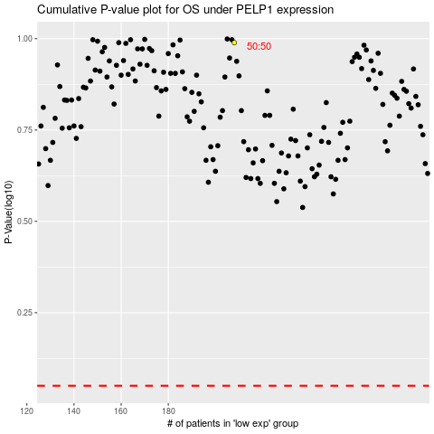

 |  |  |  |  |  | cases_OS | p_OS | rank | exp
 |  |  |  |  |  |  | cases_RFS | p_RFS | rank | exp

