PER1 _multivariate
Reported by Tex Li-Hsing Chi. tex@gate.sinica.edu.tw 2019-08-17

Table 2. The clinicopathological features of HNSCC cohort and PER1 expression. (Chi square test)
Cutoff at -0.265 (50.0%)
 |  | PER1 expression |  | PER1 expression |  | (Optimised)
 | Features | Low | (%) | High | (%) | Case no | P-value | Remark | Matthews
Gender | Female | 149 | 35.9 | 157 | 37.8 | 415 | 0.4848 | 0 | 0
2 | Male | 58 | 14 | 51 | 12.3
Age at diagnosis | <=65y | 137 | 33 | 137 | 33 | 415 | 1 | 0 | 0
4 | >65y | 70 | 16.9 | 71 | 17.1
Clinical T Status | T1+T2 | 90 | 21.7 | 59 | 14.2 | 415 | 0.0019 | 1 | 0
6 | T3+T4 | 117 | 28.2 | 149 | 35.9
Clinical N Status | N0 | 115 | 27.7 | 101 | 24.3 | 415 | 0.184 | 1 | 0
8 | N1-3 | 92 | 22.2 | 107 | 25.8
Clinical M Status | M0 | 204 | 49.2 | 208 | 50.1 | 415 | 0.1232 | 0 | 0
10 | M1 | 3 | 0.7 | 0 | 0
Clinical Stage | Stage I+II | 68 | 16.4 | 34 | 8.2 | 415 | 2e-04 | 1 | 0
12 | Stage III+IV | 139 | 33.5 | 174 | 41.9
Surgical Margin status | Negative | 159 | 38.3 | 159 | 38.3 | 415 | 1 | 0 | 0
14 | Positive | 48 | 11.6 | 49 | 11.8
Tobacco Exposure | Low | 79 | 19 | 82 | 19.8 | 415 | 0.8405 | 0 | 0
16 | High | 128 | 30.8 | 126 | 30.4

Table 3. Univariate/Multivariate Cox's proportional hazards regression analyses on OS time of PER1 gene expression in HNSCC

 |  | Univariate |  |  |  | Multivariate
 | Features | HR | CI95%(L) | CI95%(H) | P-value | HR | CI95%(L) | CI95%(H) | P-value
1 | Female | 1 |  |  |  | 1
Gender | Male | 1.157 | 0.843 | 1.587 | 0.367 | 1.183 | 0.846 | 1.654 | 0.326
11 | <=65y | 1 |  |  |  | 1
Age at diagnosis | >65y | 1.329 | 0.99 | 1.784 | 0.058 | 1.392 | 1.024 | 1.893 | 0.035
12 | T1+T2 | 1 |  |  |  | 1
Clinical T Status | T3+T4 | 1.409 | 1.028 | 1.931 | 0.033 | 2.199 | 1.163 | 4.158 | 0.015
13 | N0 | 1 |  |  |  | 1
Clinical N Status | N1-3 | 1.185 | 0.89 | 1.577 | 0.246 | 1.234 | 0.865 | 1.76 | 0.247
14 | M0 | 1 |  |  |  | 1
Clinical M Status | M1 | 4.097 | 1.009 | 16.644 | 0.049 | 8.353 | 1.807 | 38.606 | 0.007
15 | Stage I+II | 1 |  |  |  | 1
Clinical Stage | Stage III+IV | 1.245 | 0.882 | 1.759 | 0.213 | 0.541 | 0.25 | 1.168 | 0.118
16 | Negative | 1 |  |  |  | 1
Surgical Margin status | Positive | 1.591 | 1.155 | 2.191 | 0.004 | 1.673 | 1.211 | 2.313 | 0.002
17 | Low | 1 |  |  |  | 1
Tobacco Exposure | High | 1.364 | 1.008 | 1.844 | 0.044 | 1.437 | 1.042 | 1.98 | 0.027
18 | Low | 1 |  |  |  | 1
RNAseq(z-score) | High | 0.834 | 0.626 | 1.112 | 0.217 | 0.81 | 0.6 | 1.092 | 0.167

Table 4. Univariate/Multivariate Cox's proportional hazards regression analyses on RFS time of PER1 gene expression in HNSCC

 |  | Univariate |  |  |  | Multivariate
 | Features | HR | CI95%(L) | CI95%(H) | P-value | HR | CI95%(L) | CI95%(H) | P-value
1 | Female | 1 |  |  |  | 1
Gender | Male | 1.157 | 0.843 | 1.587 | 0.367 | 1.183 | 0.846 | 1.654 | 0.326
11 | <=65y | 1 |  |  |  | 1
Age at diagnosis | >65y | 1.329 | 0.99 | 1.784 | 0.058 | 1.392 | 1.024 | 1.893 | 0.035
12 | T1+T2 | 1 |  |  |  | 1
Clinical T Status | T3+T4 | 1.409 | 1.028 | 1.931 | 0.033 | 2.199 | 1.163 | 4.158 | 0.015
13 | N0 | 1 |  |  |  | 1
Clinical N Status | N1-3 | 1.185 | 0.89 | 1.577 | 0.246 | 1.234 | 0.865 | 1.76 | 0.247
14 | M0 | 1 |  |  |  | 1
Clinical M Status | M1 | 4.097 | 1.009 | 16.644 | 0.049 | 8.353 | 1.807 | 38.606 | 0.007
15 | Stage I+II | 1 |  |  |  | 1
Clinical Stage | Stage III+IV | 1.245 | 0.882 | 1.759 | 0.213 | 0.541 | 0.25 | 1.168 | 0.118
16 | Negative | 1 |  |  |  | 1
Surgical Margin status | Positive | 1.591 | 1.155 | 2.191 | 0.004 | 1.673 | 1.211 | 2.313 | 0.002
17 | Low | 1 |  |  |  | 1
Tobacco Exposure | High | 1.364 | 1.008 | 1.844 | 0.044 | 1.437 | 1.042 | 1.98 | 0.027
18 | Low | 1 |  |  |  | 1
RNAseq(z-score) | High | 0.834 | 0.626 | 1.112 | 0.217 | 0.81 | 0.6 | 1.092 | 0.167

Kaplan-Meier survival estimate: Cutoff at -0.265 (50.0%)



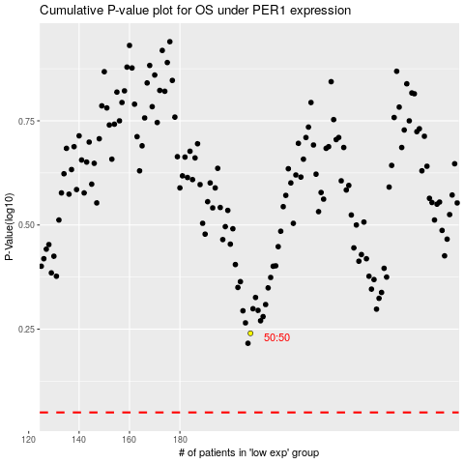

 |  |  |  |  |  | cases_OS | p_OS | rank | exp
 |  |  |  |  |  |  | cases_RFS | p_RFS | rank | exp

