PET112L _multivariate
Reported by Tex Li-Hsing Chi. tex@gate.sinica.edu.tw 2019-08-17

Table 2. The clinicopathological features of HNSCC cohort and PET112L expression. (Chi square test)
Cutoff at 0.01 (58.5%)
 |  | PET112L expression |  | PET112L expression |  | (Optimised)
 | Features | Low | (%) | High | (%) | Case no | P-value | Remark | Matthews
Gender | Female | 180 | 43.4 | 126 | 30.4 | 415 | 0.9415 | 0 | 0
2 | Male | 63 | 15.2 | 46 | 11.1
Age at diagnosis | <=65y | 167 | 40.2 | 107 | 25.8 | 415 | 0.2022 | 0 | 0
4 | >65y | 76 | 18.3 | 65 | 15.7
Clinical T Status | T1+T2 | 82 | 19.8 | 67 | 16.1 | 415 | 0.3242 | 0 | 0
6 | T3+T4 | 161 | 38.8 | 105 | 25.3
Clinical N Status | N0 | 120 | 28.9 | 96 | 23.1 | 415 | 0.2332 | 0 | 0
8 | N1-3 | 123 | 29.6 | 76 | 18.3
Clinical M Status | M0 | 242 | 58.3 | 170 | 41 | 415 | 0.5724 | 0 | 0
10 | M1 | 1 | 0.2 | 2 | 0.5
Clinical Stage | Stage I+II | 53 | 12.8 | 49 | 11.8 | 415 | 0.1497 | 0 | 0
12 | Stage III+IV | 190 | 45.8 | 123 | 29.6
Surgical Margin status | Negative | 187 | 45.1 | 131 | 31.6 | 415 | 0.9064 | 0 | 0
14 | Positive | 56 | 13.5 | 41 | 9.9
Tobacco Exposure | Low | 85 | 20.5 | 76 | 18.3 | 415 | 0.0658 | 0 | 0
16 | High | 158 | 38.1 | 96 | 23.1

Table 3. Univariate/Multivariate Cox's proportional hazards regression analyses on OS time of PET112L gene expression in HNSCC

 |  | Univariate |  |  |  | Multivariate
 | Features | HR | CI95%(L) | CI95%(H) | P-value | HR | CI95%(L) | CI95%(H) | P-value
1 | Female | 1 |  |  |  | 1
Gender | Male | 1.157 | 0.843 | 1.587 | 0.367 | 1.178 | 0.84 | 1.65 | 0.342
11 | <=65y | 1 |  |  |  | 1
Age at diagnosis | >65y | 1.329 | 0.99 | 1.784 | 0.058 | 1.39 | 1.022 | 1.89 | 0.036
12 | T1+T2 | 1 |  |  |  | 1
Clinical T Status | T3+T4 | 1.409 | 1.028 | 1.931 | 0.033 | 2.263 | 1.197 | 4.276 | 0.012
13 | N0 | 1 |  |  |  | 1
Clinical N Status | N1-3 | 1.185 | 0.89 | 1.577 | 0.246 | 1.264 | 0.886 | 1.804 | 0.196
14 | M0 | 1 |  |  |  | 1
Clinical M Status | M1 | 4.097 | 1.009 | 16.644 | 0.049 | 8.866 | 1.932 | 40.685 | 0.005
15 | Stage I+II | 1 |  |  |  | 1
Clinical Stage | Stage III+IV | 1.245 | 0.882 | 1.759 | 0.213 | 0.512 | 0.238 | 1.099 | 0.086
16 | Negative | 1 |  |  |  | 1
Surgical Margin status | Positive | 1.591 | 1.155 | 2.191 | 0.004 | 1.635 | 1.183 | 2.26 | 0.003
17 | Low | 1 |  |  |  | 1
Tobacco Exposure | High | 1.364 | 1.008 | 1.844 | 0.044 | 1.49 | 1.079 | 2.058 | 0.016
18 | Low | 1 |  |  |  | 1
RNAseq(z-score) | High | 1.338 | 1.003 | 1.785 | 0.048 | 1.381 | 1.029 | 1.855 | 0.032

Table 4. Univariate/Multivariate Cox's proportional hazards regression analyses on RFS time of PET112L gene expression in HNSCC

 |  | Univariate |  |  |  | Multivariate
 | Features | HR | CI95%(L) | CI95%(H) | P-value | HR | CI95%(L) | CI95%(H) | P-value
1 | Female | 1 |  |  |  | 1
Gender | Male | 1.157 | 0.843 | 1.587 | 0.367 | 1.178 | 0.84 | 1.65 | 0.342
11 | <=65y | 1 |  |  |  | 1
Age at diagnosis | >65y | 1.329 | 0.99 | 1.784 | 0.058 | 1.39 | 1.022 | 1.89 | 0.036
12 | T1+T2 | 1 |  |  |  | 1
Clinical T Status | T3+T4 | 1.409 | 1.028 | 1.931 | 0.033 | 2.263 | 1.197 | 4.276 | 0.012
13 | N0 | 1 |  |  |  | 1
Clinical N Status | N1-3 | 1.185 | 0.89 | 1.577 | 0.246 | 1.264 | 0.886 | 1.804 | 0.196
14 | M0 | 1 |  |  |  | 1
Clinical M Status | M1 | 4.097 | 1.009 | 16.644 | 0.049 | 8.866 | 1.932 | 40.685 | 0.005
15 | Stage I+II | 1 |  |  |  | 1
Clinical Stage | Stage III+IV | 1.245 | 0.882 | 1.759 | 0.213 | 0.512 | 0.238 | 1.099 | 0.086
16 | Negative | 1 |  |  |  | 1
Surgical Margin status | Positive | 1.591 | 1.155 | 2.191 | 0.004 | 1.635 | 1.183 | 2.26 | 0.003
17 | Low | 1 |  |  |  | 1
Tobacco Exposure | High | 1.364 | 1.008 | 1.844 | 0.044 | 1.49 | 1.079 | 2.058 | 0.016
18 | Low | 1 |  |  |  | 1
RNAseq(z-score) | High | 1.338 | 1.003 | 1.785 | 0.048 | 1.381 | 1.029 | 1.855 | 0.032

Kaplan-Meier survival estimate: Cutoff at 0.01 (58.5%)



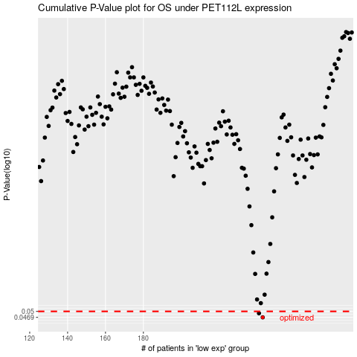

 |  |  |  |  |  | cases_OS | p_OS | rank | exp
 |  |  |  |  |  | 243 | 0.0469 | 390 | 0.0096811215636
 |  |  |  |  |  | 241 | 0.049 | 401 | -0.0039893783082
 |  |  |  |  |  |  | cases_RFS | p_RFS | rank | exp
 |  |  |  |  |  |  | 242 | 0.0469 | 102 | 0.0056491832623
 |  |  |  |  |  |  | 240 | 0.049 | 341 | -0.0053310524599

