PEX10 _multivariate
Reported by Tex Li-Hsing Chi. tex@gate.sinica.edu.tw 2019-08-17

Table 2. The clinicopathological features of HNSCC cohort and PEX10 expression. (Chi square test)
Cutoff at -0.119 (49.8%)
 |  | PEX10 expression |  | PEX10 expression |  | (Optimised)
 | Features | Low | (%) | High | (%) | Case no | P-value | Remark | Matthews
Gender | Female | 161 | 38.8 | 145 | 34.9 | 415 | 0.0792 | 0 | 0
2 | Male | 46 | 11.1 | 63 | 15.2
Age at diagnosis | <=65y | 133 | 32 | 141 | 34 | 415 | 0.5111 | 0 | 0
4 | >65y | 74 | 17.8 | 67 | 16.1
Clinical T Status | T1+T2 | 70 | 16.9 | 79 | 19 | 415 | 0.4343 | 0 | 0
6 | T3+T4 | 137 | 33 | 129 | 31.1
Clinical N Status | N0 | 104 | 25.1 | 112 | 27 | 415 | 0.5243 | 0 | 0
8 | N1-3 | 103 | 24.8 | 96 | 23.1
Clinical M Status | M0 | 206 | 49.6 | 206 | 49.6 | 415 | 1 | 0 | 0
10 | M1 | 1 | 0.2 | 2 | 0.5
Clinical Stage | Stage I+II | 43 | 10.4 | 59 | 14.2 | 415 | 0.0925 | 0 | 0
12 | Stage III+IV | 164 | 39.5 | 149 | 35.9
Surgical Margin status | Negative | 155 | 37.3 | 163 | 39.3 | 415 | 0.4187 | 0 | 0
14 | Positive | 52 | 12.5 | 45 | 10.8
Tobacco Exposure | Low | 77 | 18.6 | 84 | 20.2 | 415 | 0.5459 | 0 | 0
16 | High | 130 | 31.3 | 124 | 29.9

Table 3. Univariate/Multivariate Cox's proportional hazards regression analyses on OS time of PEX10 gene expression in HNSCC

 |  | Univariate |  |  |  | Multivariate
 | Features | HR | CI95%(L) | CI95%(H) | P-value | HR | CI95%(L) | CI95%(H) | P-value
1 | Female | 1 |  |  |  | 1
Gender | Male | 1.157 | 0.843 | 1.587 | 0.367 | 1.197 | 0.857 | 1.672 | 0.291
11 | <=65y | 1 |  |  |  | 1
Age at diagnosis | >65y | 1.329 | 0.99 | 1.784 | 0.058 | 1.404 | 1.032 | 1.911 | 0.031
12 | T1+T2 | 1 |  |  |  | 1
Clinical T Status | T3+T4 | 1.409 | 1.028 | 1.931 | 0.033 | 2.175 | 1.149 | 4.118 | 0.017
13 | N0 | 1 |  |  |  | 1
Clinical N Status | N1-3 | 1.185 | 0.89 | 1.577 | 0.246 | 1.238 | 0.867 | 1.767 | 0.24
14 | M0 | 1 |  |  |  | 1
Clinical M Status | M1 | 4.097 | 1.009 | 16.644 | 0.049 | 9.215 | 2.008 | 42.287 | 0.004
15 | Stage I+II | 1 |  |  |  | 1
Clinical Stage | Stage III+IV | 1.245 | 0.882 | 1.759 | 0.213 | 0.512 | 0.238 | 1.099 | 0.086
16 | Negative | 1 |  |  |  | 1
Surgical Margin status | Positive | 1.591 | 1.155 | 2.191 | 0.004 | 1.683 | 1.218 | 2.328 | 0.002
17 | Low | 1 |  |  |  | 1
Tobacco Exposure | High | 1.364 | 1.008 | 1.844 | 0.044 | 1.454 | 1.056 | 2.003 | 0.022
18 | Low | 1 |  |  |  | 1
RNAseq(z-score) | High | 1.125 | 0.844 | 1.501 | 0.422 | 1.133 | 0.848 | 1.513 | 0.4

Table 4. Univariate/Multivariate Cox's proportional hazards regression analyses on RFS time of PEX10 gene expression in HNSCC

 |  | Univariate |  |  |  | Multivariate
 | Features | HR | CI95%(L) | CI95%(H) | P-value | HR | CI95%(L) | CI95%(H) | P-value
1 | Female | 1 |  |  |  | 1
Gender | Male | 1.157 | 0.843 | 1.587 | 0.367 | 1.197 | 0.857 | 1.672 | 0.291
11 | <=65y | 1 |  |  |  | 1
Age at diagnosis | >65y | 1.329 | 0.99 | 1.784 | 0.058 | 1.404 | 1.032 | 1.911 | 0.031
12 | T1+T2 | 1 |  |  |  | 1
Clinical T Status | T3+T4 | 1.409 | 1.028 | 1.931 | 0.033 | 2.175 | 1.149 | 4.118 | 0.017
13 | N0 | 1 |  |  |  | 1
Clinical N Status | N1-3 | 1.185 | 0.89 | 1.577 | 0.246 | 1.238 | 0.867 | 1.767 | 0.24
14 | M0 | 1 |  |  |  | 1
Clinical M Status | M1 | 4.097 | 1.009 | 16.644 | 0.049 | 9.215 | 2.008 | 42.287 | 0.004
15 | Stage I+II | 1 |  |  |  | 1
Clinical Stage | Stage III+IV | 1.245 | 0.882 | 1.759 | 0.213 | 0.512 | 0.238 | 1.099 | 0.086
16 | Negative | 1 |  |  |  | 1
Surgical Margin status | Positive | 1.591 | 1.155 | 2.191 | 0.004 | 1.683 | 1.218 | 2.328 | 0.002
17 | Low | 1 |  |  |  | 1
Tobacco Exposure | High | 1.364 | 1.008 | 1.844 | 0.044 | 1.454 | 1.056 | 2.003 | 0.022
18 | Low | 1 |  |  |  | 1
RNAseq(z-score) | High | 1.125 | 0.844 | 1.501 | 0.422 | 1.133 | 0.848 | 1.513 | 0.4

Kaplan-Meier survival estimate: Cutoff at -0.119 (49.8%)



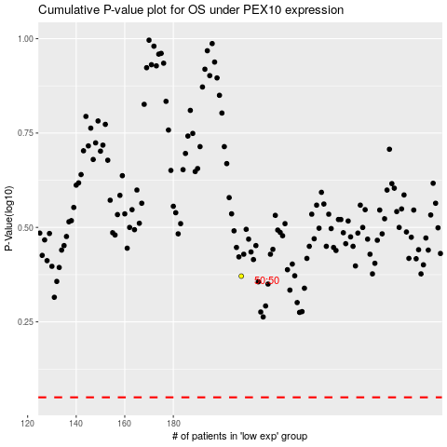

 |  |  |  |  |  | cases_OS | p_OS | rank | exp
 |  |  |  |  |  |  | cases_RFS | p_RFS | rank | exp

