PEX16 _multivariate
Reported by Tex Li-Hsing Chi. tex@gate.sinica.edu.tw 2019-08-17

Table 2. The clinicopathological features of HNSCC cohort and PEX16 expression. (Chi square test)
Cutoff at -0.247 (50.0%)
 |  | PEX16 expression |  | PEX16 expression |  | (Optimised)
 | Features | Low | (%) | High | (%) | Case no | P-value | Remark | Matthews
Gender | Female | 154 | 37.1 | 152 | 36.6 | 415 | 0.8463 | 0 | 0
2 | Male | 53 | 12.8 | 56 | 13.5
Age at diagnosis | <=65y | 147 | 35.4 | 127 | 30.6 | 415 | 0.0416 | 1 | 0
4 | >65y | 60 | 14.5 | 81 | 19.5
Clinical T Status | T1+T2 | 75 | 18.1 | 74 | 17.8 | 415 | 0.9707 | 0 | 0
6 | T3+T4 | 132 | 31.8 | 134 | 32.3
Clinical N Status | N0 | 104 | 25.1 | 112 | 27 | 415 | 0.5243 | 0 | 0
8 | N1-3 | 103 | 24.8 | 96 | 23.1
Clinical M Status | M0 | 206 | 49.6 | 206 | 49.6 | 415 | 1 | 0 | 0
10 | M1 | 1 | 0.2 | 2 | 0.5
Clinical Stage | Stage I+II | 47 | 11.3 | 55 | 13.3 | 415 | 0.4413 | 0 | 0
12 | Stage III+IV | 160 | 38.6 | 153 | 36.9
Surgical Margin status | Negative | 161 | 38.8 | 157 | 37.8 | 415 | 0.6429 | 0 | 0
14 | Positive | 46 | 11.1 | 51 | 12.3
Tobacco Exposure | Low | 70 | 16.9 | 91 | 21.9 | 415 | 0.0439 | 1 | 0
16 | High | 137 | 33 | 117 | 28.2

Table 3. Univariate/Multivariate Cox's proportional hazards regression analyses on OS time of PEX16 gene expression in HNSCC

 |  | Univariate |  |  |  | Multivariate
 | Features | HR | CI95%(L) | CI95%(H) | P-value | HR | CI95%(L) | CI95%(H) | P-value
1 | Female | 1 |  |  |  | 1
Gender | Male | 1.157 | 0.843 | 1.587 | 0.367 | 1.199 | 0.858 | 1.676 | 0.288
11 | <=65y | 1 |  |  |  | 1
Age at diagnosis | >65y | 1.329 | 0.99 | 1.784 | 0.058 | 1.372 | 1.009 | 1.866 | 0.044
12 | T1+T2 | 1 |  |  |  | 1
Clinical T Status | T3+T4 | 1.409 | 1.028 | 1.931 | 0.033 | 2.147 | 1.134 | 4.064 | 0.019
13 | N0 | 1 |  |  |  | 1
Clinical N Status | N1-3 | 1.185 | 0.89 | 1.577 | 0.246 | 1.232 | 0.864 | 1.758 | 0.249
14 | M0 | 1 |  |  |  | 1
Clinical M Status | M1 | 4.097 | 1.009 | 16.644 | 0.049 | 8.981 | 1.956 | 41.246 | 0.005
15 | Stage I+II | 1 |  |  |  | 1
Clinical Stage | Stage III+IV | 1.245 | 0.882 | 1.759 | 0.213 | 0.522 | 0.243 | 1.122 | 0.096
16 | Negative | 1 |  |  |  | 1
Surgical Margin status | Positive | 1.591 | 1.155 | 2.191 | 0.004 | 1.653 | 1.196 | 2.285 | 0.002
17 | Low | 1 |  |  |  | 1
Tobacco Exposure | High | 1.364 | 1.008 | 1.844 | 0.044 | 1.474 | 1.069 | 2.032 | 0.018
18 | Low | 1 |  |  |  | 1
RNAseq(z-score) | High | 1.257 | 0.941 | 1.678 | 0.121 | 1.197 | 0.893 | 1.604 | 0.229

Table 4. Univariate/Multivariate Cox's proportional hazards regression analyses on RFS time of PEX16 gene expression in HNSCC

 |  | Univariate |  |  |  | Multivariate
 | Features | HR | CI95%(L) | CI95%(H) | P-value | HR | CI95%(L) | CI95%(H) | P-value
1 | Female | 1 |  |  |  | 1
Gender | Male | 1.157 | 0.843 | 1.587 | 0.367 | 1.199 | 0.858 | 1.676 | 0.288
11 | <=65y | 1 |  |  |  | 1
Age at diagnosis | >65y | 1.329 | 0.99 | 1.784 | 0.058 | 1.372 | 1.009 | 1.866 | 0.044
12 | T1+T2 | 1 |  |  |  | 1
Clinical T Status | T3+T4 | 1.409 | 1.028 | 1.931 | 0.033 | 2.147 | 1.134 | 4.064 | 0.019
13 | N0 | 1 |  |  |  | 1
Clinical N Status | N1-3 | 1.185 | 0.89 | 1.577 | 0.246 | 1.232 | 0.864 | 1.758 | 0.249
14 | M0 | 1 |  |  |  | 1
Clinical M Status | M1 | 4.097 | 1.009 | 16.644 | 0.049 | 8.981 | 1.956 | 41.246 | 0.005
15 | Stage I+II | 1 |  |  |  | 1
Clinical Stage | Stage III+IV | 1.245 | 0.882 | 1.759 | 0.213 | 0.522 | 0.243 | 1.122 | 0.096
16 | Negative | 1 |  |  |  | 1
Surgical Margin status | Positive | 1.591 | 1.155 | 2.191 | 0.004 | 1.653 | 1.196 | 2.285 | 0.002
17 | Low | 1 |  |  |  | 1
Tobacco Exposure | High | 1.364 | 1.008 | 1.844 | 0.044 | 1.474 | 1.069 | 2.032 | 0.018
18 | Low | 1 |  |  |  | 1
RNAseq(z-score) | High | 1.257 | 0.941 | 1.678 | 0.121 | 1.197 | 0.893 | 1.604 | 0.229

Kaplan-Meier survival estimate: Cutoff at -0.247 (50.0%)



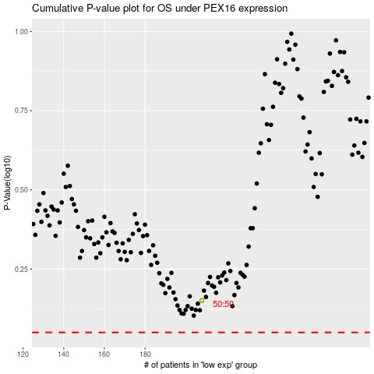

 |  |  |  |  |  | cases_OS | p_OS | rank | exp
 |  |  |  |  |  |  | cases_RFS | p_RFS | rank | exp

