PEX2 _multivariate
Reported by Tex Li-Hsing Chi. tex@gate.sinica.edu.tw 2019-08-17

Table 2. The clinicopathological features of HNSCC cohort and PEX2 expression. (Chi square test)
Cutoff at -0.238 (50.0%)
 |  | PEX2 expression |  | PEX2 expression |  | (Optimised)
 | Features | Low | (%) | High | (%) | Case no | P-value | Remark | Matthews
Gender | Female | 151 | 36.4 | 155 | 37.3 | 415 | 0.8007 | 0 | 0
2 | Male | 56 | 13.5 | 53 | 12.8
Age at diagnosis | <=65y | 130 | 31.3 | 144 | 34.7 | 415 | 0.2009 | 0 | 0
4 | >65y | 77 | 18.6 | 64 | 15.4
Clinical T Status | T1+T2 | 65 | 15.7 | 84 | 20.2 | 415 | 0.0711 | 0 | 0
6 | T3+T4 | 142 | 34.2 | 124 | 29.9
Clinical N Status | N0 | 111 | 26.7 | 105 | 25.3 | 415 | 0.5875 | 0 | 0
8 | N1-3 | 96 | 23.1 | 103 | 24.8
Clinical M Status | M0 | 206 | 49.6 | 206 | 49.6 | 415 | 1 | 0 | 0
10 | M1 | 1 | 0.2 | 2 | 0.5
Clinical Stage | Stage I+II | 47 | 11.3 | 55 | 13.3 | 415 | 0.4413 | 0 | 0
12 | Stage III+IV | 160 | 38.6 | 153 | 36.9
Surgical Margin status | Negative | 158 | 38.1 | 160 | 38.6 | 415 | 0.9081 | 0 | 0
14 | Positive | 49 | 11.8 | 48 | 11.6
Tobacco Exposure | Low | 85 | 20.5 | 76 | 18.3 | 415 | 0.3655 | 0 | 0
16 | High | 122 | 29.4 | 132 | 31.8

Table 3. Univariate/Multivariate Cox's proportional hazards regression analyses on OS time of PEX2 gene expression in HNSCC

 |  | Univariate |  |  |  | Multivariate
 | Features | HR | CI95%(L) | CI95%(H) | P-value | HR | CI95%(L) | CI95%(H) | P-value
1 | Female | 1 |  |  |  | 1
Gender | Male | 1.157 | 0.843 | 1.587 | 0.367 | 1.206 | 0.863 | 1.685 | 0.273
11 | <=65y | 1 |  |  |  | 1
Age at diagnosis | >65y | 1.329 | 0.99 | 1.784 | 0.058 | 1.389 | 1.022 | 1.889 | 0.036
12 | T1+T2 | 1 |  |  |  | 1
Clinical T Status | T3+T4 | 1.409 | 1.028 | 1.931 | 0.033 | 2.179 | 1.152 | 4.122 | 0.017
13 | N0 | 1 |  |  |  | 1
Clinical N Status | N1-3 | 1.185 | 0.89 | 1.577 | 0.246 | 1.247 | 0.873 | 1.78 | 0.224
14 | M0 | 1 |  |  |  | 1
Clinical M Status | M1 | 4.097 | 1.009 | 16.644 | 0.049 | 9.444 | 2.06 | 43.296 | 0.004
15 | Stage I+II | 1 |  |  |  | 1
Clinical Stage | Stage III+IV | 1.245 | 0.882 | 1.759 | 0.213 | 0.504 | 0.235 | 1.081 | 0.079
16 | Negative | 1 |  |  |  | 1
Surgical Margin status | Positive | 1.591 | 1.155 | 2.191 | 0.004 | 1.671 | 1.209 | 2.309 | 0.002
17 | Low | 1 |  |  |  | 1
Tobacco Exposure | High | 1.364 | 1.008 | 1.844 | 0.044 | 1.464 | 1.061 | 2.02 | 0.02
18 | Low | 1 |  |  |  | 1
RNAseq(z-score) | High | 0.902 | 0.677 | 1.202 | 0.481 | 0.908 | 0.68 | 1.213 | 0.515

Table 4. Univariate/Multivariate Cox's proportional hazards regression analyses on RFS time of PEX2 gene expression in HNSCC

 |  | Univariate |  |  |  | Multivariate
 | Features | HR | CI95%(L) | CI95%(H) | P-value | HR | CI95%(L) | CI95%(H) | P-value
1 | Female | 1 |  |  |  | 1
Gender | Male | 1.157 | 0.843 | 1.587 | 0.367 | 1.206 | 0.863 | 1.685 | 0.273
11 | <=65y | 1 |  |  |  | 1
Age at diagnosis | >65y | 1.329 | 0.99 | 1.784 | 0.058 | 1.389 | 1.022 | 1.889 | 0.036
12 | T1+T2 | 1 |  |  |  | 1
Clinical T Status | T3+T4 | 1.409 | 1.028 | 1.931 | 0.033 | 2.179 | 1.152 | 4.122 | 0.017
13 | N0 | 1 |  |  |  | 1
Clinical N Status | N1-3 | 1.185 | 0.89 | 1.577 | 0.246 | 1.247 | 0.873 | 1.78 | 0.224
14 | M0 | 1 |  |  |  | 1
Clinical M Status | M1 | 4.097 | 1.009 | 16.644 | 0.049 | 9.444 | 2.06 | 43.296 | 0.004
15 | Stage I+II | 1 |  |  |  | 1
Clinical Stage | Stage III+IV | 1.245 | 0.882 | 1.759 | 0.213 | 0.504 | 0.235 | 1.081 | 0.079
16 | Negative | 1 |  |  |  | 1
Surgical Margin status | Positive | 1.591 | 1.155 | 2.191 | 0.004 | 1.671 | 1.209 | 2.309 | 0.002
17 | Low | 1 |  |  |  | 1
Tobacco Exposure | High | 1.364 | 1.008 | 1.844 | 0.044 | 1.464 | 1.061 | 2.02 | 0.02
18 | Low | 1 |  |  |  | 1
RNAseq(z-score) | High | 0.902 | 0.677 | 1.202 | 0.481 | 0.908 | 0.68 | 1.213 | 0.515

Kaplan-Meier survival estimate: Cutoff at -0.238 (50.0%)



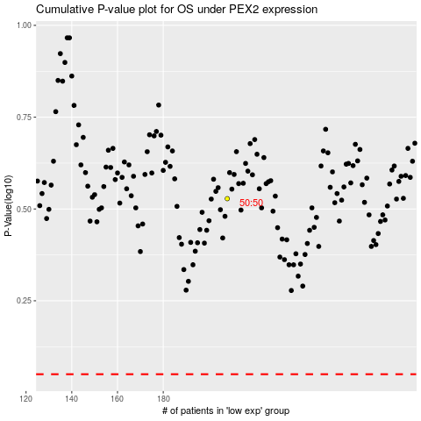

 |  |  |  |  |  | cases_OS | p_OS | rank | exp
 |  |  |  |  |  |  | cases_RFS | p_RFS | rank | exp

