PEX3 _multivariate
Reported by Tex Li-Hsing Chi. tex@gate.sinica.edu.tw 2019-08-17

Table 2. The clinicopathological features of HNSCC cohort and PEX3 expression. (Chi square test)
Cutoff at -0.197 (50.0%)
 |  | PEX3 expression |  | PEX3 expression |  | (Optimised)
 | Features | Low | (%) | High | (%) | Case no | P-value | Remark | Matthews
Gender | Female | 156 | 37.6 | 150 | 36.1 | 415 | 0.5222 | 0 | 0
2 | Male | 51 | 12.3 | 58 | 14
Age at diagnosis | <=65y | 137 | 33 | 137 | 33 | 415 | 1 | 0 | 0
4 | >65y | 70 | 16.9 | 71 | 17.1
Clinical T Status | T1+T2 | 69 | 16.6 | 80 | 19.3 | 415 | 0.3239 | 0 | 0
6 | T3+T4 | 138 | 33.3 | 128 | 30.8
Clinical N Status | N0 | 105 | 25.3 | 111 | 26.7 | 415 | 0.6598 | 0 | 0
8 | N1-3 | 102 | 24.6 | 97 | 23.4
Clinical M Status | M0 | 205 | 49.4 | 207 | 49.9 | 415 | 0.6232 | 0 | 0
10 | M1 | 2 | 0.5 | 1 | 0.2
Clinical Stage | Stage I+II | 45 | 10.8 | 57 | 13.7 | 415 | 0.2202 | 0 | 0
12 | Stage III+IV | 162 | 39 | 151 | 36.4
Surgical Margin status | Negative | 164 | 39.5 | 154 | 37.1 | 415 | 0.2462 | 0 | 0
14 | Positive | 43 | 10.4 | 54 | 13
Tobacco Exposure | Low | 71 | 17.1 | 90 | 21.7 | 415 | 0.0698 | 0 | 0
16 | High | 136 | 32.8 | 118 | 28.4

Table 3. Univariate/Multivariate Cox's proportional hazards regression analyses on OS time of PEX3 gene expression in HNSCC

 |  | Univariate |  |  |  | Multivariate
 | Features | HR | CI95%(L) | CI95%(H) | P-value | HR | CI95%(L) | CI95%(H) | P-value
1 | Female | 1 |  |  |  | 1
Gender | Male | 1.157 | 0.843 | 1.587 | 0.367 | 1.198 | 0.857 | 1.674 | 0.291
11 | <=65y | 1 |  |  |  | 1
Age at diagnosis | >65y | 1.329 | 0.99 | 1.784 | 0.058 | 1.391 | 1.023 | 1.89 | 0.035
12 | T1+T2 | 1 |  |  |  | 1
Clinical T Status | T3+T4 | 1.409 | 1.028 | 1.931 | 0.033 | 2.216 | 1.17 | 4.198 | 0.015
13 | N0 | 1 |  |  |  | 1
Clinical N Status | N1-3 | 1.185 | 0.89 | 1.577 | 0.246 | 1.244 | 0.872 | 1.776 | 0.229
14 | M0 | 1 |  |  |  | 1
Clinical M Status | M1 | 4.097 | 1.009 | 16.644 | 0.049 | 9.459 | 2.062 | 43.386 | 0.004
15 | Stage I+II | 1 |  |  |  | 1
Clinical Stage | Stage III+IV | 1.245 | 0.882 | 1.759 | 0.213 | 0.503 | 0.234 | 1.08 | 0.078
16 | Negative | 1 |  |  |  | 1
Surgical Margin status | Positive | 1.591 | 1.155 | 2.191 | 0.004 | 1.67 | 1.209 | 2.308 | 0.002
17 | Low | 1 |  |  |  | 1
Tobacco Exposure | High | 1.364 | 1.008 | 1.844 | 0.044 | 1.454 | 1.056 | 2.003 | 0.022
18 | Low | 1 |  |  |  | 1
RNAseq(z-score) | High | 0.999 | 0.75 | 1.331 | 0.996 | 1.039 | 0.778 | 1.389 | 0.794

Table 4. Univariate/Multivariate Cox's proportional hazards regression analyses on RFS time of PEX3 gene expression in HNSCC

 |  | Univariate |  |  |  | Multivariate
 | Features | HR | CI95%(L) | CI95%(H) | P-value | HR | CI95%(L) | CI95%(H) | P-value
1 | Female | 1 |  |  |  | 1
Gender | Male | 1.157 | 0.843 | 1.587 | 0.367 | 1.198 | 0.857 | 1.674 | 0.291
11 | <=65y | 1 |  |  |  | 1
Age at diagnosis | >65y | 1.329 | 0.99 | 1.784 | 0.058 | 1.391 | 1.023 | 1.89 | 0.035
12 | T1+T2 | 1 |  |  |  | 1
Clinical T Status | T3+T4 | 1.409 | 1.028 | 1.931 | 0.033 | 2.216 | 1.17 | 4.198 | 0.015
13 | N0 | 1 |  |  |  | 1
Clinical N Status | N1-3 | 1.185 | 0.89 | 1.577 | 0.246 | 1.244 | 0.872 | 1.776 | 0.229
14 | M0 | 1 |  |  |  | 1
Clinical M Status | M1 | 4.097 | 1.009 | 16.644 | 0.049 | 9.459 | 2.062 | 43.386 | 0.004
15 | Stage I+II | 1 |  |  |  | 1
Clinical Stage | Stage III+IV | 1.245 | 0.882 | 1.759 | 0.213 | 0.503 | 0.234 | 1.08 | 0.078
16 | Negative | 1 |  |  |  | 1
Surgical Margin status | Positive | 1.591 | 1.155 | 2.191 | 0.004 | 1.67 | 1.209 | 2.308 | 0.002
17 | Low | 1 |  |  |  | 1
Tobacco Exposure | High | 1.364 | 1.008 | 1.844 | 0.044 | 1.454 | 1.056 | 2.003 | 0.022
18 | Low | 1 |  |  |  | 1
RNAseq(z-score) | High | 0.999 | 0.75 | 1.331 | 0.996 | 1.039 | 0.778 | 1.389 | 0.794

Kaplan-Meier survival estimate: Cutoff at -0.197 (50.0%)



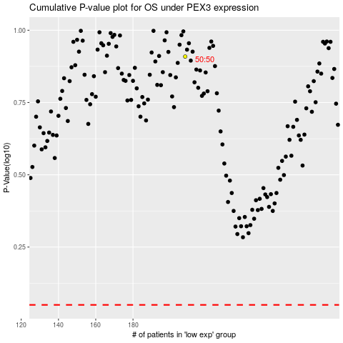

 |  |  |  |  |  | cases_OS | p_OS | rank | exp
 |  |  |  |  |  |  | cases_RFS | p_RFS | rank | exp

