PFKFB1 _multivariate
Reported by Tex Li-Hsing Chi. tex@gate.sinica.edu.tw 2019-08-17

Table 2. The clinicopathological features of HNSCC cohort and PFKFB1 expression. (Chi square test)
Cutoff at -0.191 (50.0%)
 |  | PFKFB1 expression |  | PFKFB1 expression |  | (Optimised)
 | Features | Low | (%) | High | (%) | Case no | P-value | Remark | Matthews
Gender | Female | 151 | 36.4 | 155 | 37.3 | 415 | 0.8007 | 0 | 0
2 | Male | 56 | 13.5 | 53 | 12.8
Age at diagnosis | <=65y | 137 | 33 | 137 | 33 | 415 | 1 | 0 | 0
4 | >65y | 70 | 16.9 | 71 | 17.1
Clinical T Status | T1+T2 | 56 | 13.5 | 93 | 22.4 | 415 | 3e-04 | 1 | 0
6 | T3+T4 | 151 | 36.4 | 115 | 27.7
Clinical N Status | N0 | 103 | 24.8 | 113 | 27.2 | 415 | 0.4047 | 0 | 0
8 | N1-3 | 104 | 25.1 | 95 | 22.9
Clinical M Status | M0 | 206 | 49.6 | 206 | 49.6 | 415 | 1 | 0 | 0
10 | M1 | 1 | 0.2 | 2 | 0.5
Clinical Stage | Stage I+II | 42 | 10.1 | 60 | 14.5 | 415 | 0.0561 | 0 | 0
12 | Stage III+IV | 165 | 39.8 | 148 | 35.7
Surgical Margin status | Negative | 162 | 39 | 156 | 37.6 | 415 | 0.4867 | 0 | 0
14 | Positive | 45 | 10.8 | 52 | 12.5
Tobacco Exposure | Low | 75 | 18.1 | 86 | 20.7 | 415 | 0.3141 | 0 | 0
16 | High | 132 | 31.8 | 122 | 29.4

Table 3. Univariate/Multivariate Cox's proportional hazards regression analyses on OS time of PFKFB1 gene expression in HNSCC

 |  | Univariate |  |  |  | Multivariate
 | Features | HR | CI95%(L) | CI95%(H) | P-value | HR | CI95%(L) | CI95%(H) | P-value
1 | Female | 1 |  |  |  | 1
Gender | Male | 1.157 | 0.843 | 1.587 | 0.367 | 1.2 | 0.859 | 1.677 | 0.285
11 | <=65y | 1 |  |  |  | 1
Age at diagnosis | >65y | 1.329 | 0.99 | 1.784 | 0.058 | 1.391 | 1.024 | 1.891 | 0.035
12 | T1+T2 | 1 |  |  |  | 1
Clinical T Status | T3+T4 | 1.409 | 1.028 | 1.931 | 0.033 | 2.229 | 1.175 | 4.231 | 0.014
13 | N0 | 1 |  |  |  | 1
Clinical N Status | N1-3 | 1.185 | 0.89 | 1.577 | 0.246 | 1.239 | 0.868 | 1.767 | 0.238
14 | M0 | 1 |  |  |  | 1
Clinical M Status | M1 | 4.097 | 1.009 | 16.644 | 0.049 | 9.423 | 2.056 | 43.196 | 0.004
15 | Stage I+II | 1 |  |  |  | 1
Clinical Stage | Stage III+IV | 1.245 | 0.882 | 1.759 | 0.213 | 0.502 | 0.234 | 1.079 | 0.078
16 | Negative | 1 |  |  |  | 1
Surgical Margin status | Positive | 1.591 | 1.155 | 2.191 | 0.004 | 1.661 | 1.199 | 2.299 | 0.002
17 | Low | 1 |  |  |  | 1
Tobacco Exposure | High | 1.364 | 1.008 | 1.844 | 0.044 | 1.455 | 1.056 | 2.004 | 0.022
18 | Low | 1 |  |  |  | 1
RNAseq(z-score) | High | 1.047 | 0.785 | 1.396 | 0.755 | 1.053 | 0.785 | 1.413 | 0.728

Table 4. Univariate/Multivariate Cox's proportional hazards regression analyses on RFS time of PFKFB1 gene expression in HNSCC

 |  | Univariate |  |  |  | Multivariate
 | Features | HR | CI95%(L) | CI95%(H) | P-value | HR | CI95%(L) | CI95%(H) | P-value
1 | Female | 1 |  |  |  | 1
Gender | Male | 1.157 | 0.843 | 1.587 | 0.367 | 1.2 | 0.859 | 1.677 | 0.285
11 | <=65y | 1 |  |  |  | 1
Age at diagnosis | >65y | 1.329 | 0.99 | 1.784 | 0.058 | 1.391 | 1.024 | 1.891 | 0.035
12 | T1+T2 | 1 |  |  |  | 1
Clinical T Status | T3+T4 | 1.409 | 1.028 | 1.931 | 0.033 | 2.229 | 1.175 | 4.231 | 0.014
13 | N0 | 1 |  |  |  | 1
Clinical N Status | N1-3 | 1.185 | 0.89 | 1.577 | 0.246 | 1.239 | 0.868 | 1.767 | 0.238
14 | M0 | 1 |  |  |  | 1
Clinical M Status | M1 | 4.097 | 1.009 | 16.644 | 0.049 | 9.423 | 2.056 | 43.196 | 0.004
15 | Stage I+II | 1 |  |  |  | 1
Clinical Stage | Stage III+IV | 1.245 | 0.882 | 1.759 | 0.213 | 0.502 | 0.234 | 1.079 | 0.078
16 | Negative | 1 |  |  |  | 1
Surgical Margin status | Positive | 1.591 | 1.155 | 2.191 | 0.004 | 1.661 | 1.199 | 2.299 | 0.002
17 | Low | 1 |  |  |  | 1
Tobacco Exposure | High | 1.364 | 1.008 | 1.844 | 0.044 | 1.455 | 1.056 | 2.004 | 0.022
18 | Low | 1 |  |  |  | 1
RNAseq(z-score) | High | 1.047 | 0.785 | 1.396 | 0.755 | 1.053 | 0.785 | 1.413 | 0.728

Kaplan-Meier survival estimate: Cutoff at -0.191 (50.0%)



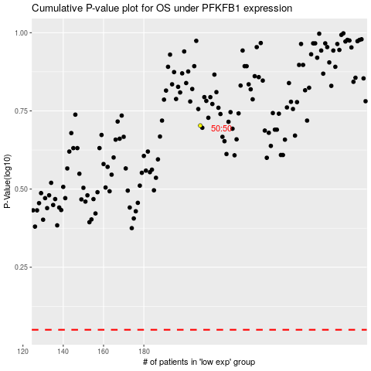

 |  |  |  |  |  | cases_OS | p_OS | rank | exp
 |  |  |  |  |  |  | cases_RFS | p_RFS | rank | exp

