PFKFB4 _multivariate
Reported by Tex Li-Hsing Chi. tex@gate.sinica.edu.tw 2019-08-17

Table 2. The clinicopathological features of HNSCC cohort and PFKFB4 expression. (Chi square test)
Cutoff at -0.298 (49.8%)
 |  | PFKFB4 expression |  | PFKFB4 expression |  | (Optimised)
 | Features | Low | (%) | High | (%) | Case no | P-value | Remark | Matthews
Gender | Female | 152 | 36.6 | 154 | 37.1 | 415 | 0.9766 | 0 | 0
2 | Male | 55 | 13.3 | 54 | 13
Age at diagnosis | <=65y | 140 | 33.7 | 134 | 32.3 | 415 | 0.5574 | 0 | 0
4 | >65y | 67 | 16.1 | 74 | 17.8
Clinical T Status | T1+T2 | 74 | 17.8 | 75 | 18.1 | 415 | 1 | 0 | 0
6 | T3+T4 | 133 | 32 | 133 | 32
Clinical N Status | N0 | 105 | 25.3 | 111 | 26.7 | 415 | 0.6598 | 0 | 0
8 | N1-3 | 102 | 24.6 | 97 | 23.4
Clinical M Status | M0 | 206 | 49.6 | 206 | 49.6 | 415 | 1 | 0 | 0
10 | M1 | 1 | 0.2 | 2 | 0.5
Clinical Stage | Stage I+II | 48 | 11.6 | 54 | 13 | 415 | 0.5878 | 0 | 0
12 | Stage III+IV | 159 | 38.3 | 154 | 37.1
Surgical Margin status | Negative | 160 | 38.6 | 158 | 38.1 | 415 | 0.8167 | 0 | 0
14 | Positive | 47 | 11.3 | 50 | 12
Tobacco Exposure | Low | 80 | 19.3 | 81 | 19.5 | 415 | 1 | 0 | 0
16 | High | 127 | 30.6 | 127 | 30.6

Table 3. Univariate/Multivariate Cox's proportional hazards regression analyses on OS time of PFKFB4 gene expression in HNSCC

 |  | Univariate |  |  |  | Multivariate
 | Features | HR | CI95%(L) | CI95%(H) | P-value | HR | CI95%(L) | CI95%(H) | P-value
1 | Female | 1 |  |  |  | 1
Gender | Male | 1.157 | 0.843 | 1.587 | 0.367 | 1.208 | 0.864 | 1.69 | 0.269
11 | <=65y | 1 |  |  |  | 1
Age at diagnosis | >65y | 1.329 | 0.99 | 1.784 | 0.058 | 1.395 | 1.026 | 1.897 | 0.034
12 | T1+T2 | 1 |  |  |  | 1
Clinical T Status | T3+T4 | 1.409 | 1.028 | 1.931 | 0.033 | 2.219 | 1.172 | 4.199 | 0.014
13 | N0 | 1 |  |  |  | 1
Clinical N Status | N1-3 | 1.185 | 0.89 | 1.577 | 0.246 | 1.238 | 0.867 | 1.766 | 0.24
14 | M0 | 1 |  |  |  | 1
Clinical M Status | M1 | 4.097 | 1.009 | 16.644 | 0.049 | 9.548 | 2.079 | 43.857 | 0.004
15 | Stage I+II | 1 |  |  |  | 1
Clinical Stage | Stage III+IV | 1.245 | 0.882 | 1.759 | 0.213 | 0.502 | 0.234 | 1.078 | 0.077
16 | Negative | 1 |  |  |  | 1
Surgical Margin status | Positive | 1.591 | 1.155 | 2.191 | 0.004 | 1.679 | 1.214 | 2.322 | 0.002
17 | Low | 1 |  |  |  | 1
Tobacco Exposure | High | 1.364 | 1.008 | 1.844 | 0.044 | 1.467 | 1.061 | 2.028 | 0.021
18 | Low | 1 |  |  |  | 1
RNAseq(z-score) | High | 1.035 | 0.776 | 1.38 | 0.816 | 0.943 | 0.704 | 1.263 | 0.693

Table 4. Univariate/Multivariate Cox's proportional hazards regression analyses on RFS time of PFKFB4 gene expression in HNSCC

 |  | Univariate |  |  |  | Multivariate
 | Features | HR | CI95%(L) | CI95%(H) | P-value | HR | CI95%(L) | CI95%(H) | P-value
1 | Female | 1 |  |  |  | 1
Gender | Male | 1.157 | 0.843 | 1.587 | 0.367 | 1.208 | 0.864 | 1.69 | 0.269
11 | <=65y | 1 |  |  |  | 1
Age at diagnosis | >65y | 1.329 | 0.99 | 1.784 | 0.058 | 1.395 | 1.026 | 1.897 | 0.034
12 | T1+T2 | 1 |  |  |  | 1
Clinical T Status | T3+T4 | 1.409 | 1.028 | 1.931 | 0.033 | 2.219 | 1.172 | 4.199 | 0.014
13 | N0 | 1 |  |  |  | 1
Clinical N Status | N1-3 | 1.185 | 0.89 | 1.577 | 0.246 | 1.238 | 0.867 | 1.766 | 0.24
14 | M0 | 1 |  |  |  | 1
Clinical M Status | M1 | 4.097 | 1.009 | 16.644 | 0.049 | 9.548 | 2.079 | 43.857 | 0.004
15 | Stage I+II | 1 |  |  |  | 1
Clinical Stage | Stage III+IV | 1.245 | 0.882 | 1.759 | 0.213 | 0.502 | 0.234 | 1.078 | 0.077
16 | Negative | 1 |  |  |  | 1
Surgical Margin status | Positive | 1.591 | 1.155 | 2.191 | 0.004 | 1.679 | 1.214 | 2.322 | 0.002
17 | Low | 1 |  |  |  | 1
Tobacco Exposure | High | 1.364 | 1.008 | 1.844 | 0.044 | 1.467 | 1.061 | 2.028 | 0.021
18 | Low | 1 |  |  |  | 1
RNAseq(z-score) | High | 1.035 | 0.776 | 1.38 | 0.816 | 0.943 | 0.704 | 1.263 | 0.693

Kaplan-Meier survival estimate: Cutoff at -0.298 (49.8%)



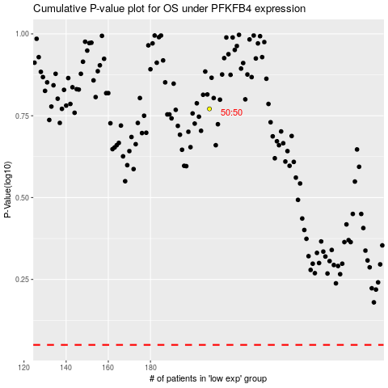

 |  |  |  |  |  | cases_OS | p_OS | rank | exp
 |  |  |  |  |  |  | cases_RFS | p_RFS | rank | exp

