PFKL _multivariate
Reported by Tex Li-Hsing Chi. tex@gate.sinica.edu.tw 2019-08-17

Table 2. The clinicopathological features of HNSCC cohort and PFKL expression. (Chi square test)
Cutoff at -0.15 (49.8%)
 |  | PFKL expression |  | PFKL expression |  | (Optimised)
 | Features | Low | (%) | High | (%) | Case no | P-value | Remark | Matthews
Gender | Female | 150 | 36.1 | 156 | 37.6 | 415 | 0.6344 | 0 | 0
2 | Male | 57 | 13.7 | 52 | 12.5
Age at diagnosis | <=65y | 134 | 32.3 | 140 | 33.7 | 415 | 0.6529 | 0 | 0
4 | >65y | 73 | 17.6 | 68 | 16.4
Clinical T Status | T1+T2 | 82 | 19.8 | 67 | 16.1 | 415 | 0.1417 | 0 | 0
6 | T3+T4 | 125 | 30.1 | 141 | 34
Clinical N Status | N0 | 117 | 28.2 | 99 | 23.9 | 415 | 0.0852 | 1 | 0
8 | N1-3 | 90 | 21.7 | 109 | 26.3
Clinical M Status | M0 | 206 | 49.6 | 206 | 49.6 | 415 | 1 | 0 | 0
10 | M1 | 1 | 0.2 | 2 | 0.5
Clinical Stage | Stage I+II | 64 | 15.4 | 38 | 9.2 | 415 | 0.004 | 1 | 0
12 | Stage III+IV | 143 | 34.5 | 170 | 41
Surgical Margin status | Negative | 159 | 38.3 | 159 | 38.3 | 415 | 1 | 0 | 0
14 | Positive | 48 | 11.6 | 49 | 11.8
Tobacco Exposure | Low | 86 | 20.7 | 75 | 18.1 | 415 | 0.2687 | 0 | 0
16 | High | 121 | 29.2 | 133 | 32

Table 3. Univariate/Multivariate Cox's proportional hazards regression analyses on OS time of PFKL gene expression in HNSCC

 |  | Univariate |  |  |  | Multivariate
 | Features | HR | CI95%(L) | CI95%(H) | P-value | HR | CI95%(L) | CI95%(H) | P-value
1 | Female | 1 |  |  |  | 1
Gender | Male | 1.157 | 0.843 | 1.587 | 0.367 | 1.199 | 0.858 | 1.675 | 0.287
11 | <=65y | 1 |  |  |  | 1
Age at diagnosis | >65y | 1.329 | 0.99 | 1.784 | 0.058 | 1.391 | 1.024 | 1.891 | 0.035
12 | T1+T2 | 1 |  |  |  | 1
Clinical T Status | T3+T4 | 1.409 | 1.028 | 1.931 | 0.033 | 2.201 | 1.164 | 4.162 | 0.015
13 | N0 | 1 |  |  |  | 1
Clinical N Status | N1-3 | 1.185 | 0.89 | 1.577 | 0.246 | 1.242 | 0.87 | 1.773 | 0.232
14 | M0 | 1 |  |  |  | 1
Clinical M Status | M1 | 4.097 | 1.009 | 16.644 | 0.049 | 9.419 | 2.055 | 43.177 | 0.004
15 | Stage I+II | 1 |  |  |  | 1
Clinical Stage | Stage III+IV | 1.245 | 0.882 | 1.759 | 0.213 | 0.51 | 0.237 | 1.097 | 0.085
16 | Negative | 1 |  |  |  | 1
Surgical Margin status | Positive | 1.591 | 1.155 | 2.191 | 0.004 | 1.677 | 1.213 | 2.318 | 0.002
17 | Low | 1 |  |  |  | 1
Tobacco Exposure | High | 1.364 | 1.008 | 1.844 | 0.044 | 1.453 | 1.055 | 2.001 | 0.022
18 | Low | 1 |  |  |  | 1
RNAseq(z-score) | High | 1.008 | 0.756 | 1.343 | 0.959 | 0.955 | 0.712 | 1.281 | 0.76

Table 4. Univariate/Multivariate Cox's proportional hazards regression analyses on RFS time of PFKL gene expression in HNSCC

 |  | Univariate |  |  |  | Multivariate
 | Features | HR | CI95%(L) | CI95%(H) | P-value | HR | CI95%(L) | CI95%(H) | P-value
1 | Female | 1 |  |  |  | 1
Gender | Male | 1.157 | 0.843 | 1.587 | 0.367 | 1.199 | 0.858 | 1.675 | 0.287
11 | <=65y | 1 |  |  |  | 1
Age at diagnosis | >65y | 1.329 | 0.99 | 1.784 | 0.058 | 1.391 | 1.024 | 1.891 | 0.035
12 | T1+T2 | 1 |  |  |  | 1
Clinical T Status | T3+T4 | 1.409 | 1.028 | 1.931 | 0.033 | 2.201 | 1.164 | 4.162 | 0.015
13 | N0 | 1 |  |  |  | 1
Clinical N Status | N1-3 | 1.185 | 0.89 | 1.577 | 0.246 | 1.242 | 0.87 | 1.773 | 0.232
14 | M0 | 1 |  |  |  | 1
Clinical M Status | M1 | 4.097 | 1.009 | 16.644 | 0.049 | 9.419 | 2.055 | 43.177 | 0.004
15 | Stage I+II | 1 |  |  |  | 1
Clinical Stage | Stage III+IV | 1.245 | 0.882 | 1.759 | 0.213 | 0.51 | 0.237 | 1.097 | 0.085
16 | Negative | 1 |  |  |  | 1
Surgical Margin status | Positive | 1.591 | 1.155 | 2.191 | 0.004 | 1.677 | 1.213 | 2.318 | 0.002
17 | Low | 1 |  |  |  | 1
Tobacco Exposure | High | 1.364 | 1.008 | 1.844 | 0.044 | 1.453 | 1.055 | 2.001 | 0.022
18 | Low | 1 |  |  |  | 1
RNAseq(z-score) | High | 1.008 | 0.756 | 1.343 | 0.959 | 0.955 | 0.712 | 1.281 | 0.76

Kaplan-Meier survival estimate: Cutoff at -0.15 (49.8%)



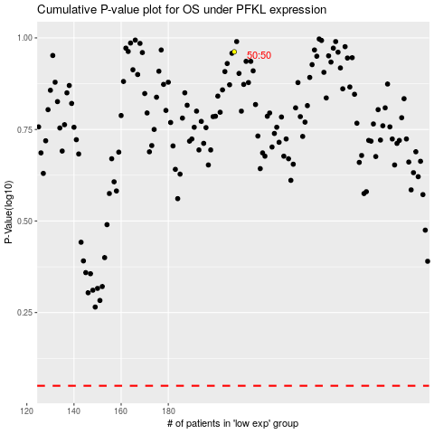

 |  |  |  |  |  | cases_OS | p_OS | rank | exp
 |  |  |  |  |  |  | cases_RFS | p_RFS | rank | exp

