PFN1 _multivariate
Reported by Tex Li-Hsing Chi. tex@gate.sinica.edu.tw 2019-08-17

Table 2. The clinicopathological features of HNSCC cohort and PFN1 expression. (Chi square test)
Cutoff at -0.073 (50.0%)
 |  | PFN1 expression |  | PFN1 expression |  | (Optimised)
 | Features | Low | (%) | High | (%) | Case no | P-value | Remark | Matthews
Gender | Female | 154 | 37.1 | 152 | 36.6 | 415 | 0.8463 | 0 | 0
2 | Male | 53 | 12.8 | 56 | 13.5
Age at diagnosis | <=65y | 145 | 34.9 | 129 | 31.1 | 415 | 0.1046 | 0 | 0
4 | >65y | 62 | 14.9 | 79 | 19
Clinical T Status | T1+T2 | 72 | 17.3 | 77 | 18.6 | 415 | 0.7095 | 0 | 0
6 | T3+T4 | 135 | 32.5 | 131 | 31.6
Clinical N Status | N0 | 108 | 26 | 108 | 26 | 415 | 1 | 0 | 0
8 | N1-3 | 99 | 23.9 | 100 | 24.1
Clinical M Status | M0 | 206 | 49.6 | 206 | 49.6 | 415 | 1 | 0 | 0
10 | M1 | 1 | 0.2 | 2 | 0.5
Clinical Stage | Stage I+II | 46 | 11.1 | 56 | 13.5 | 415 | 0.3182 | 0 | 0
12 | Stage III+IV | 161 | 38.8 | 152 | 36.6
Surgical Margin status | Negative | 155 | 37.3 | 163 | 39.3 | 415 | 0.4187 | 0 | 0
14 | Positive | 52 | 12.5 | 45 | 10.8
Tobacco Exposure | Low | 71 | 17.1 | 90 | 21.7 | 415 | 0.0698 | 0 | 0
16 | High | 136 | 32.8 | 118 | 28.4

Table 3. Univariate/Multivariate Cox's proportional hazards regression analyses on OS time of PFN1 gene expression in HNSCC

 |  | Univariate |  |  |  | Multivariate
 | Features | HR | CI95%(L) | CI95%(H) | P-value | HR | CI95%(L) | CI95%(H) | P-value
1 | Female | 1 |  |  |  | 1
Gender | Male | 1.157 | 0.843 | 1.587 | 0.367 | 1.203 | 0.862 | 1.68 | 0.278
11 | <=65y | 1 |  |  |  | 1
Age at diagnosis | >65y | 1.329 | 0.99 | 1.784 | 0.058 | 1.396 | 1.027 | 1.897 | 0.033
12 | T1+T2 | 1 |  |  |  | 1
Clinical T Status | T3+T4 | 1.409 | 1.028 | 1.931 | 0.033 | 2.214 | 1.17 | 4.187 | 0.015
13 | N0 | 1 |  |  |  | 1
Clinical N Status | N1-3 | 1.185 | 0.89 | 1.577 | 0.246 | 1.241 | 0.869 | 1.771 | 0.234
14 | M0 | 1 |  |  |  | 1
Clinical M Status | M1 | 4.097 | 1.009 | 16.644 | 0.049 | 9.732 | 2.114 | 44.793 | 0.003
15 | Stage I+II | 1 |  |  |  | 1
Clinical Stage | Stage III+IV | 1.245 | 0.882 | 1.759 | 0.213 | 0.497 | 0.231 | 1.069 | 0.074
16 | Negative | 1 |  |  |  | 1
Surgical Margin status | Positive | 1.591 | 1.155 | 2.191 | 0.004 | 1.668 | 1.207 | 2.306 | 0.002
17 | Low | 1 |  |  |  | 1
Tobacco Exposure | High | 1.364 | 1.008 | 1.844 | 0.044 | 1.444 | 1.047 | 1.99 | 0.025
18 | Low | 1 |  |  |  | 1
RNAseq(z-score) | High | 0.902 | 0.676 | 1.204 | 0.484 | 0.914 | 0.683 | 1.224 | 0.546

Table 4. Univariate/Multivariate Cox's proportional hazards regression analyses on RFS time of PFN1 gene expression in HNSCC

 |  | Univariate |  |  |  | Multivariate
 | Features | HR | CI95%(L) | CI95%(H) | P-value | HR | CI95%(L) | CI95%(H) | P-value
1 | Female | 1 |  |  |  | 1
Gender | Male | 1.157 | 0.843 | 1.587 | 0.367 | 1.203 | 0.862 | 1.68 | 0.278
11 | <=65y | 1 |  |  |  | 1
Age at diagnosis | >65y | 1.329 | 0.99 | 1.784 | 0.058 | 1.396 | 1.027 | 1.897 | 0.033
12 | T1+T2 | 1 |  |  |  | 1
Clinical T Status | T3+T4 | 1.409 | 1.028 | 1.931 | 0.033 | 2.214 | 1.17 | 4.187 | 0.015
13 | N0 | 1 |  |  |  | 1
Clinical N Status | N1-3 | 1.185 | 0.89 | 1.577 | 0.246 | 1.241 | 0.869 | 1.771 | 0.234
14 | M0 | 1 |  |  |  | 1
Clinical M Status | M1 | 4.097 | 1.009 | 16.644 | 0.049 | 9.732 | 2.114 | 44.793 | 0.003
15 | Stage I+II | 1 |  |  |  | 1
Clinical Stage | Stage III+IV | 1.245 | 0.882 | 1.759 | 0.213 | 0.497 | 0.231 | 1.069 | 0.074
16 | Negative | 1 |  |  |  | 1
Surgical Margin status | Positive | 1.591 | 1.155 | 2.191 | 0.004 | 1.668 | 1.207 | 2.306 | 0.002
17 | Low | 1 |  |  |  | 1
Tobacco Exposure | High | 1.364 | 1.008 | 1.844 | 0.044 | 1.444 | 1.047 | 1.99 | 0.025
18 | Low | 1 |  |  |  | 1
RNAseq(z-score) | High | 0.902 | 0.676 | 1.204 | 0.484 | 0.914 | 0.683 | 1.224 | 0.546

Kaplan-Meier survival estimate: Cutoff at -0.073 (50.0%)



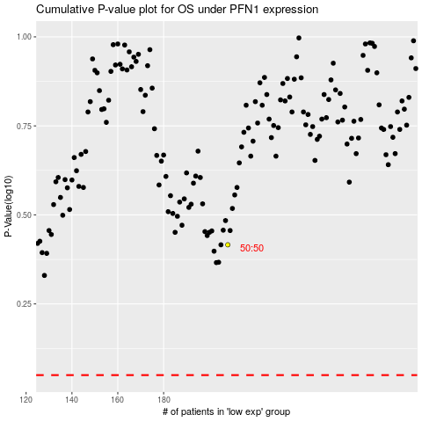

 |  |  |  |  |  | cases_OS | p_OS | rank | exp
 |  |  |  |  |  |  | cases_RFS | p_RFS | rank | exp

