PGAM1 _multivariate
Reported by Tex Li-Hsing Chi. tex@gate.sinica.edu.tw 2019-08-17

Table 2. The clinicopathological features of HNSCC cohort and PGAM1 expression. (Chi square test)
Cutoff at 0.541 (70.0%)
 |  | PGAM1 expression |  | PGAM1 expression |  | (Optimised)
 | Features | Low | (%) | High | (%) | Case no | P-value | Remark | Matthews
Gender | Female | 216 | 52 | 90 | 21.7 | 415 | 0.685 | 0 | 0
2 | Male | 74 | 17.8 | 35 | 8.4
Age at diagnosis | <=65y | 196 | 47.2 | 78 | 18.8 | 415 | 0.3626 | 0 | 0
4 | >65y | 94 | 22.7 | 47 | 11.3
Clinical T Status | T1+T2 | 109 | 26.3 | 40 | 9.6 | 415 | 0.3287 | 0 | 0
6 | T3+T4 | 181 | 43.6 | 85 | 20.5
Clinical N Status | N0 | 151 | 36.4 | 65 | 15.7 | 415 | 1 | 0 | 0
8 | N1-3 | 139 | 33.5 | 60 | 14.5
Clinical M Status | M0 | 290 | 69.9 | 122 | 29.4 | 415 | 0.0269 | 1 | 0
10 | M1 | 0 | 0 | 3 | 0.7
Clinical Stage | Stage I+II | 73 | 17.6 | 29 | 7 | 415 | 0.7612 | 0 | 0
12 | Stage III+IV | 217 | 52.3 | 96 | 23.1
Surgical Margin status | Negative | 224 | 54 | 94 | 22.7 | 415 | 0.7047 | 0 | 0
14 | Positive | 66 | 15.9 | 31 | 7.5
Tobacco Exposure | Low | 112 | 27 | 49 | 11.8 | 415 | 0.913 | 0 | 0
16 | High | 178 | 42.9 | 76 | 18.3

Table 3. Univariate/Multivariate Cox's proportional hazards regression analyses on OS time of PGAM1 gene expression in HNSCC

 |  | Univariate |  |  |  | Multivariate
 | Features | HR | CI95%(L) | CI95%(H) | P-value | HR | CI95%(L) | CI95%(H) | P-value
1 | Female | 1 |  |  |  | 1
Gender | Male | 1.157 | 0.843 | 1.587 | 0.367 | 1.201 | 0.86 | 1.677 | 0.282
11 | <=65y | 1 |  |  |  | 1
Age at diagnosis | >65y | 1.329 | 0.99 | 1.784 | 0.058 | 1.366 | 1.004 | 1.858 | 0.047
12 | T1+T2 | 1 |  |  |  | 1
Clinical T Status | T3+T4 | 1.409 | 1.028 | 1.931 | 0.033 | 2.138 | 1.129 | 4.048 | 0.02
13 | N0 | 1 |  |  |  | 1
Clinical N Status | N1-3 | 1.185 | 0.89 | 1.577 | 0.246 | 1.245 | 0.873 | 1.775 | 0.226
14 | M0 | 1 |  |  |  | 1
Clinical M Status | M1 | 4.097 | 1.009 | 16.644 | 0.049 | 7.766 | 1.663 | 36.27 | 0.009
15 | Stage I+II | 1 |  |  |  | 1
Clinical Stage | Stage III+IV | 1.245 | 0.882 | 1.759 | 0.213 | 0.517 | 0.241 | 1.11 | 0.091
16 | Negative | 1 |  |  |  | 1
Surgical Margin status | Positive | 1.591 | 1.155 | 2.191 | 0.004 | 1.663 | 1.204 | 2.299 | 0.002
17 | Low | 1 |  |  |  | 1
Tobacco Exposure | High | 1.364 | 1.008 | 1.844 | 0.044 | 1.466 | 1.064 | 2.021 | 0.019
18 | Low | 1 |  |  |  | 1
RNAseq(z-score) | High | 1.353 | 1.002 | 1.826 | 0.048 | 1.271 | 0.936 | 1.725 | 0.124

Table 4. Univariate/Multivariate Cox's proportional hazards regression analyses on RFS time of PGAM1 gene expression in HNSCC

 |  | Univariate |  |  |  | Multivariate
 | Features | HR | CI95%(L) | CI95%(H) | P-value | HR | CI95%(L) | CI95%(H) | P-value
1 | Female | 1 |  |  |  | 1
Gender | Male | 1.157 | 0.843 | 1.587 | 0.367 | 1.201 | 0.86 | 1.677 | 0.282
11 | <=65y | 1 |  |  |  | 1
Age at diagnosis | >65y | 1.329 | 0.99 | 1.784 | 0.058 | 1.366 | 1.004 | 1.858 | 0.047
12 | T1+T2 | 1 |  |  |  | 1
Clinical T Status | T3+T4 | 1.409 | 1.028 | 1.931 | 0.033 | 2.138 | 1.129 | 4.048 | 0.02
13 | N0 | 1 |  |  |  | 1
Clinical N Status | N1-3 | 1.185 | 0.89 | 1.577 | 0.246 | 1.245 | 0.873 | 1.775 | 0.226
14 | M0 | 1 |  |  |  | 1
Clinical M Status | M1 | 4.097 | 1.009 | 16.644 | 0.049 | 7.766 | 1.663 | 36.27 | 0.009
15 | Stage I+II | 1 |  |  |  | 1
Clinical Stage | Stage III+IV | 1.245 | 0.882 | 1.759 | 0.213 | 0.517 | 0.241 | 1.11 | 0.091
16 | Negative | 1 |  |  |  | 1
Surgical Margin status | Positive | 1.591 | 1.155 | 2.191 | 0.004 | 1.663 | 1.204 | 2.299 | 0.002
17 | Low | 1 |  |  |  | 1
Tobacco Exposure | High | 1.364 | 1.008 | 1.844 | 0.044 | 1.466 | 1.064 | 2.021 | 0.019
18 | Low | 1 |  |  |  | 1
RNAseq(z-score) | High | 1.353 | 1.002 | 1.826 | 0.048 | 1.271 | 0.936 | 1.725 | 0.124

Kaplan-Meier survival estimate: Cutoff at 0.541 (70.0%)

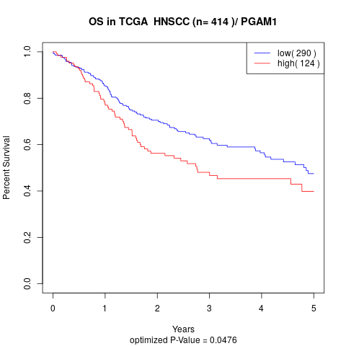

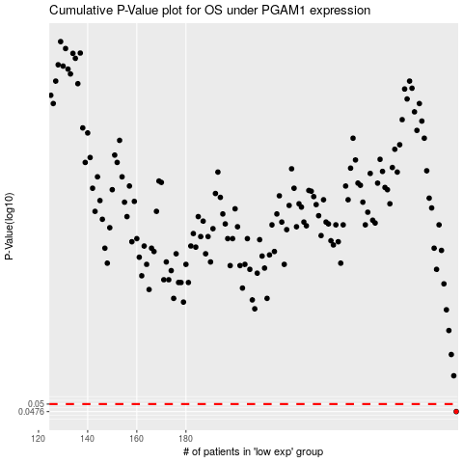

 |  |  |  |  |  | cases_OS | p_OS | rank | exp
 |  |  |  |  |  | 290 | 0.0476 | 64 | 0.5410996707
 |  |  |  |  |  |  | cases_RFS | p_RFS | rank | exp
 |  |  |  |  |  |  | 289 | 0.0476 | 150 | 0.53994354374

