PGAM5 _multivariate
Reported by Tex Li-Hsing Chi. tex@gate.sinica.edu.tw 2019-08-17

Table 2. The clinicopathological features of HNSCC cohort and PGAM5 expression. (Chi square test)
Cutoff at -0.069 (49.8%)
 |  | PGAM5 expression |  | PGAM5 expression |  | (Optimised)
 | Features | Low | (%) | High | (%) | Case no | P-value | Remark | Matthews
Gender | Female | 149 | 35.9 | 157 | 37.8 | 415 | 0.4848 | 0 | 0
2 | Male | 58 | 14 | 51 | 12.3
Age at diagnosis | <=65y | 142 | 34.2 | 132 | 31.8 | 415 | 0.3167 | 0 | 0
4 | >65y | 65 | 15.7 | 76 | 18.3
Clinical T Status | T1+T2 | 86 | 20.7 | 63 | 15.2 | 415 | 0.0221 | 1 | 0
6 | T3+T4 | 121 | 29.2 | 145 | 34.9
Clinical N Status | N0 | 110 | 26.5 | 106 | 25.5 | 415 | 0.7294 | 0 | 0
8 | N1-3 | 97 | 23.4 | 102 | 24.6
Clinical M Status | M0 | 206 | 49.6 | 206 | 49.6 | 415 | 1 | 0 | 0
10 | M1 | 1 | 0.2 | 2 | 0.5
Clinical Stage | Stage I+II | 56 | 13.5 | 46 | 11.1 | 415 | 0.2918 | 0 | 0
12 | Stage III+IV | 151 | 36.4 | 162 | 39
Surgical Margin status | Negative | 161 | 38.8 | 157 | 37.8 | 415 | 0.6429 | 0 | 0
14 | Positive | 46 | 11.1 | 51 | 12.3
Tobacco Exposure | Low | 84 | 20.2 | 77 | 18.6 | 415 | 0.4816 | 0 | 0
16 | High | 123 | 29.6 | 131 | 31.6

Table 3. Univariate/Multivariate Cox's proportional hazards regression analyses on OS time of PGAM5 gene expression in HNSCC

 |  | Univariate |  |  |  | Multivariate
 | Features | HR | CI95%(L) | CI95%(H) | P-value | HR | CI95%(L) | CI95%(H) | P-value
1 | Female | 1 |  |  |  | 1
Gender | Male | 1.157 | 0.843 | 1.587 | 0.367 | 1.197 | 0.856 | 1.674 | 0.294
11 | <=65y | 1 |  |  |  | 1
Age at diagnosis | >65y | 1.329 | 0.99 | 1.784 | 0.058 | 1.396 | 1.026 | 1.9 | 0.034
12 | T1+T2 | 1 |  |  |  | 1
Clinical T Status | T3+T4 | 1.409 | 1.028 | 1.931 | 0.033 | 2.218 | 1.171 | 4.204 | 0.015
13 | N0 | 1 |  |  |  | 1
Clinical N Status | N1-3 | 1.185 | 0.89 | 1.577 | 0.246 | 1.24 | 0.869 | 1.77 | 0.235
14 | M0 | 1 |  |  |  | 1
Clinical M Status | M1 | 4.097 | 1.009 | 16.644 | 0.049 | 9.477 | 2.065 | 43.481 | 0.004
15 | Stage I+II | 1 |  |  |  | 1
Clinical Stage | Stage III+IV | 1.245 | 0.882 | 1.759 | 0.213 | 0.504 | 0.235 | 1.082 | 0.079
16 | Negative | 1 |  |  |  | 1
Surgical Margin status | Positive | 1.591 | 1.155 | 2.191 | 0.004 | 1.672 | 1.21 | 2.31 | 0.002
17 | Low | 1 |  |  |  | 1
Tobacco Exposure | High | 1.364 | 1.008 | 1.844 | 0.044 | 1.453 | 1.055 | 2.002 | 0.022
18 | Low | 1 |  |  |  | 1
RNAseq(z-score) | High | 1.031 | 0.774 | 1.374 | 0.833 | 0.96 | 0.716 | 1.286 | 0.784

Table 4. Univariate/Multivariate Cox's proportional hazards regression analyses on RFS time of PGAM5 gene expression in HNSCC

 |  | Univariate |  |  |  | Multivariate
 | Features | HR | CI95%(L) | CI95%(H) | P-value | HR | CI95%(L) | CI95%(H) | P-value
1 | Female | 1 |  |  |  | 1
Gender | Male | 1.157 | 0.843 | 1.587 | 0.367 | 1.197 | 0.856 | 1.674 | 0.294
11 | <=65y | 1 |  |  |  | 1
Age at diagnosis | >65y | 1.329 | 0.99 | 1.784 | 0.058 | 1.396 | 1.026 | 1.9 | 0.034
12 | T1+T2 | 1 |  |  |  | 1
Clinical T Status | T3+T4 | 1.409 | 1.028 | 1.931 | 0.033 | 2.218 | 1.171 | 4.204 | 0.015
13 | N0 | 1 |  |  |  | 1
Clinical N Status | N1-3 | 1.185 | 0.89 | 1.577 | 0.246 | 1.24 | 0.869 | 1.77 | 0.235
14 | M0 | 1 |  |  |  | 1
Clinical M Status | M1 | 4.097 | 1.009 | 16.644 | 0.049 | 9.477 | 2.065 | 43.481 | 0.004
15 | Stage I+II | 1 |  |  |  | 1
Clinical Stage | Stage III+IV | 1.245 | 0.882 | 1.759 | 0.213 | 0.504 | 0.235 | 1.082 | 0.079
16 | Negative | 1 |  |  |  | 1
Surgical Margin status | Positive | 1.591 | 1.155 | 2.191 | 0.004 | 1.672 | 1.21 | 2.31 | 0.002
17 | Low | 1 |  |  |  | 1
Tobacco Exposure | High | 1.364 | 1.008 | 1.844 | 0.044 | 1.453 | 1.055 | 2.002 | 0.022
18 | Low | 1 |  |  |  | 1
RNAseq(z-score) | High | 1.031 | 0.774 | 1.374 | 0.833 | 0.96 | 0.716 | 1.286 | 0.784

Kaplan-Meier survival estimate: Cutoff at -0.069 (49.8%)



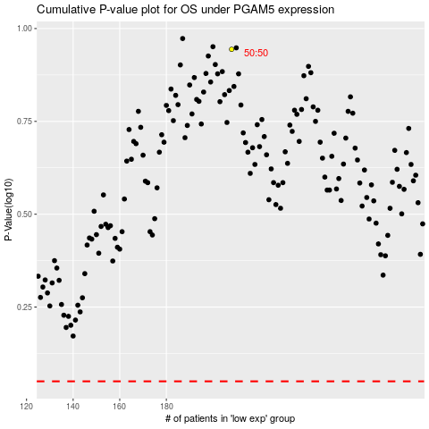

 |  |  |  |  |  | cases_OS | p_OS | rank | exp
 |  |  |  |  |  |  | cases_RFS | p_RFS | rank | exp

