PGBD4 _multivariate
Reported by Tex Li-Hsing Chi. tex@gate.sinica.edu.tw 2019-08-17

Table 2. The clinicopathological features of HNSCC cohort and PGBD4 expression. (Chi square test)
Cutoff at -0.163 (49.8%)
 |  | PGBD4 expression |  | PGBD4 expression |  | (Optimised)
 | Features | Low | (%) | High | (%) | Case no | P-value | Remark | Matthews
Gender | Female | 143 | 34.5 | 163 | 39.3 | 415 | 0.0416 | 1 | 0
2 | Male | 64 | 15.4 | 45 | 10.8
Age at diagnosis | <=65y | 137 | 33 | 137 | 33 | 415 | 1 | 0 | 0
4 | >65y | 70 | 16.9 | 71 | 17.1
Clinical T Status | T1+T2 | 68 | 16.4 | 81 | 19.5 | 415 | 0.2336 | 0 | 0
6 | T3+T4 | 139 | 33.5 | 127 | 30.6
Clinical N Status | N0 | 97 | 23.4 | 119 | 28.7 | 415 | 0.0442 | 1 | 0
8 | N1-3 | 110 | 26.5 | 89 | 21.4
Clinical M Status | M0 | 206 | 49.6 | 206 | 49.6 | 415 | 1 | 0 | 0
10 | M1 | 1 | 0.2 | 2 | 0.5
Clinical Stage | Stage I+II | 48 | 11.6 | 54 | 13 | 415 | 0.5878 | 0 | 0
12 | Stage III+IV | 159 | 38.3 | 154 | 37.1
Surgical Margin status | Negative | 156 | 37.6 | 162 | 39 | 415 | 0.5636 | 0 | 0
14 | Positive | 51 | 12.3 | 46 | 11.1
Tobacco Exposure | Low | 85 | 20.5 | 76 | 18.3 | 415 | 0.3655 | 0 | 0
16 | High | 122 | 29.4 | 132 | 31.8

Table 3. Univariate/Multivariate Cox's proportional hazards regression analyses on OS time of PGBD4 gene expression in HNSCC

 |  | Univariate |  |  |  | Multivariate
 | Features | HR | CI95%(L) | CI95%(H) | P-value | HR | CI95%(L) | CI95%(H) | P-value
1 | Female | 1 |  |  |  | 1
Gender | Male | 1.157 | 0.843 | 1.587 | 0.367 | 1.196 | 0.854 | 1.675 | 0.297
11 | <=65y | 1 |  |  |  | 1
Age at diagnosis | >65y | 1.329 | 0.99 | 1.784 | 0.058 | 1.39 | 1.023 | 1.89 | 0.035
12 | T1+T2 | 1 |  |  |  | 1
Clinical T Status | T3+T4 | 1.409 | 1.028 | 1.931 | 0.033 | 2.191 | 1.157 | 4.15 | 0.016
13 | N0 | 1 |  |  |  | 1
Clinical N Status | N1-3 | 1.185 | 0.89 | 1.577 | 0.246 | 1.234 | 0.862 | 1.767 | 0.251
14 | M0 | 1 |  |  |  | 1
Clinical M Status | M1 | 4.097 | 1.009 | 16.644 | 0.049 | 9.396 | 2.05 | 43.071 | 0.004
15 | Stage I+II | 1 |  |  |  | 1
Clinical Stage | Stage III+IV | 1.245 | 0.882 | 1.759 | 0.213 | 0.508 | 0.236 | 1.094 | 0.084
16 | Negative | 1 |  |  |  | 1
Surgical Margin status | Positive | 1.591 | 1.155 | 2.191 | 0.004 | 1.669 | 1.208 | 2.307 | 0.002
17 | Low | 1 |  |  |  | 1
Tobacco Exposure | High | 1.364 | 1.008 | 1.844 | 0.044 | 1.454 | 1.055 | 2.004 | 0.022
18 | Low | 1 |  |  |  | 1
RNAseq(z-score) | High | 0.902 | 0.676 | 1.204 | 0.485 | 0.968 | 0.72 | 1.303 | 0.831

Table 4. Univariate/Multivariate Cox's proportional hazards regression analyses on RFS time of PGBD4 gene expression in HNSCC

 |  | Univariate |  |  |  | Multivariate
 | Features | HR | CI95%(L) | CI95%(H) | P-value | HR | CI95%(L) | CI95%(H) | P-value
1 | Female | 1 |  |  |  | 1
Gender | Male | 1.157 | 0.843 | 1.587 | 0.367 | 1.196 | 0.854 | 1.675 | 0.297
11 | <=65y | 1 |  |  |  | 1
Age at diagnosis | >65y | 1.329 | 0.99 | 1.784 | 0.058 | 1.39 | 1.023 | 1.89 | 0.035
12 | T1+T2 | 1 |  |  |  | 1
Clinical T Status | T3+T4 | 1.409 | 1.028 | 1.931 | 0.033 | 2.191 | 1.157 | 4.15 | 0.016
13 | N0 | 1 |  |  |  | 1
Clinical N Status | N1-3 | 1.185 | 0.89 | 1.577 | 0.246 | 1.234 | 0.862 | 1.767 | 0.251
14 | M0 | 1 |  |  |  | 1
Clinical M Status | M1 | 4.097 | 1.009 | 16.644 | 0.049 | 9.396 | 2.05 | 43.071 | 0.004
15 | Stage I+II | 1 |  |  |  | 1
Clinical Stage | Stage III+IV | 1.245 | 0.882 | 1.759 | 0.213 | 0.508 | 0.236 | 1.094 | 0.084
16 | Negative | 1 |  |  |  | 1
Surgical Margin status | Positive | 1.591 | 1.155 | 2.191 | 0.004 | 1.669 | 1.208 | 2.307 | 0.002
17 | Low | 1 |  |  |  | 1
Tobacco Exposure | High | 1.364 | 1.008 | 1.844 | 0.044 | 1.454 | 1.055 | 2.004 | 0.022
18 | Low | 1 |  |  |  | 1
RNAseq(z-score) | High | 0.902 | 0.676 | 1.204 | 0.485 | 0.968 | 0.72 | 1.303 | 0.831

Kaplan-Meier survival estimate: Cutoff at -0.163 (49.8%)



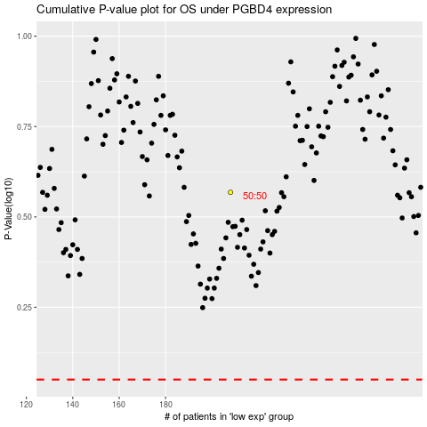

 |  |  |  |  |  | cases_OS | p_OS | rank | exp
 |  |  |  |  |  |  | cases_RFS | p_RFS | rank | exp

