PGBD5 _multivariate
Reported by Tex Li-Hsing Chi. tex@gate.sinica.edu.tw 2019-08-17

Table 2. The clinicopathological features of HNSCC cohort and PGBD5 expression. (Chi square test)
Cutoff at 0.224 (69.1%)
 |  | PGBD5 expression |  | PGBD5 expression |  | (Optimised)
 | Features | Low | (%) | High | (%) | Case no | P-value | Remark | Matthews
Gender | Female | 214 | 51.6 | 92 | 22.2 | 415 | 0.6497 | 0 | 0
2 | Male | 73 | 17.6 | 36 | 8.7
Age at diagnosis | <=65y | 193 | 46.5 | 81 | 19.5 | 415 | 0.4993 | 0 | 0
4 | >65y | 94 | 22.7 | 47 | 11.3
Clinical T Status | T1+T2 | 103 | 24.8 | 46 | 11.1 | 415 | 1 | 0 | 0
6 | T3+T4 | 184 | 44.3 | 82 | 19.8
Clinical N Status | N0 | 142 | 34.2 | 74 | 17.8 | 415 | 0.1434 | 0 | 0
8 | N1-3 | 145 | 34.9 | 54 | 13
Clinical M Status | M0 | 284 | 68.4 | 128 | 30.8 | 415 | 0.5558 | 0 | 0
10 | M1 | 3 | 0.7 | 0 | 0
Clinical Stage | Stage I+II | 67 | 16.1 | 35 | 8.4 | 415 | 0.453 | 0 | 0
12 | Stage III+IV | 220 | 53 | 93 | 22.4
Surgical Margin status | Negative | 218 | 52.5 | 100 | 24.1 | 415 | 0.7068 | 0 | 0
14 | Positive | 69 | 16.6 | 28 | 6.7
Tobacco Exposure | Low | 108 | 26 | 53 | 12.8 | 415 | 0.5131 | 0 | 0
16 | High | 179 | 43.1 | 75 | 18.1

Table 3. Univariate/Multivariate Cox's proportional hazards regression analyses on OS time of PGBD5 gene expression in HNSCC

 |  | Univariate |  |  |  | Multivariate
 | Features | HR | CI95%(L) | CI95%(H) | P-value | HR | CI95%(L) | CI95%(H) | P-value
1 | Female | 1 |  |  |  | 1
Gender | Male | 1.157 | 0.843 | 1.587 | 0.367 | 1.185 | 0.849 | 1.655 | 0.319
11 | <=65y | 1 |  |  |  | 1
Age at diagnosis | >65y | 1.329 | 0.99 | 1.784 | 0.058 | 1.388 | 1.021 | 1.887 | 0.036
12 | T1+T2 | 1 |  |  |  | 1
Clinical T Status | T3+T4 | 1.409 | 1.028 | 1.931 | 0.033 | 2.26 | 1.194 | 4.278 | 0.012
13 | N0 | 1 |  |  |  | 1
Clinical N Status | N1-3 | 1.185 | 0.89 | 1.577 | 0.246 | 1.205 | 0.843 | 1.72 | 0.306
14 | M0 | 1 |  |  |  | 1
Clinical M Status | M1 | 4.097 | 1.009 | 16.644 | 0.049 | 8.932 | 1.947 | 40.979 | 0.005
15 | Stage I+II | 1 |  |  |  | 1
Clinical Stage | Stage III+IV | 1.245 | 0.882 | 1.759 | 0.213 | 0.491 | 0.229 | 1.053 | 0.068
16 | Negative | 1 |  |  |  | 1
Surgical Margin status | Positive | 1.591 | 1.155 | 2.191 | 0.004 | 1.659 | 1.201 | 2.292 | 0.002
17 | Low | 1 |  |  |  | 1
Tobacco Exposure | High | 1.364 | 1.008 | 1.844 | 0.044 | 1.434 | 1.041 | 1.976 | 0.027
18 | Low | 1 |  |  |  | 1
RNAseq(z-score) | High | 0.723 | 0.523 | 0.998 | 0.048 | 0.743 | 0.536 | 1.03 | 0.075

Table 4. Univariate/Multivariate Cox's proportional hazards regression analyses on RFS time of PGBD5 gene expression in HNSCC

 |  | Univariate |  |  |  | Multivariate
 | Features | HR | CI95%(L) | CI95%(H) | P-value | HR | CI95%(L) | CI95%(H) | P-value
1 | Female | 1 |  |  |  | 1
Gender | Male | 1.157 | 0.843 | 1.587 | 0.367 | 1.185 | 0.849 | 1.655 | 0.319
11 | <=65y | 1 |  |  |  | 1
Age at diagnosis | >65y | 1.329 | 0.99 | 1.784 | 0.058 | 1.388 | 1.021 | 1.887 | 0.036
12 | T1+T2 | 1 |  |  |  | 1
Clinical T Status | T3+T4 | 1.409 | 1.028 | 1.931 | 0.033 | 2.26 | 1.194 | 4.278 | 0.012
13 | N0 | 1 |  |  |  | 1
Clinical N Status | N1-3 | 1.185 | 0.89 | 1.577 | 0.246 | 1.205 | 0.843 | 1.72 | 0.306
14 | M0 | 1 |  |  |  | 1
Clinical M Status | M1 | 4.097 | 1.009 | 16.644 | 0.049 | 8.932 | 1.947 | 40.979 | 0.005
15 | Stage I+II | 1 |  |  |  | 1
Clinical Stage | Stage III+IV | 1.245 | 0.882 | 1.759 | 0.213 | 0.491 | 0.229 | 1.053 | 0.068
16 | Negative | 1 |  |  |  | 1
Surgical Margin status | Positive | 1.591 | 1.155 | 2.191 | 0.004 | 1.659 | 1.201 | 2.292 | 0.002
17 | Low | 1 |  |  |  | 1
Tobacco Exposure | High | 1.364 | 1.008 | 1.844 | 0.044 | 1.434 | 1.041 | 1.976 | 0.027
18 | Low | 1 |  |  |  | 1
RNAseq(z-score) | High | 0.723 | 0.523 | 0.998 | 0.048 | 0.743 | 0.536 | 1.03 | 0.075

Kaplan-Meier survival estimate: Cutoff at 0.224 (69.1%)



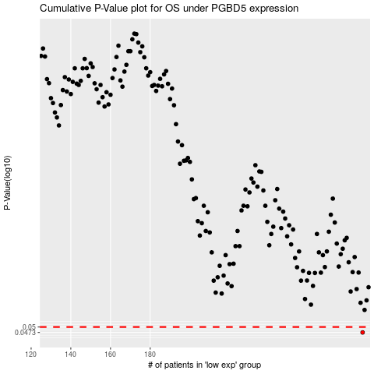

 |  |  |  |  |  | cases_OS | p_OS | rank | exp
 |  |  |  |  |  | 287 | 0.0473 | 49 | 0.22376413881
 |  |  |  |  |  |  | cases_RFS | p_RFS | rank | exp
 |  |  |  |  |  |  | 286 | 0.0473 | 229 | 0.21316043907

