PGLYRP3 _multivariate
Reported by Tex Li-Hsing Chi. tex@gate.sinica.edu.tw 2019-08-17

Table 2. The clinicopathological features of HNSCC cohort and PGLYRP3 expression. (Chi square test)
Cutoff at -0.328 (50.0%)
 |  | PGLYRP3 expression |  | PGLYRP3 expression |  | (Optimised)
 | Features | Low | (%) | High | (%) | Case no | P-value | Remark | Matthews
Gender | Female | 160 | 38.6 | 146 | 35.2 | 415 | 0.1254 | 0 | 0
2 | Male | 47 | 11.3 | 62 | 14.9
Age at diagnosis | <=65y | 138 | 33.3 | 136 | 32.8 | 415 | 0.8634 | 0 | 0
4 | >65y | 69 | 16.6 | 72 | 17.3
Clinical T Status | T1+T2 | 87 | 21 | 62 | 14.9 | 415 | 0.0127 | 1 | 0
6 | T3+T4 | 120 | 28.9 | 146 | 35.2
Clinical N Status | N0 | 102 | 24.6 | 114 | 27.5 | 415 | 0.3031 | 0 | 0
8 | N1-3 | 105 | 25.3 | 94 | 22.7
Clinical M Status | M0 | 206 | 49.6 | 206 | 49.6 | 415 | 1 | 0 | 0
10 | M1 | 1 | 0.2 | 2 | 0.5
Clinical Stage | Stage I+II | 57 | 13.7 | 45 | 10.8 | 415 | 0.1998 | 0 | 0
12 | Stage III+IV | 150 | 36.1 | 163 | 39.3
Surgical Margin status | Negative | 146 | 35.2 | 172 | 41.4 | 415 | 0.0037 | 1 | 0
14 | Positive | 61 | 14.7 | 36 | 8.7
Tobacco Exposure | Low | 82 | 19.8 | 79 | 19 | 415 | 0.763 | 0 | 0
16 | High | 125 | 30.1 | 129 | 31.1

Table 3. Univariate/Multivariate Cox's proportional hazards regression analyses on OS time of PGLYRP3 gene expression in HNSCC

 |  | Univariate |  |  |  | Multivariate
 | Features | HR | CI95%(L) | CI95%(H) | P-value | HR | CI95%(L) | CI95%(H) | P-value
1 | Female | 1 |  |  |  | 1
Gender | Male | 1.157 | 0.843 | 1.587 | 0.367 | 1.238 | 0.883 | 1.735 | 0.217
11 | <=65y | 1 |  |  |  | 1
Age at diagnosis | >65y | 1.329 | 0.99 | 1.784 | 0.058 | 1.398 | 1.027 | 1.902 | 0.033
12 | T1+T2 | 1 |  |  |  | 1
Clinical T Status | T3+T4 | 1.409 | 1.028 | 1.931 | 0.033 | 2.247 | 1.188 | 4.249 | 0.013
13 | N0 | 1 |  |  |  | 1
Clinical N Status | N1-3 | 1.185 | 0.89 | 1.577 | 0.246 | 1.21 | 0.846 | 1.73 | 0.296
14 | M0 | 1 |  |  |  | 1
Clinical M Status | M1 | 4.097 | 1.009 | 16.644 | 0.049 | 10.386 | 2.252 | 47.897 | 0.003
15 | Stage I+II | 1 |  |  |  | 1
Clinical Stage | Stage III+IV | 1.245 | 0.882 | 1.759 | 0.213 | 0.51 | 0.238 | 1.095 | 0.084
16 | Negative | 1 |  |  |  | 1
Surgical Margin status | Positive | 1.591 | 1.155 | 2.191 | 0.004 | 1.621 | 1.17 | 2.245 | 0.004
17 | Low | 1 |  |  |  | 1
Tobacco Exposure | High | 1.364 | 1.008 | 1.844 | 0.044 | 1.497 | 1.082 | 2.07 | 0.015
18 | Low | 1 |  |  |  | 1
RNAseq(z-score) | High | 0.837 | 0.628 | 1.117 | 0.227 | 0.803 | 0.597 | 1.081 | 0.148

Table 4. Univariate/Multivariate Cox's proportional hazards regression analyses on RFS time of PGLYRP3 gene expression in HNSCC

 |  | Univariate |  |  |  | Multivariate
 | Features | HR | CI95%(L) | CI95%(H) | P-value | HR | CI95%(L) | CI95%(H) | P-value
1 | Female | 1 |  |  |  | 1
Gender | Male | 1.157 | 0.843 | 1.587 | 0.367 | 1.238 | 0.883 | 1.735 | 0.217
11 | <=65y | 1 |  |  |  | 1
Age at diagnosis | >65y | 1.329 | 0.99 | 1.784 | 0.058 | 1.398 | 1.027 | 1.902 | 0.033
12 | T1+T2 | 1 |  |  |  | 1
Clinical T Status | T3+T4 | 1.409 | 1.028 | 1.931 | 0.033 | 2.247 | 1.188 | 4.249 | 0.013
13 | N0 | 1 |  |  |  | 1
Clinical N Status | N1-3 | 1.185 | 0.89 | 1.577 | 0.246 | 1.21 | 0.846 | 1.73 | 0.296
14 | M0 | 1 |  |  |  | 1
Clinical M Status | M1 | 4.097 | 1.009 | 16.644 | 0.049 | 10.386 | 2.252 | 47.897 | 0.003
15 | Stage I+II | 1 |  |  |  | 1
Clinical Stage | Stage III+IV | 1.245 | 0.882 | 1.759 | 0.213 | 0.51 | 0.238 | 1.095 | 0.084
16 | Negative | 1 |  |  |  | 1
Surgical Margin status | Positive | 1.591 | 1.155 | 2.191 | 0.004 | 1.621 | 1.17 | 2.245 | 0.004
17 | Low | 1 |  |  |  | 1
Tobacco Exposure | High | 1.364 | 1.008 | 1.844 | 0.044 | 1.497 | 1.082 | 2.07 | 0.015
18 | Low | 1 |  |  |  | 1
RNAseq(z-score) | High | 0.837 | 0.628 | 1.117 | 0.227 | 0.803 | 0.597 | 1.081 | 0.148

Kaplan-Meier survival estimate: Cutoff at -0.328 (50.0%)



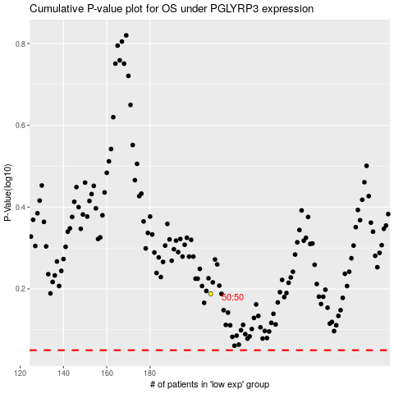

 |  |  |  |  |  | cases_OS | p_OS | rank | exp
 |  |  |  |  |  |  | cases_RFS | p_RFS | rank | exp

