PGM2 _multivariate
Reported by Tex Li-Hsing Chi. tex@gate.sinica.edu.tw 2019-08-17

Table 2. The clinicopathological features of HNSCC cohort and PGM2 expression. (Chi square test)
Cutoff at -0.269 (50.0%)
 |  | PGM2 expression |  | PGM2 expression |  | (Optimised)
 | Features | Low | (%) | High | (%) | Case no | P-value | Remark | Matthews
Gender | Female | 164 | 39.5 | 142 | 34.2 | 415 | 0.0153 | 1 | 0
2 | Male | 43 | 10.4 | 66 | 15.9
Age at diagnosis | <=65y | 139 | 33.5 | 135 | 32.5 | 415 | 0.7044 | 0 | 0
4 | >65y | 68 | 16.4 | 73 | 17.6
Clinical T Status | T1+T2 | 77 | 18.6 | 72 | 17.3 | 415 | 0.6556 | 0 | 0
6 | T3+T4 | 130 | 31.3 | 136 | 32.8
Clinical N Status | N0 | 104 | 25.1 | 112 | 27 | 415 | 0.5243 | 0 | 0
8 | N1-3 | 103 | 24.8 | 96 | 23.1
Clinical M Status | M0 | 206 | 49.6 | 206 | 49.6 | 415 | 1 | 0 | 0
10 | M1 | 1 | 0.2 | 2 | 0.5
Clinical Stage | Stage I+II | 49 | 11.8 | 53 | 12.8 | 415 | 0.7535 | 0 | 0
12 | Stage III+IV | 158 | 38.1 | 155 | 37.3
Surgical Margin status | Negative | 154 | 37.1 | 164 | 39.5 | 415 | 0.2984 | 0 | 0
14 | Positive | 53 | 12.8 | 44 | 10.6
Tobacco Exposure | Low | 68 | 16.4 | 93 | 22.4 | 415 | 0.0156 | 1 | 0
16 | High | 139 | 33.5 | 115 | 27.7

Table 3. Univariate/Multivariate Cox's proportional hazards regression analyses on OS time of PGM2 gene expression in HNSCC

 |  | Univariate |  |  |  | Multivariate
 | Features | HR | CI95%(L) | CI95%(H) | P-value | HR | CI95%(L) | CI95%(H) | P-value
1 | Female | 1 |  |  |  | 1
Gender | Male | 1.157 | 0.843 | 1.587 | 0.367 | 1.211 | 0.865 | 1.695 | 0.265
11 | <=65y | 1 |  |  |  | 1
Age at diagnosis | >65y | 1.329 | 0.99 | 1.784 | 0.058 | 1.386 | 1.018 | 1.885 | 0.038
12 | T1+T2 | 1 |  |  |  | 1
Clinical T Status | T3+T4 | 1.409 | 1.028 | 1.931 | 0.033 | 2.207 | 1.167 | 4.174 | 0.015
13 | N0 | 1 |  |  |  | 1
Clinical N Status | N1-3 | 1.185 | 0.89 | 1.577 | 0.246 | 1.237 | 0.866 | 1.765 | 0.242
14 | M0 | 1 |  |  |  | 1
Clinical M Status | M1 | 4.097 | 1.009 | 16.644 | 0.049 | 9.63 | 2.092 | 44.322 | 0.004
15 | Stage I+II | 1 |  |  |  | 1
Clinical Stage | Stage III+IV | 1.245 | 0.882 | 1.759 | 0.213 | 0.503 | 0.234 | 1.079 | 0.078
16 | Negative | 1 |  |  |  | 1
Surgical Margin status | Positive | 1.591 | 1.155 | 2.191 | 0.004 | 1.67 | 1.209 | 2.308 | 0.002
17 | Low | 1 |  |  |  | 1
Tobacco Exposure | High | 1.364 | 1.008 | 1.844 | 0.044 | 1.445 | 1.047 | 1.993 | 0.025
18 | Low | 1 |  |  |  | 1
RNAseq(z-score) | High | 0.925 | 0.694 | 1.232 | 0.592 | 0.939 | 0.702 | 1.257 | 0.673

Table 4. Univariate/Multivariate Cox's proportional hazards regression analyses on RFS time of PGM2 gene expression in HNSCC

 |  | Univariate |  |  |  | Multivariate
 | Features | HR | CI95%(L) | CI95%(H) | P-value | HR | CI95%(L) | CI95%(H) | P-value
1 | Female | 1 |  |  |  | 1
Gender | Male | 1.157 | 0.843 | 1.587 | 0.367 | 1.211 | 0.865 | 1.695 | 0.265
11 | <=65y | 1 |  |  |  | 1
Age at diagnosis | >65y | 1.329 | 0.99 | 1.784 | 0.058 | 1.386 | 1.018 | 1.885 | 0.038
12 | T1+T2 | 1 |  |  |  | 1
Clinical T Status | T3+T4 | 1.409 | 1.028 | 1.931 | 0.033 | 2.207 | 1.167 | 4.174 | 0.015
13 | N0 | 1 |  |  |  | 1
Clinical N Status | N1-3 | 1.185 | 0.89 | 1.577 | 0.246 | 1.237 | 0.866 | 1.765 | 0.242
14 | M0 | 1 |  |  |  | 1
Clinical M Status | M1 | 4.097 | 1.009 | 16.644 | 0.049 | 9.63 | 2.092 | 44.322 | 0.004
15 | Stage I+II | 1 |  |  |  | 1
Clinical Stage | Stage III+IV | 1.245 | 0.882 | 1.759 | 0.213 | 0.503 | 0.234 | 1.079 | 0.078
16 | Negative | 1 |  |  |  | 1
Surgical Margin status | Positive | 1.591 | 1.155 | 2.191 | 0.004 | 1.67 | 1.209 | 2.308 | 0.002
17 | Low | 1 |  |  |  | 1
Tobacco Exposure | High | 1.364 | 1.008 | 1.844 | 0.044 | 1.445 | 1.047 | 1.993 | 0.025
18 | Low | 1 |  |  |  | 1
RNAseq(z-score) | High | 0.925 | 0.694 | 1.232 | 0.592 | 0.939 | 0.702 | 1.257 | 0.673

Kaplan-Meier survival estimate: Cutoff at -0.269 (50.0%)



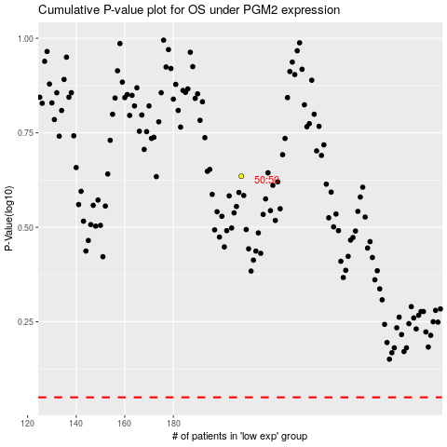

 |  |  |  |  |  | cases_OS | p_OS | rank | exp
 |  |  |  |  |  |  | cases_RFS | p_RFS | rank | exp

