PGM2L1 _multivariate
Reported by Tex Li-Hsing Chi. tex@gate.sinica.edu.tw 2019-08-17

Table 2. The clinicopathological features of HNSCC cohort and PGM2L1 expression. (Chi square test)
Cutoff at -0.289 (49.8%)
 |  | PGM2L1 expression |  | PGM2L1 expression |  | (Optimised)
 | Features | Low | (%) | High | (%) | Case no | P-value | Remark | Matthews
Gender | Female | 151 | 36.4 | 155 | 37.3 | 415 | 0.8007 | 0 | 0
2 | Male | 56 | 13.5 | 53 | 12.8
Age at diagnosis | <=65y | 140 | 33.7 | 134 | 32.3 | 415 | 0.5574 | 0 | 0
4 | >65y | 67 | 16.1 | 74 | 17.8
Clinical T Status | T1+T2 | 67 | 16.1 | 82 | 19.8 | 415 | 0.1628 | 0 | 0
6 | T3+T4 | 140 | 33.7 | 126 | 30.4
Clinical N Status | N0 | 109 | 26.3 | 107 | 25.8 | 415 | 0.8812 | 0 | 0
8 | N1-3 | 98 | 23.6 | 101 | 24.3
Clinical M Status | M0 | 204 | 49.2 | 208 | 50.1 | 415 | 0.1232 | 0 | 0
10 | M1 | 3 | 0.7 | 0 | 0
Clinical Stage | Stage I+II | 47 | 11.3 | 55 | 13.3 | 415 | 0.4413 | 0 | 0
12 | Stage III+IV | 160 | 38.6 | 153 | 36.9
Surgical Margin status | Negative | 158 | 38.1 | 160 | 38.6 | 415 | 0.9081 | 0 | 0
14 | Positive | 49 | 11.8 | 48 | 11.6
Tobacco Exposure | Low | 76 | 18.3 | 85 | 20.5 | 415 | 0.4207 | 0 | 0
16 | High | 131 | 31.6 | 123 | 29.6

Table 3. Univariate/Multivariate Cox's proportional hazards regression analyses on OS time of PGM2L1 gene expression in HNSCC

 |  | Univariate |  |  |  | Multivariate
 | Features | HR | CI95%(L) | CI95%(H) | P-value | HR | CI95%(L) | CI95%(H) | P-value
1 | Female | 1 |  |  |  | 1
Gender | Male | 1.157 | 0.843 | 1.587 | 0.367 | 1.205 | 0.863 | 1.683 | 0.273
11 | <=65y | 1 |  |  |  | 1
Age at diagnosis | >65y | 1.329 | 0.99 | 1.784 | 0.058 | 1.396 | 1.027 | 1.897 | 0.033
12 | T1+T2 | 1 |  |  |  | 1
Clinical T Status | T3+T4 | 1.409 | 1.028 | 1.931 | 0.033 | 2.224 | 1.176 | 4.204 | 0.014
13 | N0 | 1 |  |  |  | 1
Clinical N Status | N1-3 | 1.185 | 0.89 | 1.577 | 0.246 | 1.229 | 0.861 | 1.755 | 0.256
14 | M0 | 1 |  |  |  | 1
Clinical M Status | M1 | 4.097 | 1.009 | 16.644 | 0.049 | 10.183 | 2.199 | 47.157 | 0.003
15 | Stage I+II | 1 |  |  |  | 1
Clinical Stage | Stage III+IV | 1.245 | 0.882 | 1.759 | 0.213 | 0.506 | 0.236 | 1.087 | 0.081
16 | Negative | 1 |  |  |  | 1
Surgical Margin status | Positive | 1.591 | 1.155 | 2.191 | 0.004 | 1.664 | 1.205 | 2.299 | 0.002
17 | Low | 1 |  |  |  | 1
Tobacco Exposure | High | 1.364 | 1.008 | 1.844 | 0.044 | 1.454 | 1.056 | 2.002 | 0.022
18 | Low | 1 |  |  |  | 1
RNAseq(z-score) | High | 1.088 | 0.816 | 1.449 | 0.566 | 1.141 | 0.853 | 1.525 | 0.374

Table 4. Univariate/Multivariate Cox's proportional hazards regression analyses on RFS time of PGM2L1 gene expression in HNSCC

 |  | Univariate |  |  |  | Multivariate
 | Features | HR | CI95%(L) | CI95%(H) | P-value | HR | CI95%(L) | CI95%(H) | P-value
1 | Female | 1 |  |  |  | 1
Gender | Male | 1.157 | 0.843 | 1.587 | 0.367 | 1.205 | 0.863 | 1.683 | 0.273
11 | <=65y | 1 |  |  |  | 1
Age at diagnosis | >65y | 1.329 | 0.99 | 1.784 | 0.058 | 1.396 | 1.027 | 1.897 | 0.033
12 | T1+T2 | 1 |  |  |  | 1
Clinical T Status | T3+T4 | 1.409 | 1.028 | 1.931 | 0.033 | 2.224 | 1.176 | 4.204 | 0.014
13 | N0 | 1 |  |  |  | 1
Clinical N Status | N1-3 | 1.185 | 0.89 | 1.577 | 0.246 | 1.229 | 0.861 | 1.755 | 0.256
14 | M0 | 1 |  |  |  | 1
Clinical M Status | M1 | 4.097 | 1.009 | 16.644 | 0.049 | 10.183 | 2.199 | 47.157 | 0.003
15 | Stage I+II | 1 |  |  |  | 1
Clinical Stage | Stage III+IV | 1.245 | 0.882 | 1.759 | 0.213 | 0.506 | 0.236 | 1.087 | 0.081
16 | Negative | 1 |  |  |  | 1
Surgical Margin status | Positive | 1.591 | 1.155 | 2.191 | 0.004 | 1.664 | 1.205 | 2.299 | 0.002
17 | Low | 1 |  |  |  | 1
Tobacco Exposure | High | 1.364 | 1.008 | 1.844 | 0.044 | 1.454 | 1.056 | 2.002 | 0.022
18 | Low | 1 |  |  |  | 1
RNAseq(z-score) | High | 1.088 | 0.816 | 1.449 | 0.566 | 1.141 | 0.853 | 1.525 | 0.374

Kaplan-Meier survival estimate: Cutoff at -0.289 (49.8%)



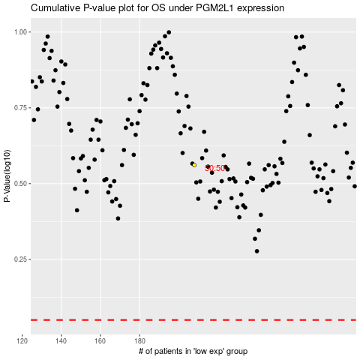

 |  |  |  |  |  | cases_OS | p_OS | rank | exp
 |  |  |  |  |  |  | cases_RFS | p_RFS | rank | exp

