PGM5P2 _multivariate
Reported by Tex Li-Hsing Chi. tex@gate.sinica.edu.tw 2019-08-17

Table 2. The clinicopathological features of HNSCC cohort and PGM5P2 expression. (Chi square test)
Cutoff at -0.252 (50.0%)
 |  | PGM5P2 expression |  | PGM5P2 expression |  | (Optimised)
 | Features | Low | (%) | High | (%) | Case no | P-value | Remark | Matthews
Gender | Female | 154 | 37.1 | 152 | 36.6 | 415 | 0.8463 | 0 | 0
2 | Male | 53 | 12.8 | 56 | 13.5
Age at diagnosis | <=65y | 140 | 33.7 | 134 | 32.3 | 415 | 0.5574 | 0 | 0
4 | >65y | 67 | 16.1 | 74 | 17.8
Clinical T Status | T1+T2 | 67 | 16.1 | 82 | 19.8 | 415 | 0.1628 | 0 | 0
6 | T3+T4 | 140 | 33.7 | 126 | 30.4
Clinical N Status | N0 | 100 | 24.1 | 116 | 28 | 415 | 0.1548 | 0 | 0
8 | N1-3 | 107 | 25.8 | 92 | 22.2
Clinical M Status | M0 | 205 | 49.4 | 207 | 49.9 | 415 | 0.6232 | 0 | 0
10 | M1 | 2 | 0.5 | 1 | 0.2
Clinical Stage | Stage I+II | 46 | 11.1 | 56 | 13.5 | 415 | 0.3182 | 0 | 0
12 | Stage III+IV | 161 | 38.8 | 152 | 36.6
Surgical Margin status | Negative | 152 | 36.6 | 166 | 40 | 415 | 0.1329 | 0 | 0
14 | Positive | 55 | 13.3 | 42 | 10.1
Tobacco Exposure | Low | 74 | 17.8 | 87 | 21 | 415 | 0.227 | 0 | 0
16 | High | 133 | 32 | 121 | 29.2

Table 3. Univariate/Multivariate Cox's proportional hazards regression analyses on OS time of PGM5P2 gene expression in HNSCC

 |  | Univariate |  |  |  | Multivariate
 | Features | HR | CI95%(L) | CI95%(H) | P-value | HR | CI95%(L) | CI95%(H) | P-value
1 | Female | 1 |  |  |  | 1
Gender | Male | 1.157 | 0.843 | 1.587 | 0.367 | 1.2 | 0.859 | 1.676 | 0.286
11 | <=65y | 1 |  |  |  | 1
Age at diagnosis | >65y | 1.329 | 0.99 | 1.784 | 0.058 | 1.397 | 1.028 | 1.899 | 0.033
12 | T1+T2 | 1 |  |  |  | 1
Clinical T Status | T3+T4 | 1.409 | 1.028 | 1.931 | 0.033 | 2.182 | 1.154 | 4.128 | 0.016
13 | N0 | 1 |  |  |  | 1
Clinical N Status | N1-3 | 1.185 | 0.89 | 1.577 | 0.246 | 1.238 | 0.868 | 1.766 | 0.239
14 | M0 | 1 |  |  |  | 1
Clinical M Status | M1 | 4.097 | 1.009 | 16.644 | 0.049 | 9.1 | 1.978 | 41.864 | 0.005
15 | Stage I+II | 1 |  |  |  | 1
Clinical Stage | Stage III+IV | 1.245 | 0.882 | 1.759 | 0.213 | 0.509 | 0.237 | 1.093 | 0.083
16 | Negative | 1 |  |  |  | 1
Surgical Margin status | Positive | 1.591 | 1.155 | 2.191 | 0.004 | 1.661 | 1.201 | 2.296 | 0.002
17 | Low | 1 |  |  |  | 1
Tobacco Exposure | High | 1.364 | 1.008 | 1.844 | 0.044 | 1.443 | 1.046 | 1.989 | 0.025
18 | Low | 1 |  |  |  | 1
RNAseq(z-score) | High | 0.842 | 0.632 | 1.122 | 0.241 | 0.913 | 0.683 | 1.22 | 0.537

Table 4. Univariate/Multivariate Cox's proportional hazards regression analyses on RFS time of PGM5P2 gene expression in HNSCC

 |  | Univariate |  |  |  | Multivariate
 | Features | HR | CI95%(L) | CI95%(H) | P-value | HR | CI95%(L) | CI95%(H) | P-value
1 | Female | 1 |  |  |  | 1
Gender | Male | 1.157 | 0.843 | 1.587 | 0.367 | 1.2 | 0.859 | 1.676 | 0.286
11 | <=65y | 1 |  |  |  | 1
Age at diagnosis | >65y | 1.329 | 0.99 | 1.784 | 0.058 | 1.397 | 1.028 | 1.899 | 0.033
12 | T1+T2 | 1 |  |  |  | 1
Clinical T Status | T3+T4 | 1.409 | 1.028 | 1.931 | 0.033 | 2.182 | 1.154 | 4.128 | 0.016
13 | N0 | 1 |  |  |  | 1
Clinical N Status | N1-3 | 1.185 | 0.89 | 1.577 | 0.246 | 1.238 | 0.868 | 1.766 | 0.239
14 | M0 | 1 |  |  |  | 1
Clinical M Status | M1 | 4.097 | 1.009 | 16.644 | 0.049 | 9.1 | 1.978 | 41.864 | 0.005
15 | Stage I+II | 1 |  |  |  | 1
Clinical Stage | Stage III+IV | 1.245 | 0.882 | 1.759 | 0.213 | 0.509 | 0.237 | 1.093 | 0.083
16 | Negative | 1 |  |  |  | 1
Surgical Margin status | Positive | 1.591 | 1.155 | 2.191 | 0.004 | 1.661 | 1.201 | 2.296 | 0.002
17 | Low | 1 |  |  |  | 1
Tobacco Exposure | High | 1.364 | 1.008 | 1.844 | 0.044 | 1.443 | 1.046 | 1.989 | 0.025
18 | Low | 1 |  |  |  | 1
RNAseq(z-score) | High | 0.842 | 0.632 | 1.122 | 0.241 | 0.913 | 0.683 | 1.22 | 0.537

Kaplan-Meier survival estimate: Cutoff at -0.252 (50.0%)



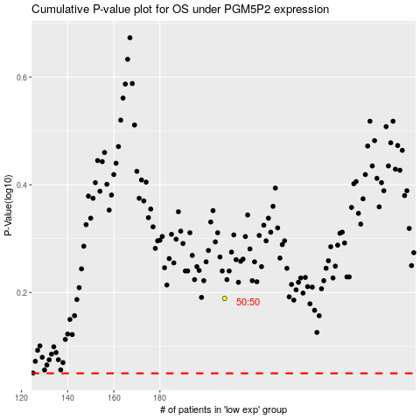

 |  |  |  |  |  | cases_OS | p_OS | rank | exp
 |  |  |  |  |  |  | cases_RFS | p_RFS | rank | exp

