PGP _multivariate
Reported by Tex Li-Hsing Chi. tex@gate.sinica.edu.tw 2019-08-17

Table 2. The clinicopathological features of HNSCC cohort and PGP expression. (Chi square test)
Cutoff at -0.213 (50.0%)
 |  | PGP expression |  | PGP expression |  | (Optimised)
 | Features | Low | (%) | High | (%) | Case no | P-value | Remark | Matthews
Gender | Female | 145 | 34.9 | 161 | 38.8 | 415 | 0.1116 | 0 | 0
2 | Male | 62 | 14.9 | 47 | 11.3
Age at diagnosis | <=65y | 132 | 31.8 | 142 | 34.2 | 415 | 0.3874 | 0 | 0
4 | >65y | 75 | 18.1 | 66 | 15.9
Clinical T Status | T1+T2 | 77 | 18.6 | 72 | 17.3 | 415 | 0.6556 | 0 | 0
6 | T3+T4 | 130 | 31.3 | 136 | 32.8
Clinical N Status | N0 | 117 | 28.2 | 99 | 23.9 | 415 | 0.0852 | 1 | 0
8 | N1-3 | 90 | 21.7 | 109 | 26.3
Clinical M Status | M0 | 206 | 49.6 | 206 | 49.6 | 415 | 1 | 0 | 0
10 | M1 | 1 | 0.2 | 2 | 0.5
Clinical Stage | Stage I+II | 56 | 13.5 | 46 | 11.1 | 415 | 0.2918 | 0 | 0
12 | Stage III+IV | 151 | 36.4 | 162 | 39
Surgical Margin status | Negative | 164 | 39.5 | 154 | 37.1 | 415 | 0.2462 | 0 | 0
14 | Positive | 43 | 10.4 | 54 | 13
Tobacco Exposure | Low | 85 | 20.5 | 76 | 18.3 | 415 | 0.3655 | 0 | 0
16 | High | 122 | 29.4 | 132 | 31.8

Table 3. Univariate/Multivariate Cox's proportional hazards regression analyses on OS time of PGP gene expression in HNSCC

 |  | Univariate |  |  |  | Multivariate
 | Features | HR | CI95%(L) | CI95%(H) | P-value | HR | CI95%(L) | CI95%(H) | P-value
1 | Female | 1 |  |  |  | 1
Gender | Male | 1.157 | 0.843 | 1.587 | 0.367 | 1.191 | 0.852 | 1.664 | 0.306
11 | <=65y | 1 |  |  |  | 1
Age at diagnosis | >65y | 1.329 | 0.99 | 1.784 | 0.058 | 1.389 | 1.022 | 1.889 | 0.036
12 | T1+T2 | 1 |  |  |  | 1
Clinical T Status | T3+T4 | 1.409 | 1.028 | 1.931 | 0.033 | 2.204 | 1.166 | 4.167 | 0.015
13 | N0 | 1 |  |  |  | 1
Clinical N Status | N1-3 | 1.185 | 0.89 | 1.577 | 0.246 | 1.248 | 0.875 | 1.781 | 0.222
14 | M0 | 1 |  |  |  | 1
Clinical M Status | M1 | 4.097 | 1.009 | 16.644 | 0.049 | 9.723 | 2.117 | 44.661 | 0.003
15 | Stage I+II | 1 |  |  |  | 1
Clinical Stage | Stage III+IV | 1.245 | 0.882 | 1.759 | 0.213 | 0.505 | 0.235 | 1.083 | 0.079
16 | Negative | 1 |  |  |  | 1
Surgical Margin status | Positive | 1.591 | 1.155 | 2.191 | 0.004 | 1.684 | 1.218 | 2.328 | 0.002
17 | Low | 1 |  |  |  | 1
Tobacco Exposure | High | 1.364 | 1.008 | 1.844 | 0.044 | 1.462 | 1.061 | 2.015 | 0.02
18 | Low | 1 |  |  |  | 1
RNAseq(z-score) | High | 0.934 | 0.7 | 1.245 | 0.64 | 0.887 | 0.662 | 1.187 | 0.419

Table 4. Univariate/Multivariate Cox's proportional hazards regression analyses on RFS time of PGP gene expression in HNSCC

 |  | Univariate |  |  |  | Multivariate
 | Features | HR | CI95%(L) | CI95%(H) | P-value | HR | CI95%(L) | CI95%(H) | P-value
1 | Female | 1 |  |  |  | 1
Gender | Male | 1.157 | 0.843 | 1.587 | 0.367 | 1.191 | 0.852 | 1.664 | 0.306
11 | <=65y | 1 |  |  |  | 1
Age at diagnosis | >65y | 1.329 | 0.99 | 1.784 | 0.058 | 1.389 | 1.022 | 1.889 | 0.036
12 | T1+T2 | 1 |  |  |  | 1
Clinical T Status | T3+T4 | 1.409 | 1.028 | 1.931 | 0.033 | 2.204 | 1.166 | 4.167 | 0.015
13 | N0 | 1 |  |  |  | 1
Clinical N Status | N1-3 | 1.185 | 0.89 | 1.577 | 0.246 | 1.248 | 0.875 | 1.781 | 0.222
14 | M0 | 1 |  |  |  | 1
Clinical M Status | M1 | 4.097 | 1.009 | 16.644 | 0.049 | 9.723 | 2.117 | 44.661 | 0.003
15 | Stage I+II | 1 |  |  |  | 1
Clinical Stage | Stage III+IV | 1.245 | 0.882 | 1.759 | 0.213 | 0.505 | 0.235 | 1.083 | 0.079
16 | Negative | 1 |  |  |  | 1
Surgical Margin status | Positive | 1.591 | 1.155 | 2.191 | 0.004 | 1.684 | 1.218 | 2.328 | 0.002
17 | Low | 1 |  |  |  | 1
Tobacco Exposure | High | 1.364 | 1.008 | 1.844 | 0.044 | 1.462 | 1.061 | 2.015 | 0.02
18 | Low | 1 |  |  |  | 1
RNAseq(z-score) | High | 0.934 | 0.7 | 1.245 | 0.64 | 0.887 | 0.662 | 1.187 | 0.419

Kaplan-Meier survival estimate: Cutoff at -0.213 (50.0%)



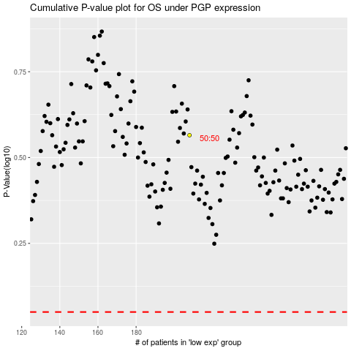

 |  |  |  |  |  | cases_OS | p_OS | rank | exp
 |  |  |  |  |  |  | cases_RFS | p_RFS | rank | exp

