PGPEP1 _multivariate
Reported by Tex Li-Hsing Chi. tex@gate.sinica.edu.tw 2019-08-17

Table 2. The clinicopathological features of HNSCC cohort and PGPEP1 expression. (Chi square test)
Cutoff at -0.37 (49.8%)
 |  | PGPEP1 expression |  | PGPEP1 expression |  | (Optimised)
 | Features | Low | (%) | High | (%) | Case no | P-value | Remark | Matthews
Gender | Female | 146 | 35.2 | 160 | 38.6 | 415 | 0.1714 | 0 | 0
2 | Male | 61 | 14.7 | 48 | 11.6
Age at diagnosis | <=65y | 143 | 34.5 | 131 | 31.6 | 415 | 0.2269 | 0 | 0
4 | >65y | 64 | 15.4 | 77 | 18.6
Clinical T Status | T1+T2 | 70 | 16.9 | 79 | 19 | 415 | 0.4343 | 0 | 0
6 | T3+T4 | 137 | 33 | 129 | 31.1
Clinical N Status | N0 | 106 | 25.5 | 110 | 26.5 | 415 | 0.8075 | 0 | 0
8 | N1-3 | 101 | 24.3 | 98 | 23.6
Clinical M Status | M0 | 204 | 49.2 | 208 | 50.1 | 415 | 0.1232 | 0 | 0
10 | M1 | 3 | 0.7 | 0 | 0
Clinical Stage | Stage I+II | 52 | 12.5 | 50 | 12 | 415 | 0.8871 | 0 | 0
12 | Stage III+IV | 155 | 37.3 | 158 | 38.1
Surgical Margin status | Negative | 161 | 38.8 | 157 | 37.8 | 415 | 0.6429 | 0 | 0
14 | Positive | 46 | 11.1 | 51 | 12.3
Tobacco Exposure | Low | 94 | 22.7 | 67 | 16.1 | 415 | 0.0065 | 1 | 0
16 | High | 113 | 27.2 | 141 | 34

Table 3. Univariate/Multivariate Cox's proportional hazards regression analyses on OS time of PGPEP1 gene expression in HNSCC

 |  | Univariate |  |  |  | Multivariate
 | Features | HR | CI95%(L) | CI95%(H) | P-value | HR | CI95%(L) | CI95%(H) | P-value
1 | Female | 1 |  |  |  | 1
Gender | Male | 1.157 | 0.843 | 1.587 | 0.367 | 1.195 | 0.854 | 1.672 | 0.298
11 | <=65y | 1 |  |  |  | 1
Age at diagnosis | >65y | 1.329 | 0.99 | 1.784 | 0.058 | 1.397 | 1.027 | 1.9 | 0.033
12 | T1+T2 | 1 |  |  |  | 1
Clinical T Status | T3+T4 | 1.409 | 1.028 | 1.931 | 0.033 | 2.18 | 1.15 | 4.132 | 0.017
13 | N0 | 1 |  |  |  | 1
Clinical N Status | N1-3 | 1.185 | 0.89 | 1.577 | 0.246 | 1.239 | 0.868 | 1.768 | 0.238
14 | M0 | 1 |  |  |  | 1
Clinical M Status | M1 | 4.097 | 1.009 | 16.644 | 0.049 | 9.085 | 1.959 | 42.141 | 0.005
15 | Stage I+II | 1 |  |  |  | 1
Clinical Stage | Stage III+IV | 1.245 | 0.882 | 1.759 | 0.213 | 0.509 | 0.237 | 1.095 | 0.084
16 | Negative | 1 |  |  |  | 1
Surgical Margin status | Positive | 1.591 | 1.155 | 2.191 | 0.004 | 1.675 | 1.212 | 2.315 | 0.002
17 | Low | 1 |  |  |  | 1
Tobacco Exposure | High | 1.364 | 1.008 | 1.844 | 0.044 | 1.469 | 1.06 | 2.036 | 0.021
18 | Low | 1 |  |  |  | 1
RNAseq(z-score) | High | 0.96 | 0.721 | 1.278 | 0.779 | 0.948 | 0.705 | 1.275 | 0.723

Table 4. Univariate/Multivariate Cox's proportional hazards regression analyses on RFS time of PGPEP1 gene expression in HNSCC

 |  | Univariate |  |  |  | Multivariate
 | Features | HR | CI95%(L) | CI95%(H) | P-value | HR | CI95%(L) | CI95%(H) | P-value
1 | Female | 1 |  |  |  | 1
Gender | Male | 1.157 | 0.843 | 1.587 | 0.367 | 1.195 | 0.854 | 1.672 | 0.298
11 | <=65y | 1 |  |  |  | 1
Age at diagnosis | >65y | 1.329 | 0.99 | 1.784 | 0.058 | 1.397 | 1.027 | 1.9 | 0.033
12 | T1+T2 | 1 |  |  |  | 1
Clinical T Status | T3+T4 | 1.409 | 1.028 | 1.931 | 0.033 | 2.18 | 1.15 | 4.132 | 0.017
13 | N0 | 1 |  |  |  | 1
Clinical N Status | N1-3 | 1.185 | 0.89 | 1.577 | 0.246 | 1.239 | 0.868 | 1.768 | 0.238
14 | M0 | 1 |  |  |  | 1
Clinical M Status | M1 | 4.097 | 1.009 | 16.644 | 0.049 | 9.085 | 1.959 | 42.141 | 0.005
15 | Stage I+II | 1 |  |  |  | 1
Clinical Stage | Stage III+IV | 1.245 | 0.882 | 1.759 | 0.213 | 0.509 | 0.237 | 1.095 | 0.084
16 | Negative | 1 |  |  |  | 1
Surgical Margin status | Positive | 1.591 | 1.155 | 2.191 | 0.004 | 1.675 | 1.212 | 2.315 | 0.002
17 | Low | 1 |  |  |  | 1
Tobacco Exposure | High | 1.364 | 1.008 | 1.844 | 0.044 | 1.469 | 1.06 | 2.036 | 0.021
18 | Low | 1 |  |  |  | 1
RNAseq(z-score) | High | 0.96 | 0.721 | 1.278 | 0.779 | 0.948 | 0.705 | 1.275 | 0.723

Kaplan-Meier survival estimate: Cutoff at -0.37 (49.8%)



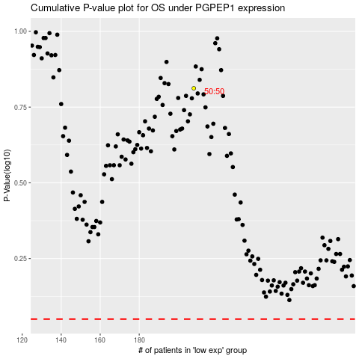

 |  |  |  |  |  | cases_OS | p_OS | rank | exp
 |  |  |  |  |  |  | cases_RFS | p_RFS | rank | exp

