PGRMC2 _multivariate
Reported by Tex Li-Hsing Chi. tex@gate.sinica.edu.tw 2019-08-17

Table 2. The clinicopathological features of HNSCC cohort and PGRMC2 expression. (Chi square test)
Cutoff at -0.202 (50.0%)
 |  | PGRMC2 expression |  | PGRMC2 expression |  | (Optimised)
 | Features | Low | (%) | High | (%) | Case no | P-value | Remark | Matthews
Gender | Female | 159 | 38.3 | 147 | 35.4 | 415 | 0.1905 | 0 | 0
2 | Male | 48 | 11.6 | 61 | 14.7
Age at diagnosis | <=65y | 136 | 32.8 | 138 | 33.3 | 415 | 0.9719 | 0 | 0
4 | >65y | 71 | 17.1 | 70 | 16.9
Clinical T Status | T1+T2 | 78 | 18.8 | 71 | 17.1 | 415 | 0.5152 | 0 | 0
6 | T3+T4 | 129 | 31.1 | 137 | 33
Clinical N Status | N0 | 107 | 25.8 | 109 | 26.3 | 415 | 0.9624 | 0 | 0
8 | N1-3 | 100 | 24.1 | 99 | 23.9
Clinical M Status | M0 | 206 | 49.6 | 206 | 49.6 | 415 | 1 | 0 | 0
10 | M1 | 1 | 0.2 | 2 | 0.5
Clinical Stage | Stage I+II | 54 | 13 | 48 | 11.6 | 415 | 0.5498 | 0 | 0
12 | Stage III+IV | 153 | 36.9 | 160 | 38.6
Surgical Margin status | Negative | 159 | 38.3 | 159 | 38.3 | 415 | 1 | 0 | 0
14 | Positive | 48 | 11.6 | 49 | 11.8
Tobacco Exposure | Low | 76 | 18.3 | 85 | 20.5 | 415 | 0.4207 | 0 | 0
16 | High | 131 | 31.6 | 123 | 29.6

Table 3. Univariate/Multivariate Cox's proportional hazards regression analyses on OS time of PGRMC2 gene expression in HNSCC

 |  | Univariate |  |  |  | Multivariate
 | Features | HR | CI95%(L) | CI95%(H) | P-value | HR | CI95%(L) | CI95%(H) | P-value
1 | Female | 1 |  |  |  | 1
Gender | Male | 1.157 | 0.843 | 1.587 | 0.367 | 1.17 | 0.836 | 1.636 | 0.36
11 | <=65y | 1 |  |  |  | 1
Age at diagnosis | >65y | 1.329 | 0.99 | 1.784 | 0.058 | 1.421 | 1.043 | 1.934 | 0.026
12 | T1+T2 | 1 |  |  |  | 1
Clinical T Status | T3+T4 | 1.409 | 1.028 | 1.931 | 0.033 | 2.232 | 1.181 | 4.22 | 0.013
13 | N0 | 1 |  |  |  | 1
Clinical N Status | N1-3 | 1.185 | 0.89 | 1.577 | 0.246 | 1.273 | 0.891 | 1.818 | 0.185
14 | M0 | 1 |  |  |  | 1
Clinical M Status | M1 | 4.097 | 1.009 | 16.644 | 0.049 | 8.735 | 1.901 | 40.145 | 0.005
15 | Stage I+II | 1 |  |  |  | 1
Clinical Stage | Stage III+IV | 1.245 | 0.882 | 1.759 | 0.213 | 0.49 | 0.228 | 1.053 | 0.068
16 | Negative | 1 |  |  |  | 1
Surgical Margin status | Positive | 1.591 | 1.155 | 2.191 | 0.004 | 1.66 | 1.202 | 2.293 | 0.002
17 | Low | 1 |  |  |  | 1
Tobacco Exposure | High | 1.364 | 1.008 | 1.844 | 0.044 | 1.459 | 1.059 | 2.01 | 0.021
18 | Low | 1 |  |  |  | 1
RNAseq(z-score) | High | 1.267 | 0.95 | 1.69 | 0.107 | 1.27 | 0.948 | 1.7 | 0.109

Table 4. Univariate/Multivariate Cox's proportional hazards regression analyses on RFS time of PGRMC2 gene expression in HNSCC

 |  | Univariate |  |  |  | Multivariate
 | Features | HR | CI95%(L) | CI95%(H) | P-value | HR | CI95%(L) | CI95%(H) | P-value
1 | Female | 1 |  |  |  | 1
Gender | Male | 1.157 | 0.843 | 1.587 | 0.367 | 1.17 | 0.836 | 1.636 | 0.36
11 | <=65y | 1 |  |  |  | 1
Age at diagnosis | >65y | 1.329 | 0.99 | 1.784 | 0.058 | 1.421 | 1.043 | 1.934 | 0.026
12 | T1+T2 | 1 |  |  |  | 1
Clinical T Status | T3+T4 | 1.409 | 1.028 | 1.931 | 0.033 | 2.232 | 1.181 | 4.22 | 0.013
13 | N0 | 1 |  |  |  | 1
Clinical N Status | N1-3 | 1.185 | 0.89 | 1.577 | 0.246 | 1.273 | 0.891 | 1.818 | 0.185
14 | M0 | 1 |  |  |  | 1
Clinical M Status | M1 | 4.097 | 1.009 | 16.644 | 0.049 | 8.735 | 1.901 | 40.145 | 0.005
15 | Stage I+II | 1 |  |  |  | 1
Clinical Stage | Stage III+IV | 1.245 | 0.882 | 1.759 | 0.213 | 0.49 | 0.228 | 1.053 | 0.068
16 | Negative | 1 |  |  |  | 1
Surgical Margin status | Positive | 1.591 | 1.155 | 2.191 | 0.004 | 1.66 | 1.202 | 2.293 | 0.002
17 | Low | 1 |  |  |  | 1
Tobacco Exposure | High | 1.364 | 1.008 | 1.844 | 0.044 | 1.459 | 1.059 | 2.01 | 0.021
18 | Low | 1 |  |  |  | 1
RNAseq(z-score) | High | 1.267 | 0.95 | 1.69 | 0.107 | 1.27 | 0.948 | 1.7 | 0.109

Kaplan-Meier survival estimate: Cutoff at -0.202 (50.0%)



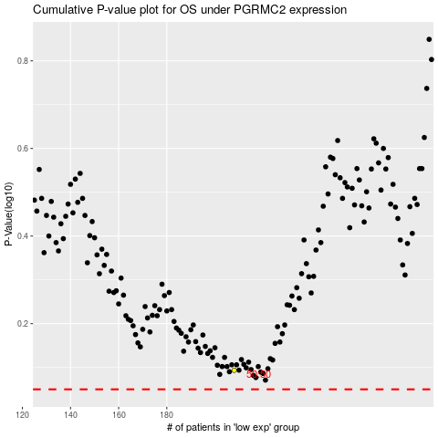

 |  |  |  |  |  | cases_OS | p_OS | rank | exp
 |  |  |  |  |  |  | cases_RFS | p_RFS | rank | exp

