PHACTR3 _multivariate
Reported by Tex Li-Hsing Chi. tex@gate.sinica.edu.tw 2019-08-17

Table 2. The clinicopathological features of HNSCC cohort and PHACTR3 expression. (Chi square test)
Cutoff at -0.231 (50.0%)
 |  | PHACTR3 expression |  | PHACTR3 expression |  | (Optimised)
 | Features | Low | (%) | High | (%) | Case no | P-value | Remark | Matthews
Gender | Female | 147 | 35.4 | 159 | 38.3 | 415 | 0.2523 | 0 | 0
2 | Male | 60 | 14.5 | 49 | 11.8
Age at diagnosis | <=65y | 130 | 31.3 | 144 | 34.7 | 415 | 0.2009 | 0 | 0
4 | >65y | 77 | 18.6 | 64 | 15.4
Clinical T Status | T1+T2 | 90 | 21.7 | 59 | 14.2 | 415 | 0.0019 | 1 | 0
6 | T3+T4 | 117 | 28.2 | 149 | 35.9
Clinical N Status | N0 | 112 | 27 | 104 | 25.1 | 415 | 0.4599 | 0 | 0
8 | N1-3 | 95 | 22.9 | 104 | 25.1
Clinical M Status | M0 | 204 | 49.2 | 208 | 50.1 | 415 | 0.1232 | 0 | 0
10 | M1 | 3 | 0.7 | 0 | 0
Clinical Stage | Stage I+II | 63 | 15.2 | 39 | 9.4 | 415 | 0.008 | 1 | 0
12 | Stage III+IV | 144 | 34.7 | 169 | 40.7
Surgical Margin status | Negative | 162 | 39 | 156 | 37.6 | 415 | 0.4867 | 0 | 0
14 | Positive | 45 | 10.8 | 52 | 12.5
Tobacco Exposure | Low | 95 | 22.9 | 66 | 15.9 | 415 | 0.0035 | 1 | 0
16 | High | 112 | 27 | 142 | 34.2

Table 3. Univariate/Multivariate Cox's proportional hazards regression analyses on OS time of PHACTR3 gene expression in HNSCC

 |  | Univariate |  |  |  | Multivariate
 | Features | HR | CI95%(L) | CI95%(H) | P-value | HR | CI95%(L) | CI95%(H) | P-value
1 | Female | 1 |  |  |  | 1
Gender | Male | 1.157 | 0.843 | 1.587 | 0.367 | 1.198 | 0.857 | 1.673 | 0.291
11 | <=65y | 1 |  |  |  | 1
Age at diagnosis | >65y | 1.329 | 0.99 | 1.784 | 0.058 | 1.391 | 1.023 | 1.891 | 0.035
12 | T1+T2 | 1 |  |  |  | 1
Clinical T Status | T3+T4 | 1.409 | 1.028 | 1.931 | 0.033 | 2.227 | 1.176 | 4.217 | 0.014
13 | N0 | 1 |  |  |  | 1
Clinical N Status | N1-3 | 1.185 | 0.89 | 1.577 | 0.246 | 1.236 | 0.866 | 1.763 | 0.244
14 | M0 | 1 |  |  |  | 1
Clinical M Status | M1 | 4.097 | 1.009 | 16.644 | 0.049 | 9.146 | 1.987 | 42.11 | 0.004
15 | Stage I+II | 1 |  |  |  | 1
Clinical Stage | Stage III+IV | 1.245 | 0.882 | 1.759 | 0.213 | 0.509 | 0.237 | 1.094 | 0.084
16 | Negative | 1 |  |  |  | 1
Surgical Margin status | Positive | 1.591 | 1.155 | 2.191 | 0.004 | 1.68 | 1.215 | 2.324 | 0.002
17 | Low | 1 |  |  |  | 1
Tobacco Exposure | High | 1.364 | 1.008 | 1.844 | 0.044 | 1.465 | 1.061 | 2.023 | 0.02
18 | Low | 1 |  |  |  | 1
RNAseq(z-score) | High | 1.007 | 0.756 | 1.34 | 0.963 | 0.931 | 0.691 | 1.256 | 0.642

Table 4. Univariate/Multivariate Cox's proportional hazards regression analyses on RFS time of PHACTR3 gene expression in HNSCC

 |  | Univariate |  |  |  | Multivariate
 | Features | HR | CI95%(L) | CI95%(H) | P-value | HR | CI95%(L) | CI95%(H) | P-value
1 | Female | 1 |  |  |  | 1
Gender | Male | 1.157 | 0.843 | 1.587 | 0.367 | 1.198 | 0.857 | 1.673 | 0.291
11 | <=65y | 1 |  |  |  | 1
Age at diagnosis | >65y | 1.329 | 0.99 | 1.784 | 0.058 | 1.391 | 1.023 | 1.891 | 0.035
12 | T1+T2 | 1 |  |  |  | 1
Clinical T Status | T3+T4 | 1.409 | 1.028 | 1.931 | 0.033 | 2.227 | 1.176 | 4.217 | 0.014
13 | N0 | 1 |  |  |  | 1
Clinical N Status | N1-3 | 1.185 | 0.89 | 1.577 | 0.246 | 1.236 | 0.866 | 1.763 | 0.244
14 | M0 | 1 |  |  |  | 1
Clinical M Status | M1 | 4.097 | 1.009 | 16.644 | 0.049 | 9.146 | 1.987 | 42.11 | 0.004
15 | Stage I+II | 1 |  |  |  | 1
Clinical Stage | Stage III+IV | 1.245 | 0.882 | 1.759 | 0.213 | 0.509 | 0.237 | 1.094 | 0.084
16 | Negative | 1 |  |  |  | 1
Surgical Margin status | Positive | 1.591 | 1.155 | 2.191 | 0.004 | 1.68 | 1.215 | 2.324 | 0.002
17 | Low | 1 |  |  |  | 1
Tobacco Exposure | High | 1.364 | 1.008 | 1.844 | 0.044 | 1.465 | 1.061 | 2.023 | 0.02
18 | Low | 1 |  |  |  | 1
RNAseq(z-score) | High | 1.007 | 0.756 | 1.34 | 0.963 | 0.931 | 0.691 | 1.256 | 0.642

Kaplan-Meier survival estimate: Cutoff at -0.231 (50.0%)



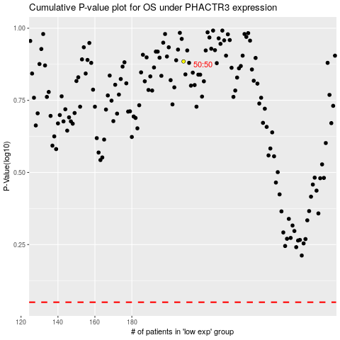

 |  |  |  |  |  | cases_OS | p_OS | rank | exp
 |  |  |  |  |  |  | cases_RFS | p_RFS | rank | exp

