PHC1 _multivariate
Reported by Tex Li-Hsing Chi. tex@gate.sinica.edu.tw 2019-08-17

Table 2. The clinicopathological features of HNSCC cohort and PHC1 expression. (Chi square test)
Cutoff at -0.273 (49.0%)
 |  | PHC1 expression |  | PHC1 expression |  | (Optimised)
 | Features | Low | (%) | High | (%) | Case no | P-value | Remark | Matthews
Gender | Female | 142 | 34.2 | 164 | 39.5 | 415 | 0.0772 | 0 | 0
2 | Male | 62 | 14.9 | 47 | 11.3
Age at diagnosis | <=65y | 131 | 31.6 | 143 | 34.5 | 415 | 0.5085 | 0 | 0
4 | >65y | 73 | 17.6 | 68 | 16.4
Clinical T Status | T1+T2 | 69 | 16.6 | 80 | 19.3 | 415 | 0.4436 | 0 | 0
6 | T3+T4 | 135 | 32.5 | 131 | 31.6
Clinical N Status | N0 | 108 | 26 | 108 | 26 | 415 | 0.795 | 0 | 0
8 | N1-3 | 96 | 23.1 | 103 | 24.8
Clinical M Status | M0 | 202 | 48.7 | 210 | 50.6 | 415 | 0.6178 | 0 | 0
10 | M1 | 2 | 0.5 | 1 | 0.2
Clinical Stage | Stage I+II | 50 | 12 | 52 | 12.5 | 415 | 1 | 0 | 0
12 | Stage III+IV | 154 | 37.1 | 159 | 38.3
Surgical Margin status | Negative | 158 | 38.1 | 160 | 38.6 | 415 | 0.7287 | 0 | 0
14 | Positive | 46 | 11.1 | 51 | 12.3
Tobacco Exposure | Low | 84 | 20.2 | 77 | 18.6 | 415 | 0.3647 | 0 | 0
16 | High | 120 | 28.9 | 134 | 32.3

Table 3. Univariate/Multivariate Cox's proportional hazards regression analyses on OS time of PHC1 gene expression in HNSCC

 |  | Univariate |  |  |  | Multivariate
 | Features | HR | CI95%(L) | CI95%(H) | P-value | HR | CI95%(L) | CI95%(H) | P-value
1 | Female | 1 |  |  |  | 1
Gender | Male | 1.157 | 0.843 | 1.587 | 0.367 | 1.18 | 0.844 | 1.65 | 0.334
11 | <=65y | 1 |  |  |  | 1
Age at diagnosis | >65y | 1.329 | 0.99 | 1.784 | 0.058 | 1.369 | 1.005 | 1.863 | 0.046
12 | T1+T2 | 1 |  |  |  | 1
Clinical T Status | T3+T4 | 1.409 | 1.028 | 1.931 | 0.033 | 2.119 | 1.12 | 4.01 | 0.021
13 | N0 | 1 |  |  |  | 1
Clinical N Status | N1-3 | 1.185 | 0.89 | 1.577 | 0.246 | 1.237 | 0.867 | 1.764 | 0.241
14 | M0 | 1 |  |  |  | 1
Clinical M Status | M1 | 4.097 | 1.009 | 16.644 | 0.049 | 8.372 | 1.817 | 38.584 | 0.006
15 | Stage I+II | 1 |  |  |  | 1
Clinical Stage | Stage III+IV | 1.245 | 0.882 | 1.759 | 0.213 | 0.523 | 0.243 | 1.123 | 0.096
16 | Negative | 1 |  |  |  | 1
Surgical Margin status | Positive | 1.591 | 1.155 | 2.191 | 0.004 | 1.677 | 1.214 | 2.318 | 0.002
17 | Low | 1 |  |  |  | 1
Tobacco Exposure | High | 1.364 | 1.008 | 1.844 | 0.044 | 1.478 | 1.071 | 2.04 | 0.017
18 | Low | 1 |  |  |  | 1
RNAseq(z-score) | High | 0.734 | 0.55 | 0.98 | 0.036 | 0.764 | 0.57 | 1.024 | 0.072

Table 4. Univariate/Multivariate Cox's proportional hazards regression analyses on RFS time of PHC1 gene expression in HNSCC

 |  | Univariate |  |  |  | Multivariate
 | Features | HR | CI95%(L) | CI95%(H) | P-value | HR | CI95%(L) | CI95%(H) | P-value
1 | Female | 1 |  |  |  | 1
Gender | Male | 1.157 | 0.843 | 1.587 | 0.367 | 1.18 | 0.844 | 1.65 | 0.334
11 | <=65y | 1 |  |  |  | 1
Age at diagnosis | >65y | 1.329 | 0.99 | 1.784 | 0.058 | 1.369 | 1.005 | 1.863 | 0.046
12 | T1+T2 | 1 |  |  |  | 1
Clinical T Status | T3+T4 | 1.409 | 1.028 | 1.931 | 0.033 | 2.119 | 1.12 | 4.01 | 0.021
13 | N0 | 1 |  |  |  | 1
Clinical N Status | N1-3 | 1.185 | 0.89 | 1.577 | 0.246 | 1.237 | 0.867 | 1.764 | 0.241
14 | M0 | 1 |  |  |  | 1
Clinical M Status | M1 | 4.097 | 1.009 | 16.644 | 0.049 | 8.372 | 1.817 | 38.584 | 0.006
15 | Stage I+II | 1 |  |  |  | 1
Clinical Stage | Stage III+IV | 1.245 | 0.882 | 1.759 | 0.213 | 0.523 | 0.243 | 1.123 | 0.096
16 | Negative | 1 |  |  |  | 1
Surgical Margin status | Positive | 1.591 | 1.155 | 2.191 | 0.004 | 1.677 | 1.214 | 2.318 | 0.002
17 | Low | 1 |  |  |  | 1
Tobacco Exposure | High | 1.364 | 1.008 | 1.844 | 0.044 | 1.478 | 1.071 | 2.04 | 0.017
18 | Low | 1 |  |  |  | 1
RNAseq(z-score) | High | 0.734 | 0.55 | 0.98 | 0.036 | 0.764 | 0.57 | 1.024 | 0.072

Kaplan-Meier survival estimate: Cutoff at -0.273 (49.0%)

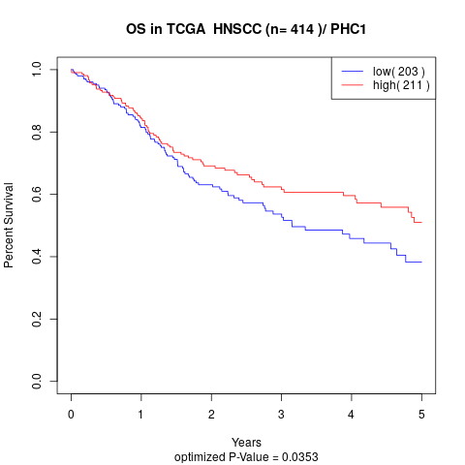

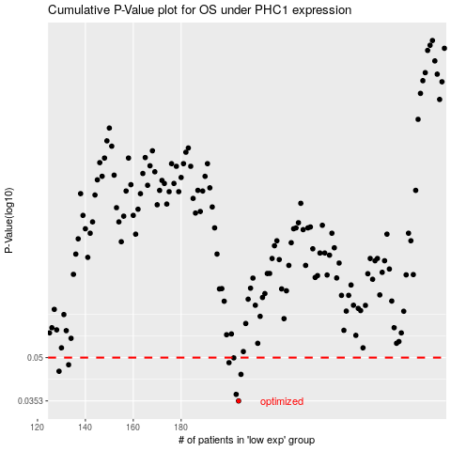

 |  |  |  |  |  | cases_OS | p_OS | rank | exp
 |  |  |  |  |  | 204 | 0.0353 | 34 | -0.27313390374
 |  |  |  |  |  | 203 | 0.0372 | 218 | -0.28173958661
 |  |  |  |  |  | 205 | 0.0437 | 329 | -0.26865544115
 |  |  |  |  |  | 129 | 0.0448 | 268 | -0.51877149273
 |  |  |  |  |  | 133 | 0.0472 | 160 | -0.51414474973
 |  |  |  |  |  | 200 | 0.048 | 49 | -0.28887379573
 |  |  |  |  |  | 202 | 0.0499 | 114 | -0.28236916258
 |  |  |  |  |  |  | cases_RFS | p_RFS | rank | exp
 |  |  |  |  |  |  | 203 | 0.0353 | 218 | -0.28173958661
 |  |  |  |  |  |  | 202 | 0.0372 | 114 | -0.28236916258
 |  |  |  |  |  |  | 204 | 0.0437 | 34 | -0.27313390374
 |  |  |  |  |  |  | 128 | 0.0448 | 64 | -0.51895277908
 |  |  |  |  |  |  | 132 | 0.0472 | 326 | -0.51430830154
 |  |  |  |  |  |  | 199 | 0.048 | 325 | -0.29062803677
 |  |  |  |  |  |  | 201 | 0.0499 | 248 | -0.28422636244

