PHF1 _multivariate
Reported by Tex Li-Hsing Chi. tex@gate.sinica.edu.tw 2019-08-17

Table 2. The clinicopathological features of HNSCC cohort and PHF1 expression. (Chi square test)
Cutoff at -0.269 (49.8%)
 |  | PHF1 expression |  | PHF1 expression |  | (Optimised)
 | Features | Low | (%) | High | (%) | Case no | P-value | Remark | Matthews
Gender | Female | 140 | 33.7 | 166 | 40 | 415 | 0.0068 | 1 | 0
2 | Male | 67 | 16.1 | 42 | 10.1
Age at diagnosis | <=65y | 132 | 31.8 | 142 | 34.2 | 415 | 0.3874 | 0 | 0
4 | >65y | 75 | 18.1 | 66 | 15.9
Clinical T Status | T1+T2 | 72 | 17.3 | 77 | 18.6 | 415 | 0.7095 | 0 | 0
6 | T3+T4 | 135 | 32.5 | 131 | 31.6
Clinical N Status | N0 | 112 | 27 | 104 | 25.1 | 415 | 0.4599 | 0 | 0
8 | N1-3 | 95 | 22.9 | 104 | 25.1
Clinical M Status | M0 | 205 | 49.4 | 207 | 49.9 | 415 | 0.6232 | 0 | 0
10 | M1 | 2 | 0.5 | 1 | 0.2
Clinical Stage | Stage I+II | 52 | 12.5 | 50 | 12 | 415 | 0.8871 | 0 | 0
12 | Stage III+IV | 155 | 37.3 | 158 | 38.1
Surgical Margin status | Negative | 159 | 38.3 | 159 | 38.3 | 415 | 1 | 0 | 0
14 | Positive | 48 | 11.6 | 49 | 11.8
Tobacco Exposure | Low | 87 | 21 | 74 | 17.8 | 415 | 0.1911 | 0 | 0
16 | High | 120 | 28.9 | 134 | 32.3

Table 3. Univariate/Multivariate Cox's proportional hazards regression analyses on OS time of PHF1 gene expression in HNSCC

 |  | Univariate |  |  |  | Multivariate
 | Features | HR | CI95%(L) | CI95%(H) | P-value | HR | CI95%(L) | CI95%(H) | P-value
1 | Female | 1 |  |  |  | 1
Gender | Male | 1.157 | 0.843 | 1.587 | 0.367 | 1.163 | 0.829 | 1.632 | 0.382
11 | <=65y | 1 |  |  |  | 1
Age at diagnosis | >65y | 1.329 | 0.99 | 1.784 | 0.058 | 1.389 | 1.023 | 1.888 | 0.036
12 | T1+T2 | 1 |  |  |  | 1
Clinical T Status | T3+T4 | 1.409 | 1.028 | 1.931 | 0.033 | 2.153 | 1.137 | 4.078 | 0.019
13 | N0 | 1 |  |  |  | 1
Clinical N Status | N1-3 | 1.185 | 0.89 | 1.577 | 0.246 | 1.236 | 0.866 | 1.763 | 0.243
14 | M0 | 1 |  |  |  | 1
Clinical M Status | M1 | 4.097 | 1.009 | 16.644 | 0.049 | 9.034 | 1.968 | 41.477 | 0.005
15 | Stage I+II | 1 |  |  |  | 1
Clinical Stage | Stage III+IV | 1.245 | 0.882 | 1.759 | 0.213 | 0.513 | 0.239 | 1.101 | 0.087
16 | Negative | 1 |  |  |  | 1
Surgical Margin status | Positive | 1.591 | 1.155 | 2.191 | 0.004 | 1.687 | 1.22 | 2.333 | 0.002
17 | Low | 1 |  |  |  | 1
Tobacco Exposure | High | 1.364 | 1.008 | 1.844 | 0.044 | 1.475 | 1.07 | 2.034 | 0.018
18 | Low | 1 |  |  |  | 1
RNAseq(z-score) | High | 0.835 | 0.626 | 1.112 | 0.217 | 0.837 | 0.624 | 1.124 | 0.237

Table 4. Univariate/Multivariate Cox's proportional hazards regression analyses on RFS time of PHF1 gene expression in HNSCC

 |  | Univariate |  |  |  | Multivariate
 | Features | HR | CI95%(L) | CI95%(H) | P-value | HR | CI95%(L) | CI95%(H) | P-value
1 | Female | 1 |  |  |  | 1
Gender | Male | 1.157 | 0.843 | 1.587 | 0.367 | 1.163 | 0.829 | 1.632 | 0.382
11 | <=65y | 1 |  |  |  | 1
Age at diagnosis | >65y | 1.329 | 0.99 | 1.784 | 0.058 | 1.389 | 1.023 | 1.888 | 0.036
12 | T1+T2 | 1 |  |  |  | 1
Clinical T Status | T3+T4 | 1.409 | 1.028 | 1.931 | 0.033 | 2.153 | 1.137 | 4.078 | 0.019
13 | N0 | 1 |  |  |  | 1
Clinical N Status | N1-3 | 1.185 | 0.89 | 1.577 | 0.246 | 1.236 | 0.866 | 1.763 | 0.243
14 | M0 | 1 |  |  |  | 1
Clinical M Status | M1 | 4.097 | 1.009 | 16.644 | 0.049 | 9.034 | 1.968 | 41.477 | 0.005
15 | Stage I+II | 1 |  |  |  | 1
Clinical Stage | Stage III+IV | 1.245 | 0.882 | 1.759 | 0.213 | 0.513 | 0.239 | 1.101 | 0.087
16 | Negative | 1 |  |  |  | 1
Surgical Margin status | Positive | 1.591 | 1.155 | 2.191 | 0.004 | 1.687 | 1.22 | 2.333 | 0.002
17 | Low | 1 |  |  |  | 1
Tobacco Exposure | High | 1.364 | 1.008 | 1.844 | 0.044 | 1.475 | 1.07 | 2.034 | 0.018
18 | Low | 1 |  |  |  | 1
RNAseq(z-score) | High | 0.835 | 0.626 | 1.112 | 0.217 | 0.837 | 0.624 | 1.124 | 0.237

Kaplan-Meier survival estimate: Cutoff at -0.269 (49.8%)



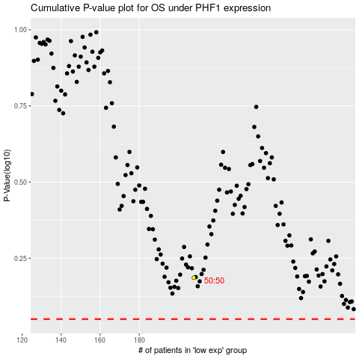

 |  |  |  |  |  | cases_OS | p_OS | rank | exp
 |  |  |  |  |  |  | cases_RFS | p_RFS | rank | exp

